ZCCHC3 _multivariate
Reported by Tex Li-Hsing Chi. tex@gate.sinica.edu.tw 2019-08-14

Table 2. The clinicopathological features of HNSCC cohort and ZCCHC3 expression. (Chi square test)
Cutoff at -0.19 (50.0%)
 |  | ZCCHC3 expression |  | ZCCHC3 expression |  | (Optimised)
 | Features | Low | (%) | High | (%) | Case no | P-value | Remark | Matthews
Gender | Female | 147 | 35.4 | 159 | 38.3 | 415 | 0.2523 | 0 | 0
2 | Male | 60 | 14.5 | 49 | 11.8
Age at diagnosis | <=65y | 126 | 30.4 | 148 | 35.7 | 415 | 0.035 | 1 | 0
4 | >65y | 81 | 19.5 | 60 | 14.5
Clinical T Status | T1+T2 | 76 | 18.3 | 73 | 17.6 | 415 | 0.8092 | 0 | 0
6 | T3+T4 | 131 | 31.6 | 135 | 32.5
Clinical N Status | N0 | 112 | 27 | 104 | 25.1 | 415 | 0.4599 | 0 | 0
8 | N1-3 | 95 | 22.9 | 104 | 25.1
Clinical M Status | M0 | 207 | 49.9 | 205 | 49.4 | 415 | 0.2482 | 0 | 0
10 | M1 | 0 | 0 | 3 | 0.7
Clinical Stage | Stage I+II | 56 | 13.5 | 46 | 11.1 | 415 | 0.2918 | 0 | 0
12 | Stage III+IV | 151 | 36.4 | 162 | 39
Surgical Margin status | Negative | 161 | 38.8 | 157 | 37.8 | 415 | 0.6429 | 0 | 0
14 | Positive | 46 | 11.1 | 51 | 12.3
Tobacco Exposure | Low | 88 | 21.2 | 73 | 17.6 | 415 | 0.1314 | 0 | 0
16 | High | 119 | 28.7 | 135 | 32.5

Table 3. Univariate/Multivariate Cox's proportional hazards regression analyses on OS time of ZCCHC3 gene expression in HNSCC

 |  | Univariate |  |  |  | Multivariate
 | Features | HR | CI95%(L) | CI95%(H) | P-value | HR | CI95%(L) | CI95%(H) | P-value
1 | Female | 1 |  |  |  | 1
Gender | Male | 1.157 | 0.843 | 1.587 | 0.367 | 1.204 | 0.862 | 1.683 | 0.277
11 | <=65y | 1 |  |  |  | 1
Age at diagnosis | >65y | 1.329 | 0.99 | 1.784 | 0.058 | 1.399 | 1.029 | 1.903 | 0.032
12 | T1+T2 | 1 |  |  |  | 1
Clinical T Status | T3+T4 | 1.409 | 1.028 | 1.931 | 0.033 | 2.224 | 1.175 | 4.212 | 0.014
13 | N0 | 1 |  |  |  | 1
Clinical N Status | N1-3 | 1.185 | 0.89 | 1.577 | 0.246 | 1.239 | 0.868 | 1.768 | 0.237
14 | M0 | 1 |  |  |  | 1
Clinical M Status | M1 | 4.097 | 1.009 | 16.644 | 0.049 | 9.159 | 1.991 | 42.135 | 0.004
15 | Stage I+II | 1 |  |  |  | 1
Clinical Stage | Stage III+IV | 1.245 | 0.882 | 1.759 | 0.213 | 0.499 | 0.232 | 1.073 | 0.075
16 | Negative | 1 |  |  |  | 1
Surgical Margin status | Positive | 1.591 | 1.155 | 2.191 | 0.004 | 1.666 | 1.206 | 2.303 | 0.002
17 | Low | 1 |  |  |  | 1
Tobacco Exposure | High | 1.364 | 1.008 | 1.844 | 0.044 | 1.446 | 1.049 | 1.993 | 0.024
18 | Low | 1 |  |  |  | 1
RNAseq(z-score) | High | 1.09 | 0.817 | 1.454 | 0.56 | 1.077 | 0.804 | 1.443 | 0.618

Table 4. Univariate/Multivariate Cox's proportional hazards regression analyses on RFS time of ZCCHC3 gene expression in HNSCC

 |  | Univariate |  |  |  | Multivariate
 | Features | HR | CI95%(L) | CI95%(H) | P-value | HR | CI95%(L) | CI95%(H) | P-value
1 | Female | 1 |  |  |  | 1
Gender | Male | 1.157 | 0.843 | 1.587 | 0.367 | 1.204 | 0.862 | 1.683 | 0.277
11 | <=65y | 1 |  |  |  | 1
Age at diagnosis | >65y | 1.329 | 0.99 | 1.784 | 0.058 | 1.399 | 1.029 | 1.903 | 0.032
12 | T1+T2 | 1 |  |  |  | 1
Clinical T Status | T3+T4 | 1.409 | 1.028 | 1.931 | 0.033 | 2.224 | 1.175 | 4.212 | 0.014
13 | N0 | 1 |  |  |  | 1
Clinical N Status | N1-3 | 1.185 | 0.89 | 1.577 | 0.246 | 1.239 | 0.868 | 1.768 | 0.237
14 | M0 | 1 |  |  |  | 1
Clinical M Status | M1 | 4.097 | 1.009 | 16.644 | 0.049 | 9.159 | 1.991 | 42.135 | 0.004
15 | Stage I+II | 1 |  |  |  | 1
Clinical Stage | Stage III+IV | 1.245 | 0.882 | 1.759 | 0.213 | 0.499 | 0.232 | 1.073 | 0.075
16 | Negative | 1 |  |  |  | 1
Surgical Margin status | Positive | 1.591 | 1.155 | 2.191 | 0.004 | 1.666 | 1.206 | 2.303 | 0.002
17 | Low | 1 |  |  |  | 1
Tobacco Exposure | High | 1.364 | 1.008 | 1.844 | 0.044 | 1.446 | 1.049 | 1.993 | 0.024
18 | Low | 1 |  |  |  | 1
RNAseq(z-score) | High | 1.09 | 0.817 | 1.454 | 0.56 | 1.077 | 0.804 | 1.443 | 0.618

Kaplan-Meier survival estimate: Cutoff at -0.19 (50.0%)



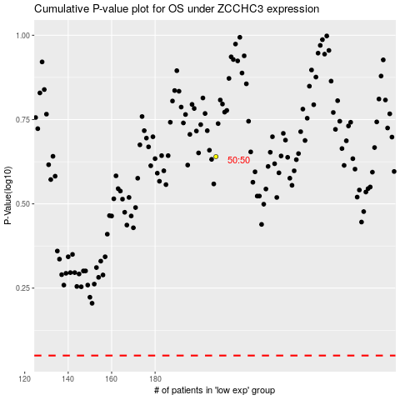

 |  |  |  |  |  | cases_OS | p_OS | rank | exp
 |  |  |  |  |  |  | cases_RFS | p_RFS | rank | exp

