ZCCHC4 _multivariate
Reported by Tex Li-Hsing Chi. tex@gate.sinica.edu.tw 2019-08-14

Table 2. The clinicopathological features of HNSCC cohort and ZCCHC4 expression. (Chi square test)
Cutoff at -0.097 (50.0%)
 |  | ZCCHC4 expression |  | ZCCHC4 expression |  | (Optimised)
 | Features | Low | (%) | High | (%) | Case no | P-value | Remark | Matthews
Gender | Female | 153 | 36.9 | 153 | 36.9 | 415 | 1 | 0 | 0
2 | Male | 54 | 13 | 55 | 13.3
Age at diagnosis | <=65y | 127 | 30.6 | 147 | 35.4 | 415 | 0.0573 | 0 | 0
4 | >65y | 80 | 19.3 | 61 | 14.7
Clinical T Status | T1+T2 | 65 | 15.7 | 84 | 20.2 | 415 | 0.0711 | 0 | 0
6 | T3+T4 | 142 | 34.2 | 124 | 29.9
Clinical N Status | N0 | 112 | 27 | 104 | 25.1 | 415 | 0.4599 | 0 | 0
8 | N1-3 | 95 | 22.9 | 104 | 25.1
Clinical M Status | M0 | 205 | 49.4 | 207 | 49.9 | 415 | 0.6232 | 0 | 0
10 | M1 | 2 | 0.5 | 1 | 0.2
Clinical Stage | Stage I+II | 47 | 11.3 | 55 | 13.3 | 415 | 0.4413 | 0 | 0
12 | Stage III+IV | 160 | 38.6 | 153 | 36.9
Surgical Margin status | Negative | 161 | 38.8 | 157 | 37.8 | 415 | 0.6429 | 0 | 0
14 | Positive | 46 | 11.1 | 51 | 12.3
Tobacco Exposure | Low | 76 | 18.3 | 85 | 20.5 | 415 | 0.4207 | 0 | 0
16 | High | 131 | 31.6 | 123 | 29.6

Table 3. Univariate/Multivariate Cox's proportional hazards regression analyses on OS time of ZCCHC4 gene expression in HNSCC

 |  | Univariate |  |  |  | Multivariate
 | Features | HR | CI95%(L) | CI95%(H) | P-value | HR | CI95%(L) | CI95%(H) | P-value
1 | Female | 1 |  |  |  | 1
Gender | Male | 1.157 | 0.843 | 1.587 | 0.367 | 1.202 | 0.861 | 1.678 | 0.281
11 | <=65y | 1 |  |  |  | 1
Age at diagnosis | >65y | 1.329 | 0.99 | 1.784 | 0.058 | 1.406 | 1.034 | 1.911 | 0.03
12 | T1+T2 | 1 |  |  |  | 1
Clinical T Status | T3+T4 | 1.409 | 1.028 | 1.931 | 0.033 | 2.269 | 1.196 | 4.304 | 0.012
13 | N0 | 1 |  |  |  | 1
Clinical N Status | N1-3 | 1.185 | 0.89 | 1.577 | 0.246 | 1.229 | 0.861 | 1.754 | 0.256
14 | M0 | 1 |  |  |  | 1
Clinical M Status | M1 | 4.097 | 1.009 | 16.644 | 0.049 | 9.832 | 2.137 | 45.232 | 0.003
15 | Stage I+II | 1 |  |  |  | 1
Clinical Stage | Stage III+IV | 1.245 | 0.882 | 1.759 | 0.213 | 0.501 | 0.233 | 1.076 | 0.076
16 | Negative | 1 |  |  |  | 1
Surgical Margin status | Positive | 1.591 | 1.155 | 2.191 | 0.004 | 1.669 | 1.208 | 2.307 | 0.002
17 | Low | 1 |  |  |  | 1
Tobacco Exposure | High | 1.364 | 1.008 | 1.844 | 0.044 | 1.463 | 1.062 | 2.017 | 0.02
18 | Low | 1 |  |  |  | 1
RNAseq(z-score) | High | 1.039 | 0.78 | 1.385 | 0.793 | 1.137 | 0.849 | 1.524 | 0.389

Table 4. Univariate/Multivariate Cox's proportional hazards regression analyses on RFS time of ZCCHC4 gene expression in HNSCC

 |  | Univariate |  |  |  | Multivariate
 | Features | HR | CI95%(L) | CI95%(H) | P-value | HR | CI95%(L) | CI95%(H) | P-value
1 | Female | 1 |  |  |  | 1
Gender | Male | 1.157 | 0.843 | 1.587 | 0.367 | 1.202 | 0.861 | 1.678 | 0.281
11 | <=65y | 1 |  |  |  | 1
Age at diagnosis | >65y | 1.329 | 0.99 | 1.784 | 0.058 | 1.406 | 1.034 | 1.911 | 0.03
12 | T1+T2 | 1 |  |  |  | 1
Clinical T Status | T3+T4 | 1.409 | 1.028 | 1.931 | 0.033 | 2.269 | 1.196 | 4.304 | 0.012
13 | N0 | 1 |  |  |  | 1
Clinical N Status | N1-3 | 1.185 | 0.89 | 1.577 | 0.246 | 1.229 | 0.861 | 1.754 | 0.256
14 | M0 | 1 |  |  |  | 1
Clinical M Status | M1 | 4.097 | 1.009 | 16.644 | 0.049 | 9.832 | 2.137 | 45.232 | 0.003
15 | Stage I+II | 1 |  |  |  | 1
Clinical Stage | Stage III+IV | 1.245 | 0.882 | 1.759 | 0.213 | 0.501 | 0.233 | 1.076 | 0.076
16 | Negative | 1 |  |  |  | 1
Surgical Margin status | Positive | 1.591 | 1.155 | 2.191 | 0.004 | 1.669 | 1.208 | 2.307 | 0.002
17 | Low | 1 |  |  |  | 1
Tobacco Exposure | High | 1.364 | 1.008 | 1.844 | 0.044 | 1.463 | 1.062 | 2.017 | 0.02
18 | Low | 1 |  |  |  | 1
RNAseq(z-score) | High | 1.039 | 0.78 | 1.385 | 0.793 | 1.137 | 0.849 | 1.524 | 0.389

Kaplan-Meier survival estimate: Cutoff at -0.097 (50.0%)



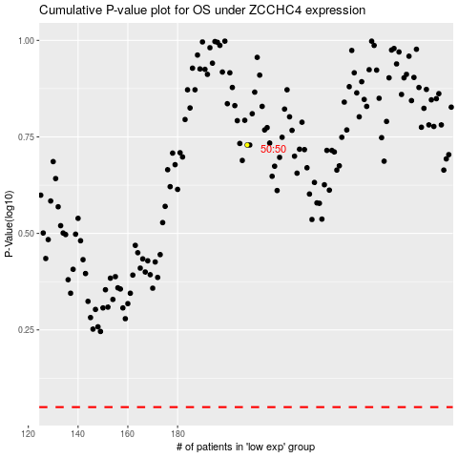

 |  |  |  |  |  | cases_OS | p_OS | rank | exp
 |  |  |  |  |  |  | cases_RFS | p_RFS | rank | exp

