ZCCHC5 _multivariate
Reported by Tex Li-Hsing Chi. tex@gate.sinica.edu.tw 2019-08-14

Table 2. The clinicopathological features of HNSCC cohort and ZCCHC5 expression. (Chi square test)
Cutoff at -0.287 (49.8%)
 |  | ZCCHC5 expression |  | ZCCHC5 expression |  | (Optimised)
 | Features | Low | (%) | High | (%) | Case no | P-value | Remark | Matthews
Gender | Female | 158 | 38.1 | 148 | 35.7 | 415 | 0.2774 | 0 | 0
2 | Male | 49 | 11.8 | 60 | 14.5
Age at diagnosis | <=65y | 139 | 33.5 | 135 | 32.5 | 415 | 0.7044 | 0 | 0
4 | >65y | 68 | 16.4 | 73 | 17.6
Clinical T Status | T1+T2 | 72 | 17.3 | 77 | 18.6 | 415 | 0.7095 | 0 | 0
6 | T3+T4 | 135 | 32.5 | 131 | 31.6
Clinical N Status | N0 | 106 | 25.5 | 110 | 26.5 | 415 | 0.8075 | 0 | 0
8 | N1-3 | 101 | 24.3 | 98 | 23.6
Clinical M Status | M0 | 204 | 49.2 | 208 | 50.1 | 415 | 0.1232 | 0 | 0
10 | M1 | 3 | 0.7 | 0 | 0
Clinical Stage | Stage I+II | 44 | 10.6 | 58 | 14 | 415 | 0.1459 | 0 | 0
12 | Stage III+IV | 163 | 39.3 | 150 | 36.1
Surgical Margin status | Negative | 158 | 38.1 | 160 | 38.6 | 415 | 0.9081 | 0 | 0
14 | Positive | 49 | 11.8 | 48 | 11.6
Tobacco Exposure | Low | 86 | 20.7 | 75 | 18.1 | 415 | 0.2687 | 0 | 0
16 | High | 121 | 29.2 | 133 | 32

Table 3. Univariate/Multivariate Cox's proportional hazards regression analyses on OS time of ZCCHC5 gene expression in HNSCC

 |  | Univariate |  |  |  | Multivariate
 | Features | HR | CI95%(L) | CI95%(H) | P-value | HR | CI95%(L) | CI95%(H) | P-value
1 | Female | 1 |  |  |  | 1
Gender | Male | 1.157 | 0.843 | 1.587 | 0.367 | 1.213 | 0.867 | 1.697 | 0.26
11 | <=65y | 1 |  |  |  | 1
Age at diagnosis | >65y | 1.329 | 0.99 | 1.784 | 0.058 | 1.389 | 1.022 | 1.888 | 0.036
12 | T1+T2 | 1 |  |  |  | 1
Clinical T Status | T3+T4 | 1.409 | 1.028 | 1.931 | 0.033 | 2.236 | 1.181 | 4.233 | 0.013
13 | N0 | 1 |  |  |  | 1
Clinical N Status | N1-3 | 1.185 | 0.89 | 1.577 | 0.246 | 1.245 | 0.872 | 1.777 | 0.227
14 | M0 | 1 |  |  |  | 1
Clinical M Status | M1 | 4.097 | 1.009 | 16.644 | 0.049 | 9.055 | 1.969 | 41.635 | 0.005
15 | Stage I+II | 1 |  |  |  | 1
Clinical Stage | Stage III+IV | 1.245 | 0.882 | 1.759 | 0.213 | 0.489 | 0.227 | 1.054 | 0.068
16 | Negative | 1 |  |  |  | 1
Surgical Margin status | Positive | 1.591 | 1.155 | 2.191 | 0.004 | 1.675 | 1.212 | 2.315 | 0.002
17 | Low | 1 |  |  |  | 1
Tobacco Exposure | High | 1.364 | 1.008 | 1.844 | 0.044 | 1.467 | 1.063 | 2.025 | 0.02
18 | Low | 1 |  |  |  | 1
RNAseq(z-score) | High | 0.925 | 0.694 | 1.233 | 0.595 | 0.892 | 0.665 | 1.195 | 0.444

Table 4. Univariate/Multivariate Cox's proportional hazards regression analyses on RFS time of ZCCHC5 gene expression in HNSCC

 |  | Univariate |  |  |  | Multivariate
 | Features | HR | CI95%(L) | CI95%(H) | P-value | HR | CI95%(L) | CI95%(H) | P-value
1 | Female | 1 |  |  |  | 1
Gender | Male | 1.157 | 0.843 | 1.587 | 0.367 | 1.213 | 0.867 | 1.697 | 0.26
11 | <=65y | 1 |  |  |  | 1
Age at diagnosis | >65y | 1.329 | 0.99 | 1.784 | 0.058 | 1.389 | 1.022 | 1.888 | 0.036
12 | T1+T2 | 1 |  |  |  | 1
Clinical T Status | T3+T4 | 1.409 | 1.028 | 1.931 | 0.033 | 2.236 | 1.181 | 4.233 | 0.013
13 | N0 | 1 |  |  |  | 1
Clinical N Status | N1-3 | 1.185 | 0.89 | 1.577 | 0.246 | 1.245 | 0.872 | 1.777 | 0.227
14 | M0 | 1 |  |  |  | 1
Clinical M Status | M1 | 4.097 | 1.009 | 16.644 | 0.049 | 9.055 | 1.969 | 41.635 | 0.005
15 | Stage I+II | 1 |  |  |  | 1
Clinical Stage | Stage III+IV | 1.245 | 0.882 | 1.759 | 0.213 | 0.489 | 0.227 | 1.054 | 0.068
16 | Negative | 1 |  |  |  | 1
Surgical Margin status | Positive | 1.591 | 1.155 | 2.191 | 0.004 | 1.675 | 1.212 | 2.315 | 0.002
17 | Low | 1 |  |  |  | 1
Tobacco Exposure | High | 1.364 | 1.008 | 1.844 | 0.044 | 1.467 | 1.063 | 2.025 | 0.02
18 | Low | 1 |  |  |  | 1
RNAseq(z-score) | High | 0.925 | 0.694 | 1.233 | 0.595 | 0.892 | 0.665 | 1.195 | 0.444

Kaplan-Meier survival estimate: Cutoff at -0.287 (49.8%)



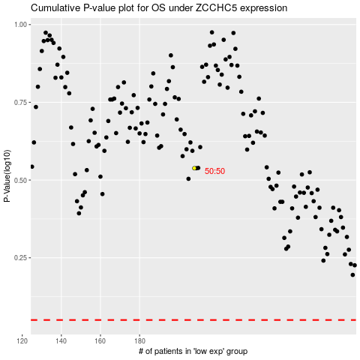

 |  |  |  |  |  | cases_OS | p_OS | rank | exp
 |  |  |  |  |  |  | cases_RFS | p_RFS | rank | exp

