ZCCHC6 _multivariate
Reported by Tex Li-Hsing Chi. tex@gate.sinica.edu.tw 2019-08-14

Table 2. The clinicopathological features of HNSCC cohort and ZCCHC6 expression. (Chi square test)
Cutoff at -0.19 (50.0%)
 |  | ZCCHC6 expression |  | ZCCHC6 expression |  | (Optimised)
 | Features | Low | (%) | High | (%) | Case no | P-value | Remark | Matthews
Gender | Female | 161 | 38.8 | 145 | 34.9 | 415 | 0.0792 | 0 | 0
2 | Male | 46 | 11.1 | 63 | 15.2
Age at diagnosis | <=65y | 150 | 36.1 | 124 | 29.9 | 415 | 0.0078 | 1 | 0
4 | >65y | 57 | 13.7 | 84 | 20.2
Clinical T Status | T1+T2 | 76 | 18.3 | 73 | 17.6 | 415 | 0.8092 | 0 | 0
6 | T3+T4 | 131 | 31.6 | 135 | 32.5
Clinical N Status | N0 | 104 | 25.1 | 112 | 27 | 415 | 0.5243 | 0 | 0
8 | N1-3 | 103 | 24.8 | 96 | 23.1
Clinical M Status | M0 | 205 | 49.4 | 207 | 49.9 | 415 | 0.6232 | 0 | 0
10 | M1 | 2 | 0.5 | 1 | 0.2
Clinical Stage | Stage I+II | 47 | 11.3 | 55 | 13.3 | 415 | 0.4413 | 0 | 0
12 | Stage III+IV | 160 | 38.6 | 153 | 36.9
Surgical Margin status | Negative | 154 | 37.1 | 164 | 39.5 | 415 | 0.2984 | 0 | 0
14 | Positive | 53 | 12.8 | 44 | 10.6
Tobacco Exposure | Low | 72 | 17.3 | 89 | 21.4 | 415 | 0.1071 | 0 | 0
16 | High | 135 | 32.5 | 119 | 28.7

Table 3. Univariate/Multivariate Cox's proportional hazards regression analyses on OS time of ZCCHC6 gene expression in HNSCC

 |  | Univariate |  |  |  | Multivariate
 | Features | HR | CI95%(L) | CI95%(H) | P-value | HR | CI95%(L) | CI95%(H) | P-value
1 | Female | 1 |  |  |  | 1
Gender | Male | 1.157 | 0.843 | 1.587 | 0.367 | 1.216 | 0.872 | 1.696 | 0.25
11 | <=65y | 1 |  |  |  | 1
Age at diagnosis | >65y | 1.329 | 0.99 | 1.784 | 0.058 | 1.33 | 0.975 | 1.814 | 0.072
12 | T1+T2 | 1 |  |  |  | 1
Clinical T Status | T3+T4 | 1.409 | 1.028 | 1.931 | 0.033 | 2.185 | 1.156 | 4.13 | 0.016
13 | N0 | 1 |  |  |  | 1
Clinical N Status | N1-3 | 1.185 | 0.89 | 1.577 | 0.246 | 1.263 | 0.885 | 1.801 | 0.198
14 | M0 | 1 |  |  |  | 1
Clinical M Status | M1 | 4.097 | 1.009 | 16.644 | 0.049 | 10.147 | 2.208 | 46.623 | 0.003
15 | Stage I+II | 1 |  |  |  | 1
Clinical Stage | Stage III+IV | 1.245 | 0.882 | 1.759 | 0.213 | 0.512 | 0.238 | 1.1 | 0.086
16 | Negative | 1 |  |  |  | 1
Surgical Margin status | Positive | 1.591 | 1.155 | 2.191 | 0.004 | 1.707 | 1.234 | 2.362 | 0.001
17 | Low | 1 |  |  |  | 1
Tobacco Exposure | High | 1.364 | 1.008 | 1.844 | 0.044 | 1.541 | 1.112 | 2.135 | 0.009
18 | Low | 1 |  |  |  | 1
RNAseq(z-score) | High | 1.249 | 0.937 | 1.665 | 0.13 | 1.351 | 0.999 | 1.828 | 0.051

Table 4. Univariate/Multivariate Cox's proportional hazards regression analyses on RFS time of ZCCHC6 gene expression in HNSCC

 |  | Univariate |  |  |  | Multivariate
 | Features | HR | CI95%(L) | CI95%(H) | P-value | HR | CI95%(L) | CI95%(H) | P-value
1 | Female | 1 |  |  |  | 1
Gender | Male | 1.157 | 0.843 | 1.587 | 0.367 | 1.216 | 0.872 | 1.696 | 0.25
11 | <=65y | 1 |  |  |  | 1
Age at diagnosis | >65y | 1.329 | 0.99 | 1.784 | 0.058 | 1.33 | 0.975 | 1.814 | 0.072
12 | T1+T2 | 1 |  |  |  | 1
Clinical T Status | T3+T4 | 1.409 | 1.028 | 1.931 | 0.033 | 2.185 | 1.156 | 4.13 | 0.016
13 | N0 | 1 |  |  |  | 1
Clinical N Status | N1-3 | 1.185 | 0.89 | 1.577 | 0.246 | 1.263 | 0.885 | 1.801 | 0.198
14 | M0 | 1 |  |  |  | 1
Clinical M Status | M1 | 4.097 | 1.009 | 16.644 | 0.049 | 10.147 | 2.208 | 46.623 | 0.003
15 | Stage I+II | 1 |  |  |  | 1
Clinical Stage | Stage III+IV | 1.245 | 0.882 | 1.759 | 0.213 | 0.512 | 0.238 | 1.1 | 0.086
16 | Negative | 1 |  |  |  | 1
Surgical Margin status | Positive | 1.591 | 1.155 | 2.191 | 0.004 | 1.707 | 1.234 | 2.362 | 0.001
17 | Low | 1 |  |  |  | 1
Tobacco Exposure | High | 1.364 | 1.008 | 1.844 | 0.044 | 1.541 | 1.112 | 2.135 | 0.009
18 | Low | 1 |  |  |  | 1
RNAseq(z-score) | High | 1.249 | 0.937 | 1.665 | 0.13 | 1.351 | 0.999 | 1.828 | 0.051

Kaplan-Meier survival estimate: Cutoff at -0.19 (50.0%)



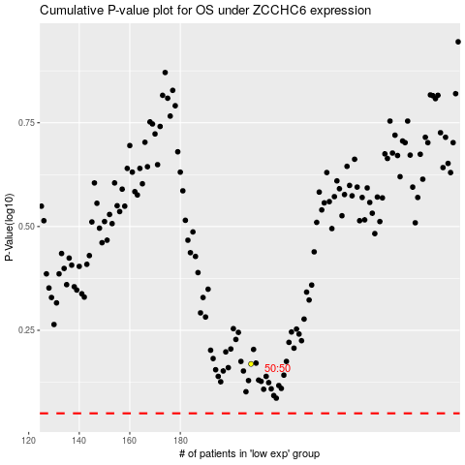

 |  |  |  |  |  | cases_OS | p_OS | rank | exp
 |  |  |  |  |  |  | cases_RFS | p_RFS | rank | exp

