ZCCHC7 _multivariate
Reported by Tex Li-Hsing Chi. tex@gate.sinica.edu.tw 2019-08-14

Table 2. The clinicopathological features of HNSCC cohort and ZCCHC7 expression. (Chi square test)
Cutoff at -0.22 (50.0%)
 |  | ZCCHC7 expression |  | ZCCHC7 expression |  | (Optimised)
 | Features | Low | (%) | High | (%) | Case no | P-value | Remark | Matthews
Gender | Female | 158 | 38.1 | 148 | 35.7 | 415 | 0.2774 | 0 | 0
2 | Male | 49 | 11.8 | 60 | 14.5
Age at diagnosis | <=65y | 141 | 34 | 133 | 32 | 415 | 0.4272 | 0 | 0
4 | >65y | 66 | 15.9 | 75 | 18.1
Clinical T Status | T1+T2 | 68 | 16.4 | 81 | 19.5 | 415 | 0.2336 | 0 | 0
6 | T3+T4 | 139 | 33.5 | 127 | 30.6
Clinical N Status | N0 | 110 | 26.5 | 106 | 25.5 | 415 | 0.7294 | 0 | 0
8 | N1-3 | 97 | 23.4 | 102 | 24.6
Clinical M Status | M0 | 207 | 49.9 | 205 | 49.4 | 415 | 0.2482 | 0 | 0
10 | M1 | 0 | 0 | 3 | 0.7
Clinical Stage | Stage I+II | 50 | 12 | 52 | 12.5 | 415 | 0.9315 | 0 | 0
12 | Stage III+IV | 157 | 37.8 | 156 | 37.6
Surgical Margin status | Negative | 164 | 39.5 | 154 | 37.1 | 415 | 0.2462 | 0 | 0
14 | Positive | 43 | 10.4 | 54 | 13
Tobacco Exposure | Low | 72 | 17.3 | 89 | 21.4 | 415 | 0.1071 | 0 | 0
16 | High | 135 | 32.5 | 119 | 28.7

Table 3. Univariate/Multivariate Cox's proportional hazards regression analyses on OS time of ZCCHC7 gene expression in HNSCC

 |  | Univariate |  |  |  | Multivariate
 | Features | HR | CI95%(L) | CI95%(H) | P-value | HR | CI95%(L) | CI95%(H) | P-value
1 | Female | 1 |  |  |  | 1
Gender | Male | 1.157 | 0.843 | 1.587 | 0.367 | 1.195 | 0.854 | 1.673 | 0.298
11 | <=65y | 1 |  |  |  | 1
Age at diagnosis | >65y | 1.329 | 0.99 | 1.784 | 0.058 | 1.393 | 1.024 | 1.894 | 0.034
12 | T1+T2 | 1 |  |  |  | 1
Clinical T Status | T3+T4 | 1.409 | 1.028 | 1.931 | 0.033 | 2.209 | 1.168 | 4.178 | 0.015
13 | N0 | 1 |  |  |  | 1
Clinical N Status | N1-3 | 1.185 | 0.89 | 1.577 | 0.246 | 1.238 | 0.867 | 1.766 | 0.24
14 | M0 | 1 |  |  |  | 1
Clinical M Status | M1 | 4.097 | 1.009 | 16.644 | 0.049 | 9.21 | 1.997 | 42.481 | 0.004
15 | Stage I+II | 1 |  |  |  | 1
Clinical Stage | Stage III+IV | 1.245 | 0.882 | 1.759 | 0.213 | 0.506 | 0.236 | 1.087 | 0.081
16 | Negative | 1 |  |  |  | 1
Surgical Margin status | Positive | 1.591 | 1.155 | 2.191 | 0.004 | 1.662 | 1.201 | 2.302 | 0.002
17 | Low | 1 |  |  |  | 1
Tobacco Exposure | High | 1.364 | 1.008 | 1.844 | 0.044 | 1.459 | 1.058 | 2.014 | 0.021
18 | Low | 1 |  |  |  | 1
RNAseq(z-score) | High | 1.071 | 0.803 | 1.427 | 0.641 | 1.046 | 0.777 | 1.408 | 0.767

Table 4. Univariate/Multivariate Cox's proportional hazards regression analyses on RFS time of ZCCHC7 gene expression in HNSCC

 |  | Univariate |  |  |  | Multivariate
 | Features | HR | CI95%(L) | CI95%(H) | P-value | HR | CI95%(L) | CI95%(H) | P-value
1 | Female | 1 |  |  |  | 1
Gender | Male | 1.157 | 0.843 | 1.587 | 0.367 | 1.195 | 0.854 | 1.673 | 0.298
11 | <=65y | 1 |  |  |  | 1
Age at diagnosis | >65y | 1.329 | 0.99 | 1.784 | 0.058 | 1.393 | 1.024 | 1.894 | 0.034
12 | T1+T2 | 1 |  |  |  | 1
Clinical T Status | T3+T4 | 1.409 | 1.028 | 1.931 | 0.033 | 2.209 | 1.168 | 4.178 | 0.015
13 | N0 | 1 |  |  |  | 1
Clinical N Status | N1-3 | 1.185 | 0.89 | 1.577 | 0.246 | 1.238 | 0.867 | 1.766 | 0.24
14 | M0 | 1 |  |  |  | 1
Clinical M Status | M1 | 4.097 | 1.009 | 16.644 | 0.049 | 9.21 | 1.997 | 42.481 | 0.004
15 | Stage I+II | 1 |  |  |  | 1
Clinical Stage | Stage III+IV | 1.245 | 0.882 | 1.759 | 0.213 | 0.506 | 0.236 | 1.087 | 0.081
16 | Negative | 1 |  |  |  | 1
Surgical Margin status | Positive | 1.591 | 1.155 | 2.191 | 0.004 | 1.662 | 1.201 | 2.302 | 0.002
17 | Low | 1 |  |  |  | 1
Tobacco Exposure | High | 1.364 | 1.008 | 1.844 | 0.044 | 1.459 | 1.058 | 2.014 | 0.021
18 | Low | 1 |  |  |  | 1
RNAseq(z-score) | High | 1.071 | 0.803 | 1.427 | 0.641 | 1.046 | 0.777 | 1.408 | 0.767

Kaplan-Meier survival estimate: Cutoff at -0.22 (50.0%)

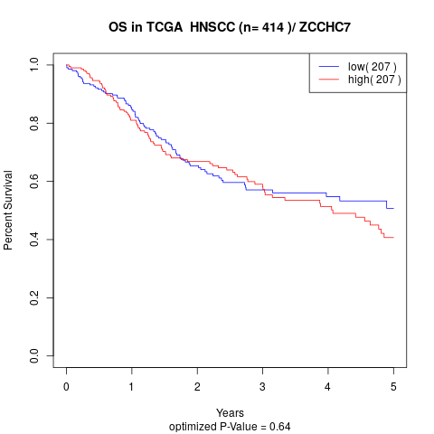

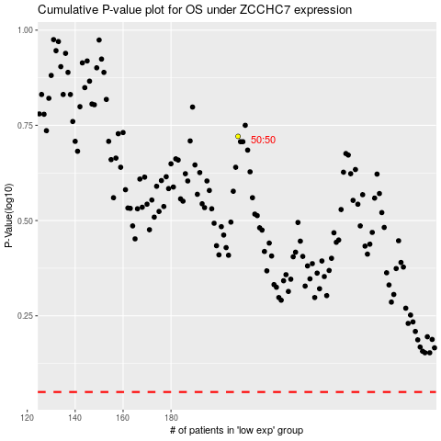

 |  |  |  |  |  | cases_OS | p_OS | rank | exp
 |  |  |  |  |  |  | cases_RFS | p_RFS | rank | exp

