ZCCHC8 _multivariate
Reported by Tex Li-Hsing Chi. tex@gate.sinica.edu.tw 2019-08-14

Table 2. The clinicopathological features of HNSCC cohort and ZCCHC8 expression. (Chi square test)
Cutoff at -0.089 (50.0%)
 |  | ZCCHC8 expression |  | ZCCHC8 expression |  | (Optimised)
 | Features | Low | (%) | High | (%) | Case no | P-value | Remark | Matthews
Gender | Female | 154 | 37.1 | 152 | 36.6 | 415 | 0.8463 | 0 | 0
2 | Male | 53 | 12.8 | 56 | 13.5
Age at diagnosis | <=65y | 143 | 34.5 | 131 | 31.6 | 415 | 0.2269 | 0 | 0
4 | >65y | 64 | 15.4 | 77 | 18.6
Clinical T Status | T1+T2 | 74 | 17.8 | 75 | 18.1 | 415 | 1 | 0 | 0
6 | T3+T4 | 133 | 32 | 133 | 32
Clinical N Status | N0 | 100 | 24.1 | 116 | 28 | 415 | 0.1548 | 0 | 0
8 | N1-3 | 107 | 25.8 | 92 | 22.2
Clinical M Status | M0 | 206 | 49.6 | 206 | 49.6 | 415 | 1 | 0 | 0
10 | M1 | 1 | 0.2 | 2 | 0.5
Clinical Stage | Stage I+II | 48 | 11.6 | 54 | 13 | 415 | 0.5878 | 0 | 0
12 | Stage III+IV | 159 | 38.3 | 154 | 37.1
Surgical Margin status | Negative | 161 | 38.8 | 157 | 37.8 | 415 | 0.6429 | 0 | 0
14 | Positive | 46 | 11.1 | 51 | 12.3
Tobacco Exposure | Low | 79 | 19 | 82 | 19.8 | 415 | 0.8405 | 0 | 0
16 | High | 128 | 30.8 | 126 | 30.4

Table 3. Univariate/Multivariate Cox's proportional hazards regression analyses on OS time of ZCCHC8 gene expression in HNSCC

 |  | Univariate |  |  |  | Multivariate
 | Features | HR | CI95%(L) | CI95%(H) | P-value | HR | CI95%(L) | CI95%(H) | P-value
1 | Female | 1 |  |  |  | 1
Gender | Male | 1.157 | 0.843 | 1.587 | 0.367 | 1.191 | 0.852 | 1.665 | 0.307
11 | <=65y | 1 |  |  |  | 1
Age at diagnosis | >65y | 1.329 | 0.99 | 1.784 | 0.058 | 1.405 | 1.033 | 1.911 | 0.03
12 | T1+T2 | 1 |  |  |  | 1
Clinical T Status | T3+T4 | 1.409 | 1.028 | 1.931 | 0.033 | 2.217 | 1.172 | 4.194 | 0.014
13 | N0 | 1 |  |  |  | 1
Clinical N Status | N1-3 | 1.185 | 0.89 | 1.577 | 0.246 | 1.234 | 0.865 | 1.761 | 0.246
14 | M0 | 1 |  |  |  | 1
Clinical M Status | M1 | 4.097 | 1.009 | 16.644 | 0.049 | 9.55 | 2.083 | 43.799 | 0.004
15 | Stage I+II | 1 |  |  |  | 1
Clinical Stage | Stage III+IV | 1.245 | 0.882 | 1.759 | 0.213 | 0.503 | 0.234 | 1.081 | 0.078
16 | Negative | 1 |  |  |  | 1
Surgical Margin status | Positive | 1.591 | 1.155 | 2.191 | 0.004 | 1.681 | 1.216 | 2.324 | 0.002
17 | Low | 1 |  |  |  | 1
Tobacco Exposure | High | 1.364 | 1.008 | 1.844 | 0.044 | 1.442 | 1.046 | 1.986 | 0.025
18 | Low | 1 |  |  |  | 1
RNAseq(z-score) | High | 0.918 | 0.688 | 1.223 | 0.557 | 0.895 | 0.669 | 1.197 | 0.453

Table 4. Univariate/Multivariate Cox's proportional hazards regression analyses on RFS time of ZCCHC8 gene expression in HNSCC

 |  | Univariate |  |  |  | Multivariate
 | Features | HR | CI95%(L) | CI95%(H) | P-value | HR | CI95%(L) | CI95%(H) | P-value
1 | Female | 1 |  |  |  | 1
Gender | Male | 1.157 | 0.843 | 1.587 | 0.367 | 1.191 | 0.852 | 1.665 | 0.307
11 | <=65y | 1 |  |  |  | 1
Age at diagnosis | >65y | 1.329 | 0.99 | 1.784 | 0.058 | 1.405 | 1.033 | 1.911 | 0.03
12 | T1+T2 | 1 |  |  |  | 1
Clinical T Status | T3+T4 | 1.409 | 1.028 | 1.931 | 0.033 | 2.217 | 1.172 | 4.194 | 0.014
13 | N0 | 1 |  |  |  | 1
Clinical N Status | N1-3 | 1.185 | 0.89 | 1.577 | 0.246 | 1.234 | 0.865 | 1.761 | 0.246
14 | M0 | 1 |  |  |  | 1
Clinical M Status | M1 | 4.097 | 1.009 | 16.644 | 0.049 | 9.55 | 2.083 | 43.799 | 0.004
15 | Stage I+II | 1 |  |  |  | 1
Clinical Stage | Stage III+IV | 1.245 | 0.882 | 1.759 | 0.213 | 0.503 | 0.234 | 1.081 | 0.078
16 | Negative | 1 |  |  |  | 1
Surgical Margin status | Positive | 1.591 | 1.155 | 2.191 | 0.004 | 1.681 | 1.216 | 2.324 | 0.002
17 | Low | 1 |  |  |  | 1
Tobacco Exposure | High | 1.364 | 1.008 | 1.844 | 0.044 | 1.442 | 1.046 | 1.986 | 0.025
18 | Low | 1 |  |  |  | 1
RNAseq(z-score) | High | 0.918 | 0.688 | 1.223 | 0.557 | 0.895 | 0.669 | 1.197 | 0.453

Kaplan-Meier survival estimate: Cutoff at -0.089 (50.0%)



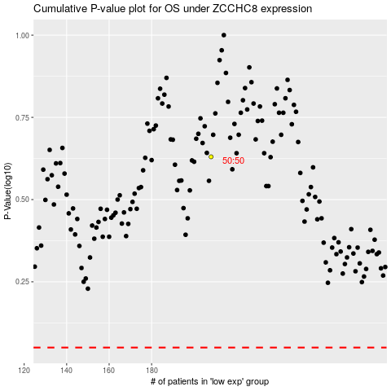

 |  |  |  |  |  | cases_OS | p_OS | rank | exp
 |  |  |  |  |  |  | cases_RFS | p_RFS | rank | exp

