ZCCHC9 _multivariate
Reported by Tex Li-Hsing Chi. tex@gate.sinica.edu.tw 2019-08-14

Table 2. The clinicopathological features of HNSCC cohort and ZCCHC9 expression. (Chi square test)
Cutoff at -0.168 (50.0%)
 |  | ZCCHC9 expression |  | ZCCHC9 expression |  | (Optimised)
 | Features | Low | (%) | High | (%) | Case no | P-value | Remark | Matthews
Gender | Female | 156 | 37.6 | 150 | 36.1 | 415 | 0.5222 | 0 | 0
2 | Male | 51 | 12.3 | 58 | 14
Age at diagnosis | <=65y | 135 | 32.5 | 139 | 33.5 | 415 | 0.8084 | 0 | 0
4 | >65y | 72 | 17.3 | 69 | 16.6
Clinical T Status | T1+T2 | 65 | 15.7 | 84 | 20.2 | 415 | 0.0711 | 0 | 0
6 | T3+T4 | 142 | 34.2 | 124 | 29.9
Clinical N Status | N0 | 118 | 28.4 | 98 | 23.6 | 415 | 0.0551 | 1 | 0
8 | N1-3 | 89 | 21.4 | 110 | 26.5
Clinical M Status | M0 | 207 | 49.9 | 205 | 49.4 | 415 | 0.2482 | 0 | 0
10 | M1 | 0 | 0 | 3 | 0.7
Clinical Stage | Stage I+II | 52 | 12.5 | 50 | 12 | 415 | 0.8871 | 0 | 0
12 | Stage III+IV | 155 | 37.3 | 158 | 38.1
Surgical Margin status | Negative | 165 | 39.8 | 153 | 36.9 | 415 | 0.1639 | 0 | 0
14 | Positive | 42 | 10.1 | 55 | 13.3
Tobacco Exposure | Low | 73 | 17.6 | 88 | 21.2 | 415 | 0.1587 | 0 | 0
16 | High | 134 | 32.3 | 120 | 28.9

Table 3. Univariate/Multivariate Cox's proportional hazards regression analyses on OS time of ZCCHC9 gene expression in HNSCC

 |  | Univariate |  |  |  | Multivariate
 | Features | HR | CI95%(L) | CI95%(H) | P-value | HR | CI95%(L) | CI95%(H) | P-value
1 | Female | 1 |  |  |  | 1
Gender | Male | 1.157 | 0.843 | 1.587 | 0.367 | 1.193 | 0.853 | 1.667 | 0.302
11 | <=65y | 1 |  |  |  | 1
Age at diagnosis | >65y | 1.329 | 0.99 | 1.784 | 0.058 | 1.394 | 1.025 | 1.895 | 0.034
12 | T1+T2 | 1 |  |  |  | 1
Clinical T Status | T3+T4 | 1.409 | 1.028 | 1.931 | 0.033 | 2.275 | 1.198 | 4.319 | 0.012
13 | N0 | 1 |  |  |  | 1
Clinical N Status | N1-3 | 1.185 | 0.89 | 1.577 | 0.246 | 1.238 | 0.868 | 1.766 | 0.239
14 | M0 | 1 |  |  |  | 1
Clinical M Status | M1 | 4.097 | 1.009 | 16.644 | 0.049 | 9.044 | 1.968 | 41.559 | 0.005
15 | Stage I+II | 1 |  |  |  | 1
Clinical Stage | Stage III+IV | 1.245 | 0.882 | 1.759 | 0.213 | 0.497 | 0.231 | 1.067 | 0.073
16 | Negative | 1 |  |  |  | 1
Surgical Margin status | Positive | 1.591 | 1.155 | 2.191 | 0.004 | 1.64 | 1.183 | 2.272 | 0.003
17 | Low | 1 |  |  |  | 1
Tobacco Exposure | High | 1.364 | 1.008 | 1.844 | 0.044 | 1.463 | 1.062 | 2.017 | 0.02
18 | Low | 1 |  |  |  | 1
RNAseq(z-score) | High | 1.114 | 0.836 | 1.485 | 0.46 | 1.136 | 0.844 | 1.528 | 0.4

Table 4. Univariate/Multivariate Cox's proportional hazards regression analyses on RFS time of ZCCHC9 gene expression in HNSCC

 |  | Univariate |  |  |  | Multivariate
 | Features | HR | CI95%(L) | CI95%(H) | P-value | HR | CI95%(L) | CI95%(H) | P-value
1 | Female | 1 |  |  |  | 1
Gender | Male | 1.157 | 0.843 | 1.587 | 0.367 | 1.193 | 0.853 | 1.667 | 0.302
11 | <=65y | 1 |  |  |  | 1
Age at diagnosis | >65y | 1.329 | 0.99 | 1.784 | 0.058 | 1.394 | 1.025 | 1.895 | 0.034
12 | T1+T2 | 1 |  |  |  | 1
Clinical T Status | T3+T4 | 1.409 | 1.028 | 1.931 | 0.033 | 2.275 | 1.198 | 4.319 | 0.012
13 | N0 | 1 |  |  |  | 1
Clinical N Status | N1-3 | 1.185 | 0.89 | 1.577 | 0.246 | 1.238 | 0.868 | 1.766 | 0.239
14 | M0 | 1 |  |  |  | 1
Clinical M Status | M1 | 4.097 | 1.009 | 16.644 | 0.049 | 9.044 | 1.968 | 41.559 | 0.005
15 | Stage I+II | 1 |  |  |  | 1
Clinical Stage | Stage III+IV | 1.245 | 0.882 | 1.759 | 0.213 | 0.497 | 0.231 | 1.067 | 0.073
16 | Negative | 1 |  |  |  | 1
Surgical Margin status | Positive | 1.591 | 1.155 | 2.191 | 0.004 | 1.64 | 1.183 | 2.272 | 0.003
17 | Low | 1 |  |  |  | 1
Tobacco Exposure | High | 1.364 | 1.008 | 1.844 | 0.044 | 1.463 | 1.062 | 2.017 | 0.02
18 | Low | 1 |  |  |  | 1
RNAseq(z-score) | High | 1.114 | 0.836 | 1.485 | 0.46 | 1.136 | 0.844 | 1.528 | 0.4

Kaplan-Meier survival estimate: Cutoff at -0.168 (50.0%)



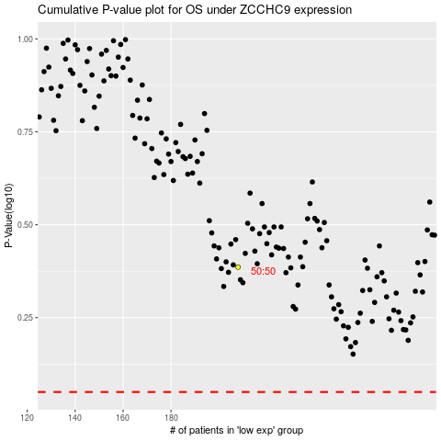

 |  |  |  |  |  | cases_OS | p_OS | rank | exp
 |  |  |  |  |  |  | cases_RFS | p_RFS | rank | exp

