ZDHHC1 _multivariate
Reported by Tex Li-Hsing Chi. tex@gate.sinica.edu.tw 2019-08-14

Table 2. The clinicopathological features of HNSCC cohort and ZDHHC1 expression. (Chi square test)
Cutoff at -0.221 (49.8%)
 |  | ZDHHC1 expression |  | ZDHHC1 expression |  | (Optimised)
 | Features | Low | (%) | High | (%) | Case no | P-value | Remark | Matthews
Gender | Female | 149 | 35.9 | 157 | 37.8 | 415 | 0.4848 | 0 | 0
2 | Male | 58 | 14 | 51 | 12.3
Age at diagnosis | <=65y | 134 | 32.3 | 140 | 33.7 | 415 | 0.6529 | 0 | 0
4 | >65y | 73 | 17.6 | 68 | 16.4
Clinical T Status | T1+T2 | 79 | 19 | 70 | 16.9 | 415 | 0.3924 | 0 | 0
6 | T3+T4 | 128 | 30.8 | 138 | 33.3
Clinical N Status | N0 | 99 | 23.9 | 117 | 28.2 | 415 | 0.1054 | 0 | 0
8 | N1-3 | 108 | 26 | 91 | 21.9
Clinical M Status | M0 | 206 | 49.6 | 206 | 49.6 | 415 | 1 | 0 | 0
10 | M1 | 1 | 0.2 | 2 | 0.5
Clinical Stage | Stage I+II | 50 | 12 | 52 | 12.5 | 415 | 0.9315 | 0 | 0
12 | Stage III+IV | 157 | 37.8 | 156 | 37.6
Surgical Margin status | Negative | 152 | 36.6 | 166 | 40 | 415 | 0.1329 | 0 | 0
14 | Positive | 55 | 13.3 | 42 | 10.1
Tobacco Exposure | Low | 87 | 21 | 74 | 17.8 | 415 | 0.1911 | 0 | 0
16 | High | 120 | 28.9 | 134 | 32.3

Table 3. Univariate/Multivariate Cox's proportional hazards regression analyses on OS time of ZDHHC1 gene expression in HNSCC

 |  | Univariate |  |  |  | Multivariate
 | Features | HR | CI95%(L) | CI95%(H) | P-value | HR | CI95%(L) | CI95%(H) | P-value
1 | Female | 1 |  |  |  | 1
Gender | Male | 1.157 | 0.843 | 1.587 | 0.367 | 1.206 | 0.863 | 1.685 | 0.274
11 | <=65y | 1 |  |  |  | 1
Age at diagnosis | >65y | 1.329 | 0.99 | 1.784 | 0.058 | 1.371 | 1.007 | 1.866 | 0.045
12 | T1+T2 | 1 |  |  |  | 1
Clinical T Status | T3+T4 | 1.409 | 1.028 | 1.931 | 0.033 | 2.346 | 1.237 | 4.451 | 0.009
13 | N0 | 1 |  |  |  | 1
Clinical N Status | N1-3 | 1.185 | 0.89 | 1.577 | 0.246 | 1.224 | 0.858 | 1.747 | 0.266
14 | M0 | 1 |  |  |  | 1
Clinical M Status | M1 | 4.097 | 1.009 | 16.644 | 0.049 | 10.881 | 2.351 | 50.357 | 0.002
15 | Stage I+II | 1 |  |  |  | 1
Clinical Stage | Stage III+IV | 1.245 | 0.882 | 1.759 | 0.213 | 0.47 | 0.218 | 1.012 | 0.054
16 | Negative | 1 |  |  |  | 1
Surgical Margin status | Positive | 1.591 | 1.155 | 2.191 | 0.004 | 1.671 | 1.209 | 2.31 | 0.002
17 | Low | 1 |  |  |  | 1
Tobacco Exposure | High | 1.364 | 1.008 | 1.844 | 0.044 | 1.524 | 1.1 | 2.112 | 0.011
18 | Low | 1 |  |  |  | 1
RNAseq(z-score) | High | 0.833 | 0.625 | 1.11 | 0.211 | 0.767 | 0.571 | 1.031 | 0.079

Table 4. Univariate/Multivariate Cox's proportional hazards regression analyses on RFS time of ZDHHC1 gene expression in HNSCC

 |  | Univariate |  |  |  | Multivariate
 | Features | HR | CI95%(L) | CI95%(H) | P-value | HR | CI95%(L) | CI95%(H) | P-value
1 | Female | 1 |  |  |  | 1
Gender | Male | 1.157 | 0.843 | 1.587 | 0.367 | 1.206 | 0.863 | 1.685 | 0.274
11 | <=65y | 1 |  |  |  | 1
Age at diagnosis | >65y | 1.329 | 0.99 | 1.784 | 0.058 | 1.371 | 1.007 | 1.866 | 0.045
12 | T1+T2 | 1 |  |  |  | 1
Clinical T Status | T3+T4 | 1.409 | 1.028 | 1.931 | 0.033 | 2.346 | 1.237 | 4.451 | 0.009
13 | N0 | 1 |  |  |  | 1
Clinical N Status | N1-3 | 1.185 | 0.89 | 1.577 | 0.246 | 1.224 | 0.858 | 1.747 | 0.266
14 | M0 | 1 |  |  |  | 1
Clinical M Status | M1 | 4.097 | 1.009 | 16.644 | 0.049 | 10.881 | 2.351 | 50.357 | 0.002
15 | Stage I+II | 1 |  |  |  | 1
Clinical Stage | Stage III+IV | 1.245 | 0.882 | 1.759 | 0.213 | 0.47 | 0.218 | 1.012 | 0.054
16 | Negative | 1 |  |  |  | 1
Surgical Margin status | Positive | 1.591 | 1.155 | 2.191 | 0.004 | 1.671 | 1.209 | 2.31 | 0.002
17 | Low | 1 |  |  |  | 1
Tobacco Exposure | High | 1.364 | 1.008 | 1.844 | 0.044 | 1.524 | 1.1 | 2.112 | 0.011
18 | Low | 1 |  |  |  | 1
RNAseq(z-score) | High | 0.833 | 0.625 | 1.11 | 0.211 | 0.767 | 0.571 | 1.031 | 0.079

Kaplan-Meier survival estimate: Cutoff at -0.221 (49.8%)



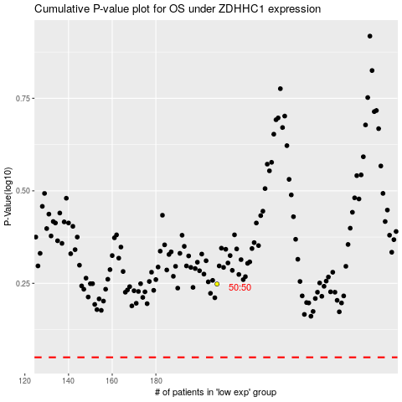

 |  |  |  |  |  | cases_OS | p_OS | rank | exp
 |  |  |  |  |  |  | cases_RFS | p_RFS | rank | exp

