ZDHHC11 _multivariate
Reported by Tex Li-Hsing Chi. tex@gate.sinica.edu.tw 2019-08-14

Table 2. The clinicopathological features of HNSCC cohort and ZDHHC11 expression. (Chi square test)
Cutoff at -0.373 (49.8%)
 |  | ZDHHC11 expression |  | ZDHHC11 expression |  | (Optimised)
 | Features | Low | (%) | High | (%) | Case no | P-value | Remark | Matthews
Gender | Female | 138 | 33.3 | 168 | 40.5 | 415 | 0.0016 | 1 | 0
2 | Male | 69 | 16.6 | 40 | 9.6
Age at diagnosis | <=65y | 132 | 31.8 | 142 | 34.2 | 415 | 0.3874 | 0 | 0
4 | >65y | 75 | 18.1 | 66 | 15.9
Clinical T Status | T1+T2 | 77 | 18.6 | 72 | 17.3 | 415 | 0.6556 | 0 | 0
6 | T3+T4 | 130 | 31.3 | 136 | 32.8
Clinical N Status | N0 | 106 | 25.5 | 110 | 26.5 | 415 | 0.8075 | 0 | 0
8 | N1-3 | 101 | 24.3 | 98 | 23.6
Clinical M Status | M0 | 206 | 49.6 | 206 | 49.6 | 415 | 1 | 0 | 0
10 | M1 | 1 | 0.2 | 2 | 0.5
Clinical Stage | Stage I+II | 56 | 13.5 | 46 | 11.1 | 415 | 0.2918 | 0 | 0
12 | Stage III+IV | 151 | 36.4 | 162 | 39
Surgical Margin status | Negative | 155 | 37.3 | 163 | 39.3 | 415 | 0.4187 | 0 | 0
14 | Positive | 52 | 12.5 | 45 | 10.8
Tobacco Exposure | Low | 91 | 21.9 | 70 | 16.9 | 415 | 0.0346 | 1 | 0
16 | High | 116 | 28 | 138 | 33.3

Table 3. Univariate/Multivariate Cox's proportional hazards regression analyses on OS time of ZDHHC11 gene expression in HNSCC

 |  | Univariate |  |  |  | Multivariate
 | Features | HR | CI95%(L) | CI95%(H) | P-value | HR | CI95%(L) | CI95%(H) | P-value
1 | Female | 1 |  |  |  | 1
Gender | Male | 1.157 | 0.843 | 1.587 | 0.367 | 1.177 | 0.841 | 1.648 | 0.341
11 | <=65y | 1 |  |  |  | 1
Age at diagnosis | >65y | 1.329 | 0.99 | 1.784 | 0.058 | 1.408 | 1.035 | 1.917 | 0.03
12 | T1+T2 | 1 |  |  |  | 1
Clinical T Status | T3+T4 | 1.409 | 1.028 | 1.931 | 0.033 | 2.191 | 1.159 | 4.142 | 0.016
13 | N0 | 1 |  |  |  | 1
Clinical N Status | N1-3 | 1.185 | 0.89 | 1.577 | 0.246 | 1.239 | 0.868 | 1.767 | 0.238
14 | M0 | 1 |  |  |  | 1
Clinical M Status | M1 | 4.097 | 1.009 | 16.644 | 0.049 | 9.438 | 2.059 | 43.266 | 0.004
15 | Stage I+II | 1 |  |  |  | 1
Clinical Stage | Stage III+IV | 1.245 | 0.882 | 1.759 | 0.213 | 0.52 | 0.242 | 1.12 | 0.095
16 | Negative | 1 |  |  |  | 1
Surgical Margin status | Positive | 1.591 | 1.155 | 2.191 | 0.004 | 1.654 | 1.197 | 2.286 | 0.002
17 | Low | 1 |  |  |  | 1
Tobacco Exposure | High | 1.364 | 1.008 | 1.844 | 0.044 | 1.469 | 1.066 | 2.025 | 0.019
18 | Low | 1 |  |  |  | 1
RNAseq(z-score) | High | 0.883 | 0.663 | 1.177 | 0.397 | 0.866 | 0.644 | 1.164 | 0.34

Table 4. Univariate/Multivariate Cox's proportional hazards regression analyses on RFS time of ZDHHC11 gene expression in HNSCC

 |  | Univariate |  |  |  | Multivariate
 | Features | HR | CI95%(L) | CI95%(H) | P-value | HR | CI95%(L) | CI95%(H) | P-value
1 | Female | 1 |  |  |  | 1
Gender | Male | 1.157 | 0.843 | 1.587 | 0.367 | 1.177 | 0.841 | 1.648 | 0.341
11 | <=65y | 1 |  |  |  | 1
Age at diagnosis | >65y | 1.329 | 0.99 | 1.784 | 0.058 | 1.408 | 1.035 | 1.917 | 0.03
12 | T1+T2 | 1 |  |  |  | 1
Clinical T Status | T3+T4 | 1.409 | 1.028 | 1.931 | 0.033 | 2.191 | 1.159 | 4.142 | 0.016
13 | N0 | 1 |  |  |  | 1
Clinical N Status | N1-3 | 1.185 | 0.89 | 1.577 | 0.246 | 1.239 | 0.868 | 1.767 | 0.238
14 | M0 | 1 |  |  |  | 1
Clinical M Status | M1 | 4.097 | 1.009 | 16.644 | 0.049 | 9.438 | 2.059 | 43.266 | 0.004
15 | Stage I+II | 1 |  |  |  | 1
Clinical Stage | Stage III+IV | 1.245 | 0.882 | 1.759 | 0.213 | 0.52 | 0.242 | 1.12 | 0.095
16 | Negative | 1 |  |  |  | 1
Surgical Margin status | Positive | 1.591 | 1.155 | 2.191 | 0.004 | 1.654 | 1.197 | 2.286 | 0.002
17 | Low | 1 |  |  |  | 1
Tobacco Exposure | High | 1.364 | 1.008 | 1.844 | 0.044 | 1.469 | 1.066 | 2.025 | 0.019
18 | Low | 1 |  |  |  | 1
RNAseq(z-score) | High | 0.883 | 0.663 | 1.177 | 0.397 | 0.866 | 0.644 | 1.164 | 0.34

Kaplan-Meier survival estimate: Cutoff at -0.373 (49.8%)



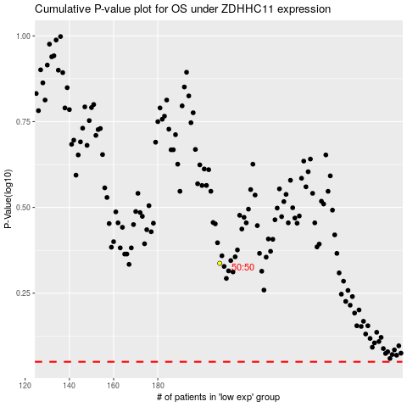

 |  |  |  |  |  | cases_OS | p_OS | rank | exp
 |  |  |  |  |  |  | cases_RFS | p_RFS | rank | exp

