ZDHHC16 _multivariate
Reported by Tex Li-Hsing Chi. tex@gate.sinica.edu.tw 2019-08-14

Table 2. The clinicopathological features of HNSCC cohort and ZDHHC16 expression. (Chi square test)
Cutoff at -0.512 (30.7%)
 |  | ZDHHC16 expression |  | ZDHHC16 expression |  | (Optimised)
 | Features | Low | (%) | High | (%) | Case no | P-value | Remark | Matthews
Gender | Female | 92 | 22.2 | 214 | 51.6 | 415 | 0.6497 | 0 | 0
2 | Male | 36 | 8.7 | 73 | 17.6
Age at diagnosis | <=65y | 86 | 20.7 | 188 | 45.3 | 415 | 0.8243 | 0 | 0
4 | >65y | 42 | 10.1 | 99 | 23.9
Clinical T Status | T1+T2 | 48 | 11.6 | 101 | 24.3 | 415 | 0.7324 | 0 | 0
6 | T3+T4 | 80 | 19.3 | 186 | 44.8
Clinical N Status | N0 | 66 | 15.9 | 150 | 36.1 | 415 | 0.9793 | 0 | 0
8 | N1-3 | 62 | 14.9 | 137 | 33
Clinical M Status | M0 | 128 | 30.8 | 284 | 68.4 | 415 | 0.5558 | 0 | 0
10 | M1 | 0 | 0 | 3 | 0.7
Clinical Stage | Stage I+II | 25 | 6 | 77 | 18.6 | 415 | 0.1412 | 0 | 0
12 | Stage III+IV | 103 | 24.8 | 210 | 50.6
Surgical Margin status | Negative | 97 | 23.4 | 221 | 53.3 | 415 | 0.8024 | 0 | 0
14 | Positive | 31 | 7.5 | 66 | 15.9
Tobacco Exposure | Low | 49 | 11.8 | 112 | 27 | 415 | 0.9135 | 0 | 0
16 | High | 79 | 19 | 175 | 42.2

Table 3. Univariate/Multivariate Cox's proportional hazards regression analyses on OS time of ZDHHC16 gene expression in HNSCC

 |  | Univariate |  |  |  | Multivariate
 | Features | HR | CI95%(L) | CI95%(H) | P-value | HR | CI95%(L) | CI95%(H) | P-value
1 | Female | 1 |  |  |  | 1
Gender | Male | 1.157 | 0.843 | 1.587 | 0.367 | 1.211 | 0.866 | 1.694 | 0.262
11 | <=65y | 1 |  |  |  | 1
Age at diagnosis | >65y | 1.329 | 0.99 | 1.784 | 0.058 | 1.378 | 1.014 | 1.873 | 0.041
12 | T1+T2 | 1 |  |  |  | 1
Clinical T Status | T3+T4 | 1.409 | 1.028 | 1.931 | 0.033 | 2.054 | 1.084 | 3.892 | 0.027
13 | N0 | 1 |  |  |  | 1
Clinical N Status | N1-3 | 1.185 | 0.89 | 1.577 | 0.246 | 1.177 | 0.823 | 1.683 | 0.373
14 | M0 | 1 |  |  |  | 1
Clinical M Status | M1 | 4.097 | 1.009 | 16.644 | 0.049 | 8.028 | 1.742 | 36.999 | 0.008
15 | Stage I+II | 1 |  |  |  | 1
Clinical Stage | Stage III+IV | 1.245 | 0.882 | 1.759 | 0.213 | 0.575 | 0.266 | 1.242 | 0.159
16 | Negative | 1 |  |  |  | 1
Surgical Margin status | Positive | 1.591 | 1.155 | 2.191 | 0.004 | 1.697 | 1.228 | 2.346 | 0.001
17 | Low | 1 |  |  |  | 1
Tobacco Exposure | High | 1.364 | 1.008 | 1.844 | 0.044 | 1.421 | 1.031 | 1.957 | 0.032
18 | Low | 1 |  |  |  | 1
RNAseq(z-score) | High | 1.553 | 1.116 | 2.162 | 0.009 | 1.488 | 1.063 | 2.082 | 0.021

Table 4. Univariate/Multivariate Cox's proportional hazards regression analyses on RFS time of ZDHHC16 gene expression in HNSCC

 |  | Univariate |  |  |  | Multivariate
 | Features | HR | CI95%(L) | CI95%(H) | P-value | HR | CI95%(L) | CI95%(H) | P-value
1 | Female | 1 |  |  |  | 1
Gender | Male | 1.157 | 0.843 | 1.587 | 0.367 | 1.211 | 0.866 | 1.694 | 0.262
11 | <=65y | 1 |  |  |  | 1
Age at diagnosis | >65y | 1.329 | 0.99 | 1.784 | 0.058 | 1.378 | 1.014 | 1.873 | 0.041
12 | T1+T2 | 1 |  |  |  | 1
Clinical T Status | T3+T4 | 1.409 | 1.028 | 1.931 | 0.033 | 2.054 | 1.084 | 3.892 | 0.027
13 | N0 | 1 |  |  |  | 1
Clinical N Status | N1-3 | 1.185 | 0.89 | 1.577 | 0.246 | 1.177 | 0.823 | 1.683 | 0.373
14 | M0 | 1 |  |  |  | 1
Clinical M Status | M1 | 4.097 | 1.009 | 16.644 | 0.049 | 8.028 | 1.742 | 36.999 | 0.008
15 | Stage I+II | 1 |  |  |  | 1
Clinical Stage | Stage III+IV | 1.245 | 0.882 | 1.759 | 0.213 | 0.575 | 0.266 | 1.242 | 0.159
16 | Negative | 1 |  |  |  | 1
Surgical Margin status | Positive | 1.591 | 1.155 | 2.191 | 0.004 | 1.697 | 1.228 | 2.346 | 0.001
17 | Low | 1 |  |  |  | 1
Tobacco Exposure | High | 1.364 | 1.008 | 1.844 | 0.044 | 1.421 | 1.031 | 1.957 | 0.032
18 | Low | 1 |  |  |  | 1
RNAseq(z-score) | High | 1.553 | 1.116 | 2.162 | 0.009 | 1.488 | 1.063 | 2.082 | 0.021

Kaplan-Meier survival estimate: Cutoff at -0.512 (30.7%)

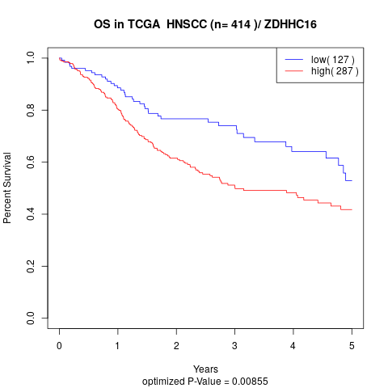

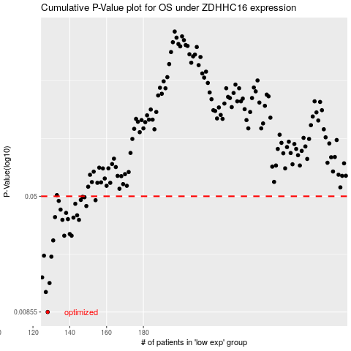

 |  |  |  |  |  | cases_OS | p_OS | rank | exp
 |  |  |  |  |  | 128 | 0.00855 | 297 | -0.51243867663
 |  |  |  |  |  | 127 | 0.0116 | 50 | -0.51360276218
 |  |  |  |  |  | 129 | 0.0133 | 217 | -0.5080658937
 |  |  |  |  |  | 125 | 0.0145 | 123 | -0.52384933813
 |  |  |  |  |  | 130 | 0.0199 | 202 | -0.50771540174
 |  |  |  |  |  | 126 | 0.0202 | 230 | -0.51799544401
 |  |  |  |  |  | 131 | 0.0255 | 78 | -0.49832538292
 |  |  |  |  |  | 137 | 0.0274 | 283 | -0.45457222777
 |  |  |  |  |  | 141 | 0.0274 | 373 | -0.44712596953
 |  |  |  |  |  | 140 | 0.0281 | 172 | -0.45248374793
 |  |  |  |  |  | 136 | 0.0349 | 105 | -0.46369813393
 |  |  |  |  |  | 145 | 0.0349 | 308 | -0.4353471784
 |  |  |  |  |  | 139 | 0.0353 | 121 | -0.45263751214
 |  |  |  |  |  | 142 | 0.0361 | 203 | -0.44601344021
 |  |  |  |  |  | 132 | 0.0364 | 191 | -0.48432062866
 |  |  |  |  |  | 144 | 0.0374 | 146 | -0.43902259539
 |  |  |  |  |  | 138 | 0.0388 | 252 | -0.45382104435
 |  |  |  |  |  | 135 | 0.0408 | 235 | -0.46836668685
 |  |  |  |  |  | 149 | 0.0431 | 204 | -0.40428590246
 |  |  |  |  |  | 143 | 0.0446 | 158 | -0.44441157888
 |  |  |  |  |  | 134 | 0.0466 | 36 | -0.47591198733
 |  |  |  |  |  | 154 | 0.0471 | 23 | -0.37632116647
 |  |  |  |  |  | 146 | 0.0473 | 280 | -0.42120087062
 |  |  |  |  |  | 148 | 0.0493 | 269 | -0.40507507468
 |  |  |  |  |  | 147 | 0.0496 | 358 | -0.40990372329
 |  |  |  |  |  |  | cases_RFS | p_RFS | rank | exp
 |  |  |  |  |  |  | 127 | 0.00855 | 50 | -0.51360276218
 |  |  |  |  |  |  | 126 | 0.0116 | 230 | -0.51799544401
 |  |  |  |  |  |  | 128 | 0.0133 | 297 | -0.51243867663
 |  |  |  |  |  |  |  | 0.0145 | 385 | -0.5241876194
 |  |  |  |  |  |  | 129 | 0.0199 | 217 | -0.5080658937
 |  |  |  |  |  |  | 125 | 0.0202 | 123 | -0.52384933813
 |  |  |  |  |  |  | 130 | 0.0255 | 202 | -0.50771540174
 |  |  |  |  |  |  | 136 | 0.0274 | 105 | -0.46369813393
 |  |  |  |  |  |  | 140 | 0.0274 | 172 | -0.45248374793
 |  |  |  |  |  |  | 139 | 0.0281 | 121 | -0.45263751214
 |  |  |  |  |  |  | 144 | 0.0349 | 146 | -0.43902259539
 |  |  |  |  |  |  | 135 | 0.0349 | 235 | -0.46836668685
 |  |  |  |  |  |  | 138 | 0.0353 | 252 | -0.45382104435
 |  |  |  |  |  |  | 141 | 0.0361 | 373 | -0.44712596953
 |  |  |  |  |  |  | 131 | 0.0364 | 78 | -0.49832538292
 |  |  |  |  |  |  | 143 | 0.0374 | 158 | -0.44441157888
 |  |  |  |  |  |  | 137 | 0.0388 | 283 | -0.45457222777
 |  |  |  |  |  |  | 134 | 0.0408 | 36 | -0.47591198733
 |  |  |  |  |  |  | 148 | 0.0431 | 269 | -0.40507507468
 |  |  |  |  |  |  | 142 | 0.0446 | 203 | -0.44601344021
 |  |  |  |  |  |  | 133 | 0.0466 | 415 | -0.47644925759
 |  |  |  |  |  |  | 153 | 0.0471 | 182 | -0.37698009135
 |  |  |  |  |  |  | 145 | 0.0473 | 308 | -0.4353471784
 |  |  |  |  |  |  | 147 | 0.0493 | 358 | -0.40990372329
 |  |  |  |  |  |  | 146 | 0.0496 | 280 | -0.42120087062

