ZDHHC17 _multivariate
Reported by Tex Li-Hsing Chi. tex@gate.sinica.edu.tw 2019-08-14

Table 2. The clinicopathological features of HNSCC cohort and ZDHHC17 expression. (Chi square test)
Cutoff at -0.083 (49.8%)
 |  | ZDHHC17 expression |  | ZDHHC17 expression |  | (Optimised)
 | Features | Low | (%) | High | (%) | Case no | P-value | Remark | Matthews
Gender | Female | 153 | 36.9 | 153 | 36.9 | 415 | 1 | 0 | 0
2 | Male | 54 | 13 | 55 | 13.3
Age at diagnosis | <=65y | 133 | 32 | 141 | 34 | 415 | 0.5111 | 0 | 0
4 | >65y | 74 | 17.8 | 67 | 16.1
Clinical T Status | T1+T2 | 66 | 15.9 | 83 | 20 | 415 | 0.1095 | 0 | 0
6 | T3+T4 | 141 | 34 | 125 | 30.1
Clinical N Status | N0 | 105 | 25.3 | 111 | 26.7 | 415 | 0.6598 | 0 | 0
8 | N1-3 | 102 | 24.6 | 97 | 23.4
Clinical M Status | M0 | 205 | 49.4 | 207 | 49.9 | 415 | 0.6232 | 0 | 0
10 | M1 | 2 | 0.5 | 1 | 0.2
Clinical Stage | Stage I+II | 43 | 10.4 | 59 | 14.2 | 415 | 0.0925 | 0 | 0
12 | Stage III+IV | 164 | 39.5 | 149 | 35.9
Surgical Margin status | Negative | 164 | 39.5 | 154 | 37.1 | 415 | 0.2462 | 0 | 0
14 | Positive | 43 | 10.4 | 54 | 13
Tobacco Exposure | Low | 80 | 19.3 | 81 | 19.5 | 415 | 1 | 0 | 0
16 | High | 127 | 30.6 | 127 | 30.6

Table 3. Univariate/Multivariate Cox's proportional hazards regression analyses on OS time of ZDHHC17 gene expression in HNSCC

 |  | Univariate |  |  |  | Multivariate
 | Features | HR | CI95%(L) | CI95%(H) | P-value | HR | CI95%(L) | CI95%(H) | P-value
1 | Female | 1 |  |  |  | 1
Gender | Male | 1.157 | 0.843 | 1.587 | 0.367 | 1.189 | 0.85 | 1.662 | 0.313
11 | <=65y | 1 |  |  |  | 1
Age at diagnosis | >65y | 1.329 | 0.99 | 1.784 | 0.058 | 1.388 | 1.022 | 1.887 | 0.036
12 | T1+T2 | 1 |  |  |  | 1
Clinical T Status | T3+T4 | 1.409 | 1.028 | 1.931 | 0.033 | 2.201 | 1.164 | 4.162 | 0.015
13 | N0 | 1 |  |  |  | 1
Clinical N Status | N1-3 | 1.185 | 0.89 | 1.577 | 0.246 | 1.253 | 0.877 | 1.788 | 0.215
14 | M0 | 1 |  |  |  | 1
Clinical M Status | M1 | 4.097 | 1.009 | 16.644 | 0.049 | 9.03 | 1.964 | 41.511 | 0.005
15 | Stage I+II | 1 |  |  |  | 1
Clinical Stage | Stage III+IV | 1.245 | 0.882 | 1.759 | 0.213 | 0.496 | 0.231 | 1.066 | 0.072
16 | Negative | 1 |  |  |  | 1
Surgical Margin status | Positive | 1.591 | 1.155 | 2.191 | 0.004 | 1.683 | 1.218 | 2.326 | 0.002
17 | Low | 1 |  |  |  | 1
Tobacco Exposure | High | 1.364 | 1.008 | 1.844 | 0.044 | 1.45 | 1.053 | 1.998 | 0.023
18 | Low | 1 |  |  |  | 1
RNAseq(z-score) | High | 0.853 | 0.64 | 1.138 | 0.28 | 0.88 | 0.658 | 1.176 | 0.387

Table 4. Univariate/Multivariate Cox's proportional hazards regression analyses on RFS time of ZDHHC17 gene expression in HNSCC

 |  | Univariate |  |  |  | Multivariate
 | Features | HR | CI95%(L) | CI95%(H) | P-value | HR | CI95%(L) | CI95%(H) | P-value
1 | Female | 1 |  |  |  | 1
Gender | Male | 1.157 | 0.843 | 1.587 | 0.367 | 1.189 | 0.85 | 1.662 | 0.313
11 | <=65y | 1 |  |  |  | 1
Age at diagnosis | >65y | 1.329 | 0.99 | 1.784 | 0.058 | 1.388 | 1.022 | 1.887 | 0.036
12 | T1+T2 | 1 |  |  |  | 1
Clinical T Status | T3+T4 | 1.409 | 1.028 | 1.931 | 0.033 | 2.201 | 1.164 | 4.162 | 0.015
13 | N0 | 1 |  |  |  | 1
Clinical N Status | N1-3 | 1.185 | 0.89 | 1.577 | 0.246 | 1.253 | 0.877 | 1.788 | 0.215
14 | M0 | 1 |  |  |  | 1
Clinical M Status | M1 | 4.097 | 1.009 | 16.644 | 0.049 | 9.03 | 1.964 | 41.511 | 0.005
15 | Stage I+II | 1 |  |  |  | 1
Clinical Stage | Stage III+IV | 1.245 | 0.882 | 1.759 | 0.213 | 0.496 | 0.231 | 1.066 | 0.072
16 | Negative | 1 |  |  |  | 1
Surgical Margin status | Positive | 1.591 | 1.155 | 2.191 | 0.004 | 1.683 | 1.218 | 2.326 | 0.002
17 | Low | 1 |  |  |  | 1
Tobacco Exposure | High | 1.364 | 1.008 | 1.844 | 0.044 | 1.45 | 1.053 | 1.998 | 0.023
18 | Low | 1 |  |  |  | 1
RNAseq(z-score) | High | 0.853 | 0.64 | 1.138 | 0.28 | 0.88 | 0.658 | 1.176 | 0.387

Kaplan-Meier survival estimate: Cutoff at -0.083 (49.8%)



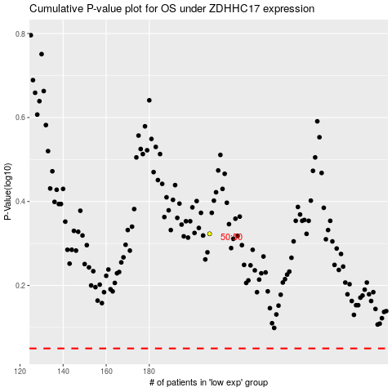

 |  |  |  |  |  | cases_OS | p_OS | rank | exp
 |  |  |  |  |  |  | cases_RFS | p_RFS | rank | exp

