ZDHHC19 _multivariate
Reported by Tex Li-Hsing Chi. tex@gate.sinica.edu.tw 2019-08-14

Table 2. The clinicopathological features of HNSCC cohort and ZDHHC19 expression. (Chi square test)
Cutoff at -0.177 (49.8%)
 |  | ZDHHC19 expression |  | ZDHHC19 expression |  | (Optimised)
 | Features | Low | (%) | High | (%) | Case no | P-value | Remark | Matthews
Gender | Female | 149 | 35.9 | 157 | 37.8 | 415 | 0.4848 | 0 | 0
2 | Male | 58 | 14 | 51 | 12.3
Age at diagnosis | <=65y | 140 | 33.7 | 134 | 32.3 | 415 | 0.5574 | 0 | 0
4 | >65y | 67 | 16.1 | 74 | 17.8
Clinical T Status | T1+T2 | 85 | 20.5 | 64 | 15.4 | 415 | 0.0372 | 1 | 0
6 | T3+T4 | 122 | 29.4 | 144 | 34.7
Clinical N Status | N0 | 104 | 25.1 | 112 | 27 | 415 | 0.5243 | 0 | 0
8 | N1-3 | 103 | 24.8 | 96 | 23.1
Clinical M Status | M0 | 205 | 49.4 | 207 | 49.9 | 415 | 0.6232 | 0 | 0
10 | M1 | 2 | 0.5 | 1 | 0.2
Clinical Stage | Stage I+II | 55 | 13.3 | 47 | 11.3 | 415 | 0.4087 | 0 | 0
12 | Stage III+IV | 152 | 36.6 | 161 | 38.8
Surgical Margin status | Negative | 157 | 37.8 | 161 | 38.8 | 415 | 0.729 | 0 | 0
14 | Positive | 50 | 12 | 47 | 11.3
Tobacco Exposure | Low | 99 | 23.9 | 62 | 14.9 | 415 | 2e-04 | 1 | 0
16 | High | 108 | 26 | 146 | 35.2

Table 3. Univariate/Multivariate Cox's proportional hazards regression analyses on OS time of ZDHHC19 gene expression in HNSCC

 |  | Univariate |  |  |  | Multivariate
 | Features | HR | CI95%(L) | CI95%(H) | P-value | HR | CI95%(L) | CI95%(H) | P-value
1 | Female | 1 |  |  |  | 1
Gender | Male | 1.157 | 0.843 | 1.587 | 0.367 | 1.204 | 0.862 | 1.682 | 0.277
11 | <=65y | 1 |  |  |  | 1
Age at diagnosis | >65y | 1.329 | 0.99 | 1.784 | 0.058 | 1.418 | 1.041 | 1.933 | 0.027
12 | T1+T2 | 1 |  |  |  | 1
Clinical T Status | T3+T4 | 1.409 | 1.028 | 1.931 | 0.033 | 2.279 | 1.201 | 4.322 | 0.012
13 | N0 | 1 |  |  |  | 1
Clinical N Status | N1-3 | 1.185 | 0.89 | 1.577 | 0.246 | 1.22 | 0.854 | 1.743 | 0.275
14 | M0 | 1 |  |  |  | 1
Clinical M Status | M1 | 4.097 | 1.009 | 16.644 | 0.049 | 9.609 | 2.095 | 44.081 | 0.004
15 | Stage I+II | 1 |  |  |  | 1
Clinical Stage | Stage III+IV | 1.245 | 0.882 | 1.759 | 0.213 | 0.494 | 0.23 | 1.062 | 0.071
16 | Negative | 1 |  |  |  | 1
Surgical Margin status | Positive | 1.591 | 1.155 | 2.191 | 0.004 | 1.685 | 1.219 | 2.328 | 0.002
17 | Low | 1 |  |  |  | 1
Tobacco Exposure | High | 1.364 | 1.008 | 1.844 | 0.044 | 1.525 | 1.094 | 2.127 | 0.013
18 | Low | 1 |  |  |  | 1
RNAseq(z-score) | High | 0.977 | 0.734 | 1.301 | 0.875 | 0.846 | 0.626 | 1.144 | 0.278

Table 4. Univariate/Multivariate Cox's proportional hazards regression analyses on RFS time of ZDHHC19 gene expression in HNSCC

 |  | Univariate |  |  |  | Multivariate
 | Features | HR | CI95%(L) | CI95%(H) | P-value | HR | CI95%(L) | CI95%(H) | P-value
1 | Female | 1 |  |  |  | 1
Gender | Male | 1.157 | 0.843 | 1.587 | 0.367 | 1.204 | 0.862 | 1.682 | 0.277
11 | <=65y | 1 |  |  |  | 1
Age at diagnosis | >65y | 1.329 | 0.99 | 1.784 | 0.058 | 1.418 | 1.041 | 1.933 | 0.027
12 | T1+T2 | 1 |  |  |  | 1
Clinical T Status | T3+T4 | 1.409 | 1.028 | 1.931 | 0.033 | 2.279 | 1.201 | 4.322 | 0.012
13 | N0 | 1 |  |  |  | 1
Clinical N Status | N1-3 | 1.185 | 0.89 | 1.577 | 0.246 | 1.22 | 0.854 | 1.743 | 0.275
14 | M0 | 1 |  |  |  | 1
Clinical M Status | M1 | 4.097 | 1.009 | 16.644 | 0.049 | 9.609 | 2.095 | 44.081 | 0.004
15 | Stage I+II | 1 |  |  |  | 1
Clinical Stage | Stage III+IV | 1.245 | 0.882 | 1.759 | 0.213 | 0.494 | 0.23 | 1.062 | 0.071
16 | Negative | 1 |  |  |  | 1
Surgical Margin status | Positive | 1.591 | 1.155 | 2.191 | 0.004 | 1.685 | 1.219 | 2.328 | 0.002
17 | Low | 1 |  |  |  | 1
Tobacco Exposure | High | 1.364 | 1.008 | 1.844 | 0.044 | 1.525 | 1.094 | 2.127 | 0.013
18 | Low | 1 |  |  |  | 1
RNAseq(z-score) | High | 0.977 | 0.734 | 1.301 | 0.875 | 0.846 | 0.626 | 1.144 | 0.278

Kaplan-Meier survival estimate: Cutoff at -0.177 (49.8%)



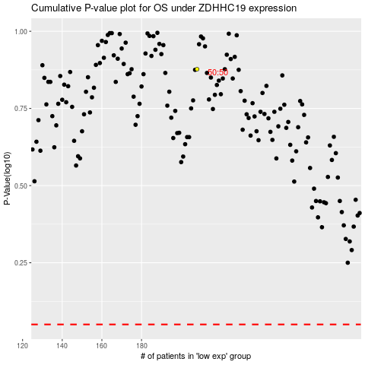

 |  |  |  |  |  | cases_OS | p_OS | rank | exp
 |  |  |  |  |  |  | cases_RFS | p_RFS | rank | exp

