ZDHHC21 _multivariate
Reported by Tex Li-Hsing Chi. tex@gate.sinica.edu.tw 2019-08-14

Table 2. The clinicopathological features of HNSCC cohort and ZDHHC21 expression. (Chi square test)
Cutoff at -0.059 (66.2%)
 |  | ZDHHC21 expression |  | ZDHHC21 expression |  | (Optimised)
 | Features | Low | (%) | High | (%) | Case no | P-value | Remark | Matthews
Gender | Female | 210 | 50.6 | 96 | 23.1 | 415 | 0.1124 | 0 | 0
2 | Male | 65 | 15.7 | 44 | 10.6
Age at diagnosis | <=65y | 190 | 45.8 | 84 | 20.2 | 415 | 0.082 | 0 | 0
4 | >65y | 85 | 20.5 | 56 | 13.5
Clinical T Status | T1+T2 | 101 | 24.3 | 48 | 11.6 | 415 | 0.7025 | 0 | 0
6 | T3+T4 | 174 | 41.9 | 92 | 22.2
Clinical N Status | N0 | 137 | 33 | 79 | 19 | 415 | 0.2418 | 0 | 0
8 | N1-3 | 138 | 33.3 | 61 | 14.7
Clinical M Status | M0 | 272 | 65.5 | 140 | 33.7 | 415 | 0.554 | 0 | 0
10 | M1 | 3 | 0.7 | 0 | 0
Clinical Stage | Stage I+II | 69 | 16.6 | 33 | 8 | 415 | 0.8264 | 0 | 0
12 | Stage III+IV | 206 | 49.6 | 107 | 25.8
Surgical Margin status | Negative | 208 | 50.1 | 110 | 26.5 | 415 | 0.5413 | 0 | 0
14 | Positive | 67 | 16.1 | 30 | 7.2
Tobacco Exposure | Low | 101 | 24.3 | 60 | 14.5 | 415 | 0.2421 | 0 | 0
16 | High | 174 | 41.9 | 80 | 19.3

Table 3. Univariate/Multivariate Cox's proportional hazards regression analyses on OS time of ZDHHC21 gene expression in HNSCC

 |  | Univariate |  |  |  | Multivariate
 | Features | HR | CI95%(L) | CI95%(H) | P-value | HR | CI95%(L) | CI95%(H) | P-value
1 | Female | 1 |  |  |  | 1
Gender | Male | 1.157 | 0.843 | 1.587 | 0.367 | 1.2 | 0.858 | 1.679 | 0.286
11 | <=65y | 1 |  |  |  | 1
Age at diagnosis | >65y | 1.329 | 0.99 | 1.784 | 0.058 | 1.407 | 1.035 | 1.913 | 0.029
12 | T1+T2 | 1 |  |  |  | 1
Clinical T Status | T3+T4 | 1.409 | 1.028 | 1.931 | 0.033 | 2.136 | 1.129 | 4.04 | 0.02
13 | N0 | 1 |  |  |  | 1
Clinical N Status | N1-3 | 1.185 | 0.89 | 1.577 | 0.246 | 1.209 | 0.846 | 1.728 | 0.297
14 | M0 | 1 |  |  |  | 1
Clinical M Status | M1 | 4.097 | 1.009 | 16.644 | 0.049 | 8.584 | 1.864 | 39.532 | 0.006
15 | Stage I+II | 1 |  |  |  | 1
Clinical Stage | Stage III+IV | 1.245 | 0.882 | 1.759 | 0.213 | 0.528 | 0.246 | 1.135 | 0.102
16 | Negative | 1 |  |  |  | 1
Surgical Margin status | Positive | 1.591 | 1.155 | 2.191 | 0.004 | 1.624 | 1.173 | 2.248 | 0.003
17 | Low | 1 |  |  |  | 1
Tobacco Exposure | High | 1.364 | 1.008 | 1.844 | 0.044 | 1.429 | 1.036 | 1.971 | 0.03
18 | Low | 1 |  |  |  | 1
RNAseq(z-score) | High | 0.73 | 0.533 | 0.998 | 0.048 | 0.802 | 0.583 | 1.103 | 0.175

Table 4. Univariate/Multivariate Cox's proportional hazards regression analyses on RFS time of ZDHHC21 gene expression in HNSCC

 |  | Univariate |  |  |  | Multivariate
 | Features | HR | CI95%(L) | CI95%(H) | P-value | HR | CI95%(L) | CI95%(H) | P-value
1 | Female | 1 |  |  |  | 1
Gender | Male | 1.157 | 0.843 | 1.587 | 0.367 | 1.2 | 0.858 | 1.679 | 0.286
11 | <=65y | 1 |  |  |  | 1
Age at diagnosis | >65y | 1.329 | 0.99 | 1.784 | 0.058 | 1.407 | 1.035 | 1.913 | 0.029
12 | T1+T2 | 1 |  |  |  | 1
Clinical T Status | T3+T4 | 1.409 | 1.028 | 1.931 | 0.033 | 2.136 | 1.129 | 4.04 | 0.02
13 | N0 | 1 |  |  |  | 1
Clinical N Status | N1-3 | 1.185 | 0.89 | 1.577 | 0.246 | 1.209 | 0.846 | 1.728 | 0.297
14 | M0 | 1 |  |  |  | 1
Clinical M Status | M1 | 4.097 | 1.009 | 16.644 | 0.049 | 8.584 | 1.864 | 39.532 | 0.006
15 | Stage I+II | 1 |  |  |  | 1
Clinical Stage | Stage III+IV | 1.245 | 0.882 | 1.759 | 0.213 | 0.528 | 0.246 | 1.135 | 0.102
16 | Negative | 1 |  |  |  | 1
Surgical Margin status | Positive | 1.591 | 1.155 | 2.191 | 0.004 | 1.624 | 1.173 | 2.248 | 0.003
17 | Low | 1 |  |  |  | 1
Tobacco Exposure | High | 1.364 | 1.008 | 1.844 | 0.044 | 1.429 | 1.036 | 1.971 | 0.03
18 | Low | 1 |  |  |  | 1
RNAseq(z-score) | High | 0.73 | 0.533 | 0.998 | 0.048 | 0.802 | 0.583 | 1.103 | 0.175

Kaplan-Meier survival estimate: Cutoff at -0.059 (66.2%)



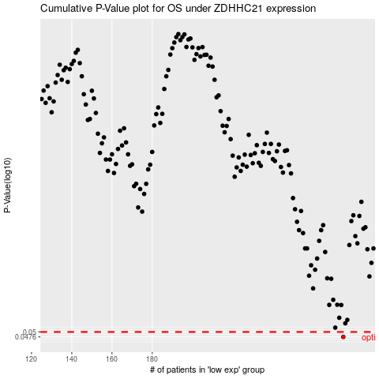

 |  |  |  |  |  | cases_OS | p_OS | rank | exp
 |  |  |  |  |  | 275 | 0.0476 | 330 | -0.059486826717
 |  |  |  |  |  |  | cases_RFS | p_RFS | rank | exp
 |  |  |  |  |  |  | 274 | 0.0476 | 78 | -0.063920660484

