ZDHHC24 _multivariate
Reported by Tex Li-Hsing Chi. tex@gate.sinica.edu.tw 2019-08-14

Table 2. The clinicopathological features of HNSCC cohort and ZDHHC24 expression. (Chi square test)
Cutoff at -0.436 (31.2%)
 |  | ZDHHC24 expression |  | ZDHHC24 expression |  | (Optimised)
 | Features | Low | (%) | High | (%) | Case no | P-value | Remark | Matthews
Gender | Female | 105 | 25.3 | 201 | 48.4 | 415 | 0.0376 | 1 | 0
2 | Male | 25 | 6 | 84 | 20.2
Age at diagnosis | <=65y | 91 | 21.9 | 183 | 44.1 | 415 | 0.2968 | 0 | 0
4 | >65y | 39 | 9.4 | 102 | 24.6
Clinical T Status | T1+T2 | 50 | 12 | 99 | 23.9 | 415 | 0.5331 | 0 | 0
6 | T3+T4 | 80 | 19.3 | 186 | 44.8
Clinical N Status | N0 | 64 | 15.4 | 152 | 36.6 | 415 | 0.5029 | 0 | 0
8 | N1-3 | 66 | 15.9 | 133 | 32
Clinical M Status | M0 | 130 | 31.3 | 282 | 68 | 415 | 0.5551 | 0 | 0
10 | M1 | 0 | 0 | 3 | 0.7
Clinical Stage | Stage I+II | 28 | 6.7 | 74 | 17.8 | 415 | 0.3962 | 0 | 0
12 | Stage III+IV | 102 | 24.6 | 211 | 50.8
Surgical Margin status | Negative | 97 | 23.4 | 221 | 53.3 | 415 | 0.5331 | 0 | 0
14 | Positive | 33 | 8 | 64 | 15.4
Tobacco Exposure | Low | 47 | 11.3 | 114 | 27.5 | 415 | 0.5149 | 0 | 0
16 | High | 83 | 20 | 171 | 41.2

Table 3. Univariate/Multivariate Cox's proportional hazards regression analyses on OS time of ZDHHC24 gene expression in HNSCC

 |  | Univariate |  |  |  | Multivariate
 | Features | HR | CI95%(L) | CI95%(H) | P-value | HR | CI95%(L) | CI95%(H) | P-value
1 | Female | 1 |  |  |  | 1
Gender | Male | 1.157 | 0.843 | 1.587 | 0.367 | 1.145 | 0.819 | 1.602 | 0.427
11 | <=65y | 1 |  |  |  | 1
Age at diagnosis | >65y | 1.329 | 0.99 | 1.784 | 0.058 | 1.382 | 1.017 | 1.878 | 0.038
12 | T1+T2 | 1 |  |  |  | 1
Clinical T Status | T3+T4 | 1.409 | 1.028 | 1.931 | 0.033 | 1.981 | 1.045 | 3.753 | 0.036
13 | N0 | 1 |  |  |  | 1
Clinical N Status | N1-3 | 1.185 | 0.89 | 1.577 | 0.246 | 1.238 | 0.868 | 1.765 | 0.238
14 | M0 | 1 |  |  |  | 1
Clinical M Status | M1 | 4.097 | 1.009 | 16.644 | 0.049 | 7.353 | 1.593 | 33.933 | 0.011
15 | Stage I+II | 1 |  |  |  | 1
Clinical Stage | Stage III+IV | 1.245 | 0.882 | 1.759 | 0.213 | 0.57 | 0.264 | 1.228 | 0.151
16 | Negative | 1 |  |  |  | 1
Surgical Margin status | Positive | 1.591 | 1.155 | 2.191 | 0.004 | 1.652 | 1.197 | 2.281 | 0.002
17 | Low | 1 |  |  |  | 1
Tobacco Exposure | High | 1.364 | 1.008 | 1.844 | 0.044 | 1.47 | 1.067 | 2.025 | 0.018
18 | Low | 1 |  |  |  | 1
RNAseq(z-score) | High | 1.709 | 1.215 | 2.404 | 0.002 | 1.639 | 1.159 | 2.317 | 0.005

Table 4. Univariate/Multivariate Cox's proportional hazards regression analyses on RFS time of ZDHHC24 gene expression in HNSCC

 |  | Univariate |  |  |  | Multivariate
 | Features | HR | CI95%(L) | CI95%(H) | P-value | HR | CI95%(L) | CI95%(H) | P-value
1 | Female | 1 |  |  |  | 1
Gender | Male | 1.157 | 0.843 | 1.587 | 0.367 | 1.145 | 0.819 | 1.602 | 0.427
11 | <=65y | 1 |  |  |  | 1
Age at diagnosis | >65y | 1.329 | 0.99 | 1.784 | 0.058 | 1.382 | 1.017 | 1.878 | 0.038
12 | T1+T2 | 1 |  |  |  | 1
Clinical T Status | T3+T4 | 1.409 | 1.028 | 1.931 | 0.033 | 1.981 | 1.045 | 3.753 | 0.036
13 | N0 | 1 |  |  |  | 1
Clinical N Status | N1-3 | 1.185 | 0.89 | 1.577 | 0.246 | 1.238 | 0.868 | 1.765 | 0.238
14 | M0 | 1 |  |  |  | 1
Clinical M Status | M1 | 4.097 | 1.009 | 16.644 | 0.049 | 7.353 | 1.593 | 33.933 | 0.011
15 | Stage I+II | 1 |  |  |  | 1
Clinical Stage | Stage III+IV | 1.245 | 0.882 | 1.759 | 0.213 | 0.57 | 0.264 | 1.228 | 0.151
16 | Negative | 1 |  |  |  | 1
Surgical Margin status | Positive | 1.591 | 1.155 | 2.191 | 0.004 | 1.652 | 1.197 | 2.281 | 0.002
17 | Low | 1 |  |  |  | 1
Tobacco Exposure | High | 1.364 | 1.008 | 1.844 | 0.044 | 1.47 | 1.067 | 2.025 | 0.018
18 | Low | 1 |  |  |  | 1
RNAseq(z-score) | High | 1.709 | 1.215 | 2.404 | 0.002 | 1.639 | 1.159 | 2.317 | 0.005

Kaplan-Meier survival estimate: Cutoff at -0.436 (31.2%)

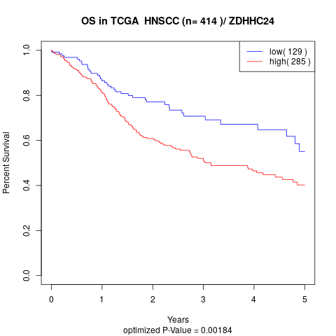

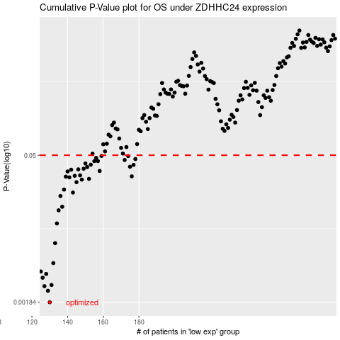

 |  |  |  |  |  | cases_OS | p_OS | rank | exp
 |  |  |  |  |  | 130 | 0.00184 | 1 | -0.43562709313
 |  |  |  |  |  | 129 | 0.00238 | 160 | -0.43620527395
 |  |  |  |  |  | 127 | 0.00264 | 323 | -0.43762511039
 |  |  |  |  |  | 131 | 0.00271 | 281 | -0.43512366805
 |  |  |  |  |  | 126 | 0.00319 | 336 | -0.43823099789
 |  |  |  |  |  | 128 | 0.00347 | 321 | -0.43664492139
 |  |  |  |  |  | 125 | 0.00367 | 24 | -0.44807941422
 |  |  |  |  |  | 132 | 0.00443 | 239 | -0.42912177475
 |  |  |  |  |  | 133 | 0.00693 | 198 | -0.42659628511
 |  |  |  |  |  | 134 | 0.0108 | 369 | -0.42445659786
 |  |  |  |  |  | 135 | 0.0145 | 326 | -0.41683778478
 |  |  |  |  |  | 137 | 0.0157 | 264 | -0.41102513329
 |  |  |  |  |  | 136 | 0.02 | 402 | -0.41200270846
 |  |  |  |  |  | 143 | 0.0216 | 394 | -0.3959229039
 |  |  |  |  |  | 138 | 0.0231 | 208 | -0.4075314783
 |  |  |  |  |  | 145 | 0.0273 | 54 | -0.39424429756
 |  |  |  |  |  | 148 | 0.0289 | 180 | -0.37372828826
 |  |  |  |  |  | 152 | 0.0294 | 296 | -0.36850636402
 |  |  |  |  |  | 141 | 0.0304 | 153 | -0.39749591121
 |  |  |  |  |  | 139 | 0.0309 | 254 | -0.4012708151
 |  |  |  |  |  | 176 | 0.0311 | 373 | -0.28896677093
 |  |  |  |  |  | 144 | 0.0315 | 194 | -0.3957911665
 |  |  |  |  |  | 147 | 0.0318 | 252 | -0.37386682164
 |  |  |  |  |  | 140 | 0.0347 | 383 | -0.40108209604
 |  |  |  |  |  | 158 | 0.0351 | 224 | -0.35212178602
 |  |  |  |  |  | 142 | 0.0361 | 219 | -0.39601804758
 |  |  |  |  |  | 146 | 0.0364 | 9 | -0.387381929
 |  |  |  |  |  | 149 | 0.0369 | 211 | -0.37310671774
 |  |  |  |  |  | 151 | 0.0383 | 45 | -0.37104021794
 |  |  |  |  |  | 175 | 0.0386 | 116 | -0.2921681989
 |  |  |  |  |  | 177 | 0.0402 | 366 | -0.2841703794
 |  |  |  |  |  | 153 | 0.0404 | 86 | -0.35868042668
 |  |  |  |  |  | 150 | 0.0415 | 374 | -0.37106635631
 |  |  |  |  |  | 157 | 0.0438 | 121 | -0.35249870137
 |  |  |  |  |  | 155 | 0.0438 | 279 | -0.35442457672
 |  |  |  |  |  | 172 | 0.0449 | 364 | -0.29728609242
 |  |  |  |  |  | 178 | 0.0459 | 274 | -0.28375059713
 |  |  |  |  |  | 156 | 0.0471 | 238 | -0.35341772657
 |  |  |  |  |  | 174 | 0.049 | 106 | -0.29438473297
 |  |  |  |  |  | 159 | 0.0492 | 23 | -0.35195188659
 |  |  |  |  |  |  | cases_RFS | p_RFS | rank | exp
 |  |  |  |  |  |  | 129 | 0.00184 | 160 | -0.43620527395
 |  |  |  |  |  |  | 128 | 0.00238 | 321 | -0.43664492139
 |  |  |  |  |  |  | 126 | 0.00264 | 336 | -0.43823099789
 |  |  |  |  |  |  | 130 | 0.00271 | 1 | -0.43562709313
 |  |  |  |  |  |  | 125 | 0.00319 | 24 | -0.44807941422
 |  |  |  |  |  |  | 127 | 0.00347 | 323 | -0.43762511039
 |  |  |  |  |  |  |  | 0.00367 | 183 | -0.45128868371
 |  |  |  |  |  |  | 131 | 0.00443 | 281 | -0.43512366805
 |  |  |  |  |  |  | 132 | 0.00693 | 239 | -0.42912177475
 |  |  |  |  |  |  | 133 | 0.0108 | 198 | -0.42659628511
 |  |  |  |  |  |  | 134 | 0.0145 | 369 | -0.42445659786
 |  |  |  |  |  |  | 136 | 0.0157 | 402 | -0.41200270846
 |  |  |  |  |  |  | 135 | 0.02 | 326 | -0.41683778478
 |  |  |  |  |  |  | 142 | 0.0216 | 219 | -0.39601804758
 |  |  |  |  |  |  | 137 | 0.0231 | 264 | -0.41102513329
 |  |  |  |  |  |  | 144 | 0.0273 | 194 | -0.3957911665
 |  |  |  |  |  |  | 147 | 0.0289 | 252 | -0.37386682164
 |  |  |  |  |  |  | 151 | 0.0294 | 45 | -0.37104021794
 |  |  |  |  |  |  | 140 | 0.0304 | 383 | -0.40108209604
 |  |  |  |  |  |  | 138 | 0.0309 | 208 | -0.4075314783
 |  |  |  |  |  |  | 175 | 0.0311 | 116 | -0.2921681989
 |  |  |  |  |  |  | 143 | 0.0315 | 394 | -0.3959229039
 |  |  |  |  |  |  | 146 | 0.0318 | 9 | -0.387381929
 |  |  |  |  |  |  | 139 | 0.0347 | 254 | -0.4012708151
 |  |  |  |  |  |  | 157 | 0.0351 | 121 | -0.35249870137
 |  |  |  |  |  |  | 141 | 0.0361 | 153 | -0.39749591121
 |  |  |  |  |  |  | 145 | 0.0364 | 54 | -0.39424429756
 |  |  |  |  |  |  | 148 | 0.0369 | 180 | -0.37372828826
 |  |  |  |  |  |  | 150 | 0.0383 | 374 | -0.37106635631
 |  |  |  |  |  |  | 174 | 0.0386 | 106 | -0.29438473297
 |  |  |  |  |  |  | 176 | 0.0402 | 373 | -0.28896677093
 |  |  |  |  |  |  | 152 | 0.0404 | 296 | -0.36850636402
 |  |  |  |  |  |  | 149 | 0.0415 | 211 | -0.37310671774
 |  |  |  |  |  |  | 154 | 0.0438 | 167 | -0.35698404624
 |  |  |  |  |  |  | 156 | 0.0438 | 238 | -0.35341772657
 |  |  |  |  |  |  | 171 | 0.0449 | 156 | -0.30635192585
 |  |  |  |  |  |  | 177 | 0.0459 | 366 | -0.2841703794
 |  |  |  |  |  |  | 155 | 0.0471 | 279 | -0.35442457672
 |  |  |  |  |  |  | 173 | 0.049 | 129 | -0.29567178647
 |  |  |  |  |  |  | 158 | 0.0492 | 224 | -0.35212178602

