ZDHHC3 _multivariate
Reported by Tex Li-Hsing Chi. tex@gate.sinica.edu.tw 2019-08-14

Table 2. The clinicopathological features of HNSCC cohort and ZDHHC3 expression. (Chi square test)
Cutoff at -0.251 (49.8%)
 |  | ZDHHC3 expression |  | ZDHHC3 expression |  | (Optimised)
 | Features | Low | (%) | High | (%) | Case no | P-value | Remark | Matthews
Gender | Female | 160 | 38.6 | 146 | 35.2 | 415 | 0.1254 | 0 | 0
2 | Male | 47 | 11.3 | 62 | 14.9
Age at diagnosis | <=65y | 146 | 35.2 | 128 | 30.8 | 415 | 0.0672 | 0 | 0
4 | >65y | 61 | 14.7 | 80 | 19.3
Clinical T Status | T1+T2 | 71 | 17.1 | 78 | 18.8 | 415 | 0.5638 | 0 | 0
6 | T3+T4 | 136 | 32.8 | 130 | 31.3
Clinical N Status | N0 | 98 | 23.6 | 118 | 28.4 | 415 | 0.0694 | 0 | 0
8 | N1-3 | 109 | 26.3 | 90 | 21.7
Clinical M Status | M0 | 205 | 49.4 | 207 | 49.9 | 415 | 0.6232 | 0 | 0
10 | M1 | 2 | 0.5 | 1 | 0.2
Clinical Stage | Stage I+II | 44 | 10.6 | 58 | 14 | 415 | 0.1459 | 0 | 0
12 | Stage III+IV | 163 | 39.3 | 150 | 36.1
Surgical Margin status | Negative | 160 | 38.6 | 158 | 38.1 | 415 | 0.8167 | 0 | 0
14 | Positive | 47 | 11.3 | 50 | 12
Tobacco Exposure | Low | 83 | 20 | 78 | 18.8 | 415 | 0.6152 | 0 | 0
16 | High | 124 | 29.9 | 130 | 31.3

Table 3. Univariate/Multivariate Cox's proportional hazards regression analyses on OS time of ZDHHC3 gene expression in HNSCC

 |  | Univariate |  |  |  | Multivariate
 | Features | HR | CI95%(L) | CI95%(H) | P-value | HR | CI95%(L) | CI95%(H) | P-value
1 | Female | 1 |  |  |  | 1
Gender | Male | 1.157 | 0.843 | 1.587 | 0.367 | 1.217 | 0.869 | 1.706 | 0.254
11 | <=65y | 1 |  |  |  | 1
Age at diagnosis | >65y | 1.329 | 0.99 | 1.784 | 0.058 | 1.398 | 1.028 | 1.901 | 0.033
12 | T1+T2 | 1 |  |  |  | 1
Clinical T Status | T3+T4 | 1.409 | 1.028 | 1.931 | 0.033 | 2.199 | 1.163 | 4.156 | 0.015
13 | N0 | 1 |  |  |  | 1
Clinical N Status | N1-3 | 1.185 | 0.89 | 1.577 | 0.246 | 1.236 | 0.866 | 1.763 | 0.244
14 | M0 | 1 |  |  |  | 1
Clinical M Status | M1 | 4.097 | 1.009 | 16.644 | 0.049 | 9.37 | 2.044 | 42.954 | 0.004
15 | Stage I+II | 1 |  |  |  | 1
Clinical Stage | Stage III+IV | 1.245 | 0.882 | 1.759 | 0.213 | 0.503 | 0.234 | 1.08 | 0.078
16 | Negative | 1 |  |  |  | 1
Surgical Margin status | Positive | 1.591 | 1.155 | 2.191 | 0.004 | 1.671 | 1.21 | 2.309 | 0.002
17 | Low | 1 |  |  |  | 1
Tobacco Exposure | High | 1.364 | 1.008 | 1.844 | 0.044 | 1.466 | 1.062 | 2.024 | 0.02
18 | Low | 1 |  |  |  | 1
RNAseq(z-score) | High | 0.967 | 0.725 | 1.288 | 0.817 | 0.927 | 0.691 | 1.242 | 0.61

Table 4. Univariate/Multivariate Cox's proportional hazards regression analyses on RFS time of ZDHHC3 gene expression in HNSCC

 |  | Univariate |  |  |  | Multivariate
 | Features | HR | CI95%(L) | CI95%(H) | P-value | HR | CI95%(L) | CI95%(H) | P-value
1 | Female | 1 |  |  |  | 1
Gender | Male | 1.157 | 0.843 | 1.587 | 0.367 | 1.217 | 0.869 | 1.706 | 0.254
11 | <=65y | 1 |  |  |  | 1
Age at diagnosis | >65y | 1.329 | 0.99 | 1.784 | 0.058 | 1.398 | 1.028 | 1.901 | 0.033
12 | T1+T2 | 1 |  |  |  | 1
Clinical T Status | T3+T4 | 1.409 | 1.028 | 1.931 | 0.033 | 2.199 | 1.163 | 4.156 | 0.015
13 | N0 | 1 |  |  |  | 1
Clinical N Status | N1-3 | 1.185 | 0.89 | 1.577 | 0.246 | 1.236 | 0.866 | 1.763 | 0.244
14 | M0 | 1 |  |  |  | 1
Clinical M Status | M1 | 4.097 | 1.009 | 16.644 | 0.049 | 9.37 | 2.044 | 42.954 | 0.004
15 | Stage I+II | 1 |  |  |  | 1
Clinical Stage | Stage III+IV | 1.245 | 0.882 | 1.759 | 0.213 | 0.503 | 0.234 | 1.08 | 0.078
16 | Negative | 1 |  |  |  | 1
Surgical Margin status | Positive | 1.591 | 1.155 | 2.191 | 0.004 | 1.671 | 1.21 | 2.309 | 0.002
17 | Low | 1 |  |  |  | 1
Tobacco Exposure | High | 1.364 | 1.008 | 1.844 | 0.044 | 1.466 | 1.062 | 2.024 | 0.02
18 | Low | 1 |  |  |  | 1
RNAseq(z-score) | High | 0.967 | 0.725 | 1.288 | 0.817 | 0.927 | 0.691 | 1.242 | 0.61

Kaplan-Meier survival estimate: Cutoff at -0.251 (49.8%)



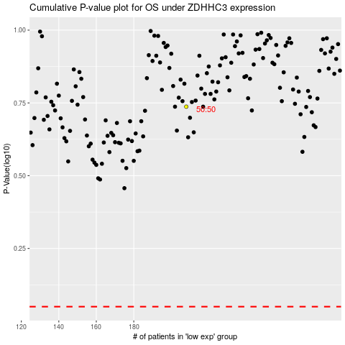

 |  |  |  |  |  | cases_OS | p_OS | rank | exp
 |  |  |  |  |  |  | cases_RFS | p_RFS | rank | exp

