ZDHHC5 _multivariate
Reported by Tex Li-Hsing Chi. tex@gate.sinica.edu.tw 2019-08-14

Table 2. The clinicopathological features of HNSCC cohort and ZDHHC5 expression. (Chi square test)
Cutoff at -0.038 (50.0%)
 |  | ZDHHC5 expression |  | ZDHHC5 expression |  | (Optimised)
 | Features | Low | (%) | High | (%) | Case no | P-value | Remark | Matthews
Gender | Female | 161 | 38.8 | 145 | 34.9 | 415 | 0.0792 | 0 | 0
2 | Male | 46 | 11.1 | 63 | 15.2
Age at diagnosis | <=65y | 133 | 32 | 141 | 34 | 415 | 0.5111 | 0 | 0
4 | >65y | 74 | 17.8 | 67 | 16.1
Clinical T Status | T1+T2 | 76 | 18.3 | 73 | 17.6 | 415 | 0.8092 | 0 | 0
6 | T3+T4 | 131 | 31.6 | 135 | 32.5
Clinical N Status | N0 | 101 | 24.3 | 115 | 27.7 | 415 | 0.2201 | 0 | 0
8 | N1-3 | 106 | 25.5 | 93 | 22.4
Clinical M Status | M0 | 206 | 49.6 | 206 | 49.6 | 415 | 1 | 0 | 0
10 | M1 | 1 | 0.2 | 2 | 0.5
Clinical Stage | Stage I+II | 50 | 12 | 52 | 12.5 | 415 | 0.9315 | 0 | 0
12 | Stage III+IV | 157 | 37.8 | 156 | 37.6
Surgical Margin status | Negative | 152 | 36.6 | 166 | 40 | 415 | 0.1329 | 0 | 0
14 | Positive | 55 | 13.3 | 42 | 10.1
Tobacco Exposure | Low | 75 | 18.1 | 86 | 20.7 | 415 | 0.3141 | 0 | 0
16 | High | 132 | 31.8 | 122 | 29.4

Table 3. Univariate/Multivariate Cox's proportional hazards regression analyses on OS time of ZDHHC5 gene expression in HNSCC

 |  | Univariate |  |  |  | Multivariate
 | Features | HR | CI95%(L) | CI95%(H) | P-value | HR | CI95%(L) | CI95%(H) | P-value
1 | Female | 1 |  |  |  | 1
Gender | Male | 1.157 | 0.843 | 1.587 | 0.367 | 1.193 | 0.854 | 1.667 | 0.301
11 | <=65y | 1 |  |  |  | 1
Age at diagnosis | >65y | 1.329 | 0.99 | 1.784 | 0.058 | 1.409 | 1.034 | 1.919 | 0.03
12 | T1+T2 | 1 |  |  |  | 1
Clinical T Status | T3+T4 | 1.409 | 1.028 | 1.931 | 0.033 | 2.197 | 1.162 | 4.154 | 0.015
13 | N0 | 1 |  |  |  | 1
Clinical N Status | N1-3 | 1.185 | 0.89 | 1.577 | 0.246 | 1.265 | 0.883 | 1.812 | 0.201
14 | M0 | 1 |  |  |  | 1
Clinical M Status | M1 | 4.097 | 1.009 | 16.644 | 0.049 | 9.05 | 1.967 | 41.635 | 0.005
15 | Stage I+II | 1 |  |  |  | 1
Clinical Stage | Stage III+IV | 1.245 | 0.882 | 1.759 | 0.213 | 0.499 | 0.232 | 1.071 | 0.075
16 | Negative | 1 |  |  |  | 1
Surgical Margin status | Positive | 1.591 | 1.155 | 2.191 | 0.004 | 1.681 | 1.216 | 2.324 | 0.002
17 | Low | 1 |  |  |  | 1
Tobacco Exposure | High | 1.364 | 1.008 | 1.844 | 0.044 | 1.454 | 1.055 | 2.004 | 0.022
18 | Low | 1 |  |  |  | 1
RNAseq(z-score) | High | 1.069 | 0.802 | 1.425 | 0.648 | 1.111 | 0.828 | 1.489 | 0.484

Table 4. Univariate/Multivariate Cox's proportional hazards regression analyses on RFS time of ZDHHC5 gene expression in HNSCC

 |  | Univariate |  |  |  | Multivariate
 | Features | HR | CI95%(L) | CI95%(H) | P-value | HR | CI95%(L) | CI95%(H) | P-value
1 | Female | 1 |  |  |  | 1
Gender | Male | 1.157 | 0.843 | 1.587 | 0.367 | 1.193 | 0.854 | 1.667 | 0.301
11 | <=65y | 1 |  |  |  | 1
Age at diagnosis | >65y | 1.329 | 0.99 | 1.784 | 0.058 | 1.409 | 1.034 | 1.919 | 0.03
12 | T1+T2 | 1 |  |  |  | 1
Clinical T Status | T3+T4 | 1.409 | 1.028 | 1.931 | 0.033 | 2.197 | 1.162 | 4.154 | 0.015
13 | N0 | 1 |  |  |  | 1
Clinical N Status | N1-3 | 1.185 | 0.89 | 1.577 | 0.246 | 1.265 | 0.883 | 1.812 | 0.201
14 | M0 | 1 |  |  |  | 1
Clinical M Status | M1 | 4.097 | 1.009 | 16.644 | 0.049 | 9.05 | 1.967 | 41.635 | 0.005
15 | Stage I+II | 1 |  |  |  | 1
Clinical Stage | Stage III+IV | 1.245 | 0.882 | 1.759 | 0.213 | 0.499 | 0.232 | 1.071 | 0.075
16 | Negative | 1 |  |  |  | 1
Surgical Margin status | Positive | 1.591 | 1.155 | 2.191 | 0.004 | 1.681 | 1.216 | 2.324 | 0.002
17 | Low | 1 |  |  |  | 1
Tobacco Exposure | High | 1.364 | 1.008 | 1.844 | 0.044 | 1.454 | 1.055 | 2.004 | 0.022
18 | Low | 1 |  |  |  | 1
RNAseq(z-score) | High | 1.069 | 0.802 | 1.425 | 0.648 | 1.111 | 0.828 | 1.489 | 0.484

Kaplan-Meier survival estimate: Cutoff at -0.038 (50.0%)



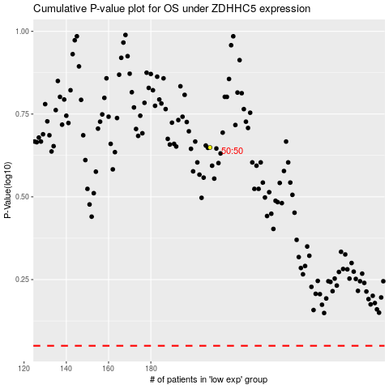

 |  |  |  |  |  | cases_OS | p_OS | rank | exp
 |  |  |  |  |  |  | cases_RFS | p_RFS | rank | exp

