ZDHHC7 _multivariate
Reported by Tex Li-Hsing Chi. tex@gate.sinica.edu.tw 2019-08-14

Table 2. The clinicopathological features of HNSCC cohort and ZDHHC7 expression. (Chi square test)
Cutoff at -0.351 (37.2%)
 |  | ZDHHC7 expression |  | ZDHHC7 expression |  | (Optimised)
 | Features | Low | (%) | High | (%) | Case no | P-value | Remark | Matthews
Gender | Female | 109 | 26.3 | 197 | 47.5 | 415 | 0.3495 | 0 | 0
2 | Male | 45 | 10.8 | 64 | 15.4
Age at diagnosis | <=65y | 97 | 23.4 | 177 | 42.7 | 415 | 0.3702 | 0 | 0
4 | >65y | 57 | 13.7 | 84 | 20.2
Clinical T Status | T1+T2 | 59 | 14.2 | 90 | 21.7 | 415 | 0.4968 | 0 | 0
6 | T3+T4 | 95 | 22.9 | 171 | 41.2
Clinical N Status | N0 | 82 | 19.8 | 134 | 32.3 | 415 | 0.7843 | 0 | 0
8 | N1-3 | 72 | 17.3 | 127 | 30.6
Clinical M Status | M0 | 153 | 36.9 | 259 | 62.4 | 415 | 1 | 0 | 0
10 | M1 | 1 | 0.2 | 2 | 0.5
Clinical Stage | Stage I+II | 41 | 9.9 | 61 | 14.7 | 415 | 0.5318 | 0 | 0
12 | Stage III+IV | 113 | 27.2 | 200 | 48.2
Surgical Margin status | Negative | 117 | 28.2 | 201 | 48.4 | 415 | 0.8113 | 0 | 0
14 | Positive | 37 | 8.9 | 60 | 14.5
Tobacco Exposure | Low | 61 | 14.7 | 100 | 24.1 | 415 | 0.835 | 0 | 0
16 | High | 93 | 22.4 | 161 | 38.8

Table 3. Univariate/Multivariate Cox's proportional hazards regression analyses on OS time of ZDHHC7 gene expression in HNSCC

 |  | Univariate |  |  |  | Multivariate
 | Features | HR | CI95%(L) | CI95%(H) | P-value | HR | CI95%(L) | CI95%(H) | P-value
1 | Female | 1 |  |  |  | 1
Gender | Male | 1.157 | 0.843 | 1.587 | 0.367 | 1.223 | 0.875 | 1.711 | 0.239
11 | <=65y | 1 |  |  |  | 1
Age at diagnosis | >65y | 1.329 | 0.99 | 1.784 | 0.058 | 1.411 | 1.04 | 1.916 | 0.027
12 | T1+T2 | 1 |  |  |  | 1
Clinical T Status | T3+T4 | 1.409 | 1.028 | 1.931 | 0.033 | 2.166 | 1.145 | 4.098 | 0.018
13 | N0 | 1 |  |  |  | 1
Clinical N Status | N1-3 | 1.185 | 0.89 | 1.577 | 0.246 | 1.218 | 0.853 | 1.738 | 0.277
14 | M0 | 1 |  |  |  | 1
Clinical M Status | M1 | 4.097 | 1.009 | 16.644 | 0.049 | 9.327 | 2.036 | 42.719 | 0.004
15 | Stage I+II | 1 |  |  |  | 1
Clinical Stage | Stage III+IV | 1.245 | 0.882 | 1.759 | 0.213 | 0.525 | 0.244 | 1.131 | 0.1
16 | Negative | 1 |  |  |  | 1
Surgical Margin status | Positive | 1.591 | 1.155 | 2.191 | 0.004 | 1.672 | 1.211 | 2.308 | 0.002
17 | Low | 1 |  |  |  | 1
Tobacco Exposure | High | 1.364 | 1.008 | 1.844 | 0.044 | 1.417 | 1.03 | 1.95 | 0.032
18 | Low | 1 |  |  |  | 1
RNAseq(z-score) | High | 1.488 | 1.093 | 2.025 | 0.011 | 1.494 | 1.096 | 2.036 | 0.011

Table 4. Univariate/Multivariate Cox's proportional hazards regression analyses on RFS time of ZDHHC7 gene expression in HNSCC

 |  | Univariate |  |  |  | Multivariate
 | Features | HR | CI95%(L) | CI95%(H) | P-value | HR | CI95%(L) | CI95%(H) | P-value
1 | Female | 1 |  |  |  | 1
Gender | Male | 1.157 | 0.843 | 1.587 | 0.367 | 1.223 | 0.875 | 1.711 | 0.239
11 | <=65y | 1 |  |  |  | 1
Age at diagnosis | >65y | 1.329 | 0.99 | 1.784 | 0.058 | 1.411 | 1.04 | 1.916 | 0.027
12 | T1+T2 | 1 |  |  |  | 1
Clinical T Status | T3+T4 | 1.409 | 1.028 | 1.931 | 0.033 | 2.166 | 1.145 | 4.098 | 0.018
13 | N0 | 1 |  |  |  | 1
Clinical N Status | N1-3 | 1.185 | 0.89 | 1.577 | 0.246 | 1.218 | 0.853 | 1.738 | 0.277
14 | M0 | 1 |  |  |  | 1
Clinical M Status | M1 | 4.097 | 1.009 | 16.644 | 0.049 | 9.327 | 2.036 | 42.719 | 0.004
15 | Stage I+II | 1 |  |  |  | 1
Clinical Stage | Stage III+IV | 1.245 | 0.882 | 1.759 | 0.213 | 0.525 | 0.244 | 1.131 | 0.1
16 | Negative | 1 |  |  |  | 1
Surgical Margin status | Positive | 1.591 | 1.155 | 2.191 | 0.004 | 1.672 | 1.211 | 2.308 | 0.002
17 | Low | 1 |  |  |  | 1
Tobacco Exposure | High | 1.364 | 1.008 | 1.844 | 0.044 | 1.417 | 1.03 | 1.95 | 0.032
18 | Low | 1 |  |  |  | 1
RNAseq(z-score) | High | 1.488 | 1.093 | 2.025 | 0.011 | 1.494 | 1.096 | 2.036 | 0.011

Kaplan-Meier survival estimate: Cutoff at -0.351 (37.2%)

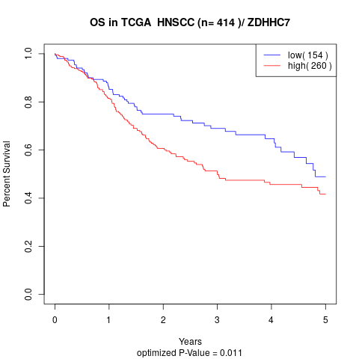

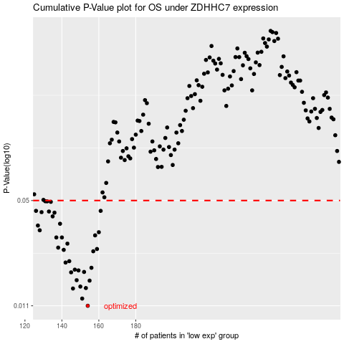

 |  |  |  |  |  | cases_OS | p_OS | rank | exp
 |  |  |  |  |  | 154 | 0.011 | 159 | -0.3509264747
 |  |  |  |  |  | 151 | 0.0122 | 43 | -0.35924389454
 |  |  |  |  |  | 146 | 0.0141 | 220 | -0.38408998212
 |  |  |  |  |  | 153 | 0.0142 | 165 | -0.35347088358
 |  |  |  |  |  | 150 | 0.0145 | 37 | -0.37705870614
 |  |  |  |  |  | 155 | 0.0158 | 153 | -0.34270918637
 |  |  |  |  |  | 148 | 0.0159 | 226 | -0.37850561798
 |  |  |  |  |  | 145 | 0.0178 | 128 | -0.3850171859
 |  |  |  |  |  | 152 | 0.0179 | 327 | -0.35614330279
 |  |  |  |  |  | 149 | 0.0183 | 139 | -0.37730891874
 |  |  |  |  |  | 147 | 0.0185 | 269 | -0.38189591735
 |  |  |  |  |  | 156 | 0.019 | 411 | -0.3419694678
 |  |  |  |  |  | 142 | 0.0205 | 86 | -0.39986568884
 |  |  |  |  |  | 144 | 0.0209 | 96 | -0.39030092321
 |  |  |  |  |  | 157 | 0.0241 | 265 | -0.33669246788
 |  |  |  |  |  | 141 | 0.0246 | 93 | -0.40919185807
 |  |  |  |  |  | 159 | 0.0249 | 206 | -0.32946092889
 |  |  |  |  |  | 138 | 0.0254 | 64 | -0.41999003009
 |  |  |  |  |  | 143 | 0.0269 | 49 | -0.39283046336
 |  |  |  |  |  | 140 | 0.0294 | 17 | -0.41300800673
 |  |  |  |  |  | 137 | 0.0294 | 382 | -0.42319168263
 |  |  |  |  |  | 158 | 0.0303 | 324 | -0.33199348926
 |  |  |  |  |  | 160 | 0.0317 | 229 | -0.32556927504
 |  |  |  |  |  | 128 | 0.0326 | 181 | -0.47782073586
 |  |  |  |  |  | 127 | 0.0349 | 144 | -0.47857416153
 |  |  |  |  |  | 139 | 0.0358 | 262 | -0.41865835079
 |  |  |  |  |  | 135 | 0.0398 | 280 | -0.42853512712
 |  |  |  |  |  | 136 | 0.042 | 231 | -0.42368235023
 |  |  |  |  |  | 129 | 0.0423 | 251 | -0.46462870071
 |  |  |  |  |  | 133 | 0.0427 | 240 | -0.43585401981
 |  |  |  |  |  | 161 | 0.0431 | 23 | -0.32447712145
 |  |  |  |  |  | 126 | 0.0431 | 126 | -0.48178766258
 |  |  |  |  |  | 134 | 0.0491 | 14 | -0.43352822751
 |  |  |  |  |  | 132 | 0.0494 | 171 | -0.43959141074
 |  |  |  |  |  | 131 | 0.0495 | 342 | -0.45485600538
 |  |  |  |  |  |  | cases_RFS | p_RFS | rank | exp
 |  |  |  |  |  |  | 153 | 0.011 | 165 | -0.35347088358
 |  |  |  |  |  |  | 150 | 0.0122 | 37 | -0.37705870614
 |  |  |  |  |  |  | 145 | 0.0141 | 128 | -0.3850171859
 |  |  |  |  |  |  | 152 | 0.0142 | 327 | -0.35614330279
 |  |  |  |  |  |  | 149 | 0.0145 | 139 | -0.37730891874
 |  |  |  |  |  |  | 154 | 0.0158 | 159 | -0.3509264747
 |  |  |  |  |  |  | 147 | 0.0159 | 269 | -0.38189591735
 |  |  |  |  |  |  | 144 | 0.0178 | 96 | -0.39030092321
 |  |  |  |  |  |  | 151 | 0.0179 | 43 | -0.35924389454
 |  |  |  |  |  |  | 148 | 0.0183 | 226 | -0.37850561798
 |  |  |  |  |  |  | 146 | 0.0185 | 220 | -0.38408998212
 |  |  |  |  |  |  | 155 | 0.019 | 153 | -0.34270918637
 |  |  |  |  |  |  | 141 | 0.0205 | 93 | -0.40919185807
 |  |  |  |  |  |  | 143 | 0.0209 | 49 | -0.39283046336
 |  |  |  |  |  |  | 156 | 0.0241 | 411 | -0.3419694678
 |  |  |  |  |  |  | 140 | 0.0246 | 17 | -0.41300800673
 |  |  |  |  |  |  | 158 | 0.0249 | 324 | -0.33199348926
 |  |  |  |  |  |  | 137 | 0.0254 | 382 | -0.42319168263
 |  |  |  |  |  |  | 142 | 0.0269 | 86 | -0.39986568884
 |  |  |  |  |  |  | 136 | 0.0294 | 231 | -0.42368235023
 |  |  |  |  |  |  | 139 | 0.0294 | 262 | -0.41865835079
 |  |  |  |  |  |  | 157 | 0.0303 | 265 | -0.33669246788
 |  |  |  |  |  |  | 159 | 0.0317 | 206 | -0.32946092889
 |  |  |  |  |  |  | 127 | 0.0326 | 144 | -0.47857416153
 |  |  |  |  |  |  | 126 | 0.0349 | 126 | -0.48178766258
 |  |  |  |  |  |  | 138 | 0.0358 | 64 | -0.41999003009
 |  |  |  |  |  |  | 134 | 0.0398 | 14 | -0.43352822751
 |  |  |  |  |  |  | 135 | 0.042 | 280 | -0.42853512712
 |  |  |  |  |  |  | 128 | 0.0423 | 181 | -0.47782073586
 |  |  |  |  |  |  | 132 | 0.0427 | 171 | -0.43959141074
 |  |  |  |  |  |  | 125 | 0.0431 | 106 | -0.48312584694
 |  |  |  |  |  |  | 160 | 0.0431 | 229 | -0.32556927504
 |  |  |  |  |  |  | 133 | 0.0491 | 240 | -0.43585401981
 |  |  |  |  |  |  | 131 | 0.0494 | 342 | -0.45485600538
 |  |  |  |  |  |  | 130 | 0.0495 | 28 | -0.46045547056

