ZDHHC8 _multivariate
Reported by Tex Li-Hsing Chi. tex@gate.sinica.edu.tw 2019-08-14

Table 2. The clinicopathological features of HNSCC cohort and ZDHHC8 expression. (Chi square test)
Cutoff at -0.103 (49.8%)
 |  | ZDHHC8 expression |  | ZDHHC8 expression |  | (Optimised)
 | Features | Low | (%) | High | (%) | Case no | P-value | Remark | Matthews
Gender | Female | 145 | 34.9 | 161 | 38.8 | 415 | 0.1116 | 0 | 0
2 | Male | 62 | 14.9 | 47 | 11.3
Age at diagnosis | <=65y | 142 | 34.2 | 132 | 31.8 | 415 | 0.3167 | 0 | 0
4 | >65y | 65 | 15.7 | 76 | 18.3
Clinical T Status | T1+T2 | 83 | 20 | 66 | 15.9 | 415 | 0.0941 | 0 | 0
6 | T3+T4 | 124 | 29.9 | 142 | 34.2
Clinical N Status | N0 | 101 | 24.3 | 115 | 27.7 | 415 | 0.2201 | 0 | 0
8 | N1-3 | 106 | 25.5 | 93 | 22.4
Clinical M Status | M0 | 207 | 49.9 | 205 | 49.4 | 415 | 0.2482 | 0 | 0
10 | M1 | 0 | 0 | 3 | 0.7
Clinical Stage | Stage I+II | 51 | 12.3 | 51 | 12.3 | 415 | 1 | 0 | 0
12 | Stage III+IV | 156 | 37.6 | 157 | 37.8
Surgical Margin status | Negative | 153 | 36.9 | 165 | 39.8 | 415 | 0.2036 | 0 | 0
14 | Positive | 54 | 13 | 43 | 10.4
Tobacco Exposure | Low | 87 | 21 | 74 | 17.8 | 415 | 0.1911 | 0 | 0
16 | High | 120 | 28.9 | 134 | 32.3

Table 3. Univariate/Multivariate Cox's proportional hazards regression analyses on OS time of ZDHHC8 gene expression in HNSCC

 |  | Univariate |  |  |  | Multivariate
 | Features | HR | CI95%(L) | CI95%(H) | P-value | HR | CI95%(L) | CI95%(H) | P-value
1 | Female | 1 |  |  |  | 1
Gender | Male | 1.157 | 0.843 | 1.587 | 0.367 | 1.208 | 0.864 | 1.688 | 0.27
11 | <=65y | 1 |  |  |  | 1
Age at diagnosis | >65y | 1.329 | 0.99 | 1.784 | 0.058 | 1.393 | 1.024 | 1.894 | 0.035
12 | T1+T2 | 1 |  |  |  | 1
Clinical T Status | T3+T4 | 1.409 | 1.028 | 1.931 | 0.033 | 2.174 | 1.147 | 4.12 | 0.017
13 | N0 | 1 |  |  |  | 1
Clinical N Status | N1-3 | 1.185 | 0.89 | 1.577 | 0.246 | 1.245 | 0.872 | 1.778 | 0.227
14 | M0 | 1 |  |  |  | 1
Clinical M Status | M1 | 4.097 | 1.009 | 16.644 | 0.049 | 8.989 | 1.938 | 41.696 | 0.005
15 | Stage I+II | 1 |  |  |  | 1
Clinical Stage | Stage III+IV | 1.245 | 0.882 | 1.759 | 0.213 | 0.51 | 0.237 | 1.095 | 0.084
16 | Negative | 1 |  |  |  | 1
Surgical Margin status | Positive | 1.591 | 1.155 | 2.191 | 0.004 | 1.679 | 1.215 | 2.322 | 0.002
17 | Low | 1 |  |  |  | 1
Tobacco Exposure | High | 1.364 | 1.008 | 1.844 | 0.044 | 1.446 | 1.049 | 1.994 | 0.024
18 | Low | 1 |  |  |  | 1
RNAseq(z-score) | High | 1.107 | 0.831 | 1.475 | 0.487 | 1.072 | 0.8 | 1.436 | 0.642

Table 4. Univariate/Multivariate Cox's proportional hazards regression analyses on RFS time of ZDHHC8 gene expression in HNSCC

 |  | Univariate |  |  |  | Multivariate
 | Features | HR | CI95%(L) | CI95%(H) | P-value | HR | CI95%(L) | CI95%(H) | P-value
1 | Female | 1 |  |  |  | 1
Gender | Male | 1.157 | 0.843 | 1.587 | 0.367 | 1.208 | 0.864 | 1.688 | 0.27
11 | <=65y | 1 |  |  |  | 1
Age at diagnosis | >65y | 1.329 | 0.99 | 1.784 | 0.058 | 1.393 | 1.024 | 1.894 | 0.035
12 | T1+T2 | 1 |  |  |  | 1
Clinical T Status | T3+T4 | 1.409 | 1.028 | 1.931 | 0.033 | 2.174 | 1.147 | 4.12 | 0.017
13 | N0 | 1 |  |  |  | 1
Clinical N Status | N1-3 | 1.185 | 0.89 | 1.577 | 0.246 | 1.245 | 0.872 | 1.778 | 0.227
14 | M0 | 1 |  |  |  | 1
Clinical M Status | M1 | 4.097 | 1.009 | 16.644 | 0.049 | 8.989 | 1.938 | 41.696 | 0.005
15 | Stage I+II | 1 |  |  |  | 1
Clinical Stage | Stage III+IV | 1.245 | 0.882 | 1.759 | 0.213 | 0.51 | 0.237 | 1.095 | 0.084
16 | Negative | 1 |  |  |  | 1
Surgical Margin status | Positive | 1.591 | 1.155 | 2.191 | 0.004 | 1.679 | 1.215 | 2.322 | 0.002
17 | Low | 1 |  |  |  | 1
Tobacco Exposure | High | 1.364 | 1.008 | 1.844 | 0.044 | 1.446 | 1.049 | 1.994 | 0.024
18 | Low | 1 |  |  |  | 1
RNAseq(z-score) | High | 1.107 | 0.831 | 1.475 | 0.487 | 1.072 | 0.8 | 1.436 | 0.642

Kaplan-Meier survival estimate: Cutoff at -0.103 (49.8%)



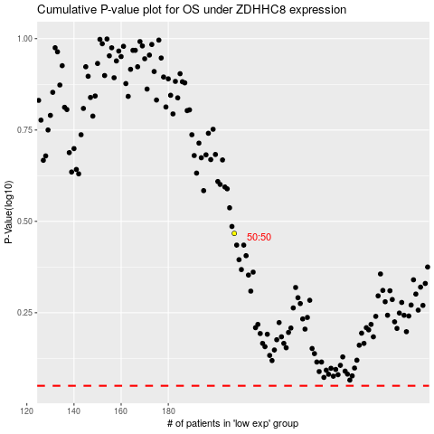

 |  |  |  |  |  | cases_OS | p_OS | rank | exp
 |  |  |  |  |  |  | cases_RFS | p_RFS | rank | exp

