ZER1 _multivariate
Reported by Tex Li-Hsing Chi. tex@gate.sinica.edu.tw 2019-08-14

Table 2. The clinicopathological features of HNSCC cohort and ZER1 expression. (Chi square test)
Cutoff at -0.324 (44.4%)
 |  | ZER1 expression |  | ZER1 expression |  | (Optimised)
 | Features | Low | (%) | High | (%) | Case no | P-value | Remark | Matthews
Gender | Female | 131 | 31.6 | 175 | 42.2 | 415 | 0.2706 | 0 | 0
2 | Male | 54 | 13 | 55 | 13.3
Age at diagnosis | <=65y | 118 | 28.4 | 156 | 37.6 | 415 | 0.4473 | 0 | 0
4 | >65y | 67 | 16.1 | 74 | 17.8
Clinical T Status | T1+T2 | 62 | 14.9 | 87 | 21 | 415 | 0.4195 | 0 | 0
6 | T3+T4 | 123 | 29.6 | 143 | 34.5
Clinical N Status | N0 | 91 | 21.9 | 125 | 30.1 | 415 | 0.3438 | 0 | 0
8 | N1-3 | 94 | 22.7 | 105 | 25.3
Clinical M Status | M0 | 183 | 44.1 | 229 | 55.2 | 415 | 0.588 | 0 | 0
10 | M1 | 2 | 0.5 | 1 | 0.2
Clinical Stage | Stage I+II | 46 | 11.1 | 56 | 13.5 | 415 | 0.9945 | 0 | 0
12 | Stage III+IV | 139 | 33.5 | 174 | 41.9
Surgical Margin status | Negative | 142 | 34.2 | 176 | 42.4 | 415 | 1 | 0 | 0
14 | Positive | 43 | 10.4 | 54 | 13
Tobacco Exposure | Low | 64 | 15.4 | 97 | 23.4 | 415 | 0.1288 | 0 | 0
16 | High | 121 | 29.2 | 133 | 32

Table 3. Univariate/Multivariate Cox's proportional hazards regression analyses on OS time of ZER1 gene expression in HNSCC

 |  | Univariate |  |  |  | Multivariate
 | Features | HR | CI95%(L) | CI95%(H) | P-value | HR | CI95%(L) | CI95%(H) | P-value
1 | Female | 1 |  |  |  | 1
Gender | Male | 1.157 | 0.843 | 1.587 | 0.367 | 1.162 | 0.83 | 1.627 | 0.382
11 | <=65y | 1 |  |  |  | 1
Age at diagnosis | >65y | 1.329 | 0.99 | 1.784 | 0.058 | 1.419 | 1.043 | 1.93 | 0.026
12 | T1+T2 | 1 |  |  |  | 1
Clinical T Status | T3+T4 | 1.409 | 1.028 | 1.931 | 0.033 | 2.14 | 1.132 | 4.044 | 0.019
13 | N0 | 1 |  |  |  | 1
Clinical N Status | N1-3 | 1.185 | 0.89 | 1.577 | 0.246 | 1.233 | 0.864 | 1.76 | 0.248
14 | M0 | 1 |  |  |  | 1
Clinical M Status | M1 | 4.097 | 1.009 | 16.644 | 0.049 | 8.214 | 1.782 | 37.87 | 0.007
15 | Stage I+II | 1 |  |  |  | 1
Clinical Stage | Stage III+IV | 1.245 | 0.882 | 1.759 | 0.213 | 0.536 | 0.249 | 1.154 | 0.111
16 | Negative | 1 |  |  |  | 1
Surgical Margin status | Positive | 1.591 | 1.155 | 2.191 | 0.004 | 1.672 | 1.211 | 2.309 | 0.002
17 | Low | 1 |  |  |  | 1
Tobacco Exposure | High | 1.364 | 1.008 | 1.844 | 0.044 | 1.425 | 1.034 | 1.963 | 0.03
18 | Low | 1 |  |  |  | 1
RNAseq(z-score) | High | 0.72 | 0.54 | 0.96 | 0.025 | 0.748 | 0.558 | 1.003 | 0.052

Table 4. Univariate/Multivariate Cox's proportional hazards regression analyses on RFS time of ZER1 gene expression in HNSCC

 |  | Univariate |  |  |  | Multivariate
 | Features | HR | CI95%(L) | CI95%(H) | P-value | HR | CI95%(L) | CI95%(H) | P-value
1 | Female | 1 |  |  |  | 1
Gender | Male | 1.157 | 0.843 | 1.587 | 0.367 | 1.162 | 0.83 | 1.627 | 0.382
11 | <=65y | 1 |  |  |  | 1
Age at diagnosis | >65y | 1.329 | 0.99 | 1.784 | 0.058 | 1.419 | 1.043 | 1.93 | 0.026
12 | T1+T2 | 1 |  |  |  | 1
Clinical T Status | T3+T4 | 1.409 | 1.028 | 1.931 | 0.033 | 2.14 | 1.132 | 4.044 | 0.019
13 | N0 | 1 |  |  |  | 1
Clinical N Status | N1-3 | 1.185 | 0.89 | 1.577 | 0.246 | 1.233 | 0.864 | 1.76 | 0.248
14 | M0 | 1 |  |  |  | 1
Clinical M Status | M1 | 4.097 | 1.009 | 16.644 | 0.049 | 8.214 | 1.782 | 37.87 | 0.007
15 | Stage I+II | 1 |  |  |  | 1
Clinical Stage | Stage III+IV | 1.245 | 0.882 | 1.759 | 0.213 | 0.536 | 0.249 | 1.154 | 0.111
16 | Negative | 1 |  |  |  | 1
Surgical Margin status | Positive | 1.591 | 1.155 | 2.191 | 0.004 | 1.672 | 1.211 | 2.309 | 0.002
17 | Low | 1 |  |  |  | 1
Tobacco Exposure | High | 1.364 | 1.008 | 1.844 | 0.044 | 1.425 | 1.034 | 1.963 | 0.03
18 | Low | 1 |  |  |  | 1
RNAseq(z-score) | High | 0.72 | 0.54 | 0.96 | 0.025 | 0.748 | 0.558 | 1.003 | 0.052

Kaplan-Meier survival estimate: Cutoff at -0.324 (44.4%)



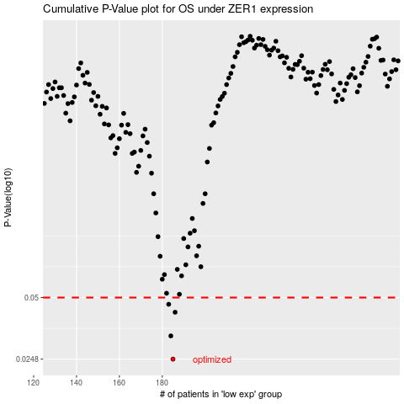

 |  |  |  |  |  | cases_OS | p_OS | rank | exp
 |  |  |  |  |  | 185 | 0.0248 | 175 | -0.3239870752
 |  |  |  |  |  | 184 | 0.0323 | 373 | -0.32740564688
 |  |  |  |  |  | 186 | 0.0423 | 230 | -0.32386958482
 |  |  |  |  |  | 183 | 0.0463 | 274 | -0.32783000618
 |  |  |  |  |  |  | cases_RFS | p_RFS | rank | exp
 |  |  |  |  |  |  | 184 | 0.0248 | 373 | -0.32740564688
 |  |  |  |  |  |  | 183 | 0.0323 | 274 | -0.32783000618
 |  |  |  |  |  |  | 185 | 0.0423 | 175 | -0.3239870752
 |  |  |  |  |  |  | 182 | 0.0463 | 275 | -0.34040227298

