ZFAND3 _multivariate
Reported by Tex Li-Hsing Chi. tex@gate.sinica.edu.tw 2019-08-14

Table 2. The clinicopathological features of HNSCC cohort and ZFAND3 expression. (Chi square test)
Cutoff at -0.102 (50.0%)
 |  | ZFAND3 expression |  | ZFAND3 expression |  | (Optimised)
 | Features | Low | (%) | High | (%) | Case no | P-value | Remark | Matthews
Gender | Female | 145 | 34.9 | 161 | 38.8 | 415 | 0.1116 | 0 | 0
2 | Male | 62 | 14.9 | 47 | 11.3
Age at diagnosis | <=65y | 132 | 31.8 | 142 | 34.2 | 415 | 0.3874 | 0 | 0
4 | >65y | 75 | 18.1 | 66 | 15.9
Clinical T Status | T1+T2 | 89 | 21.4 | 60 | 14.5 | 415 | 0.0037 | 1 | 0
6 | T3+T4 | 118 | 28.4 | 148 | 35.7
Clinical N Status | N0 | 107 | 25.8 | 109 | 26.3 | 415 | 0.9624 | 0 | 0
8 | N1-3 | 100 | 24.1 | 99 | 23.9
Clinical M Status | M0 | 205 | 49.4 | 207 | 49.9 | 415 | 0.6232 | 0 | 0
10 | M1 | 2 | 0.5 | 1 | 0.2
Clinical Stage | Stage I+II | 59 | 14.2 | 43 | 10.4 | 415 | 0.0822 | 0 | 0
12 | Stage III+IV | 148 | 35.7 | 165 | 39.8
Surgical Margin status | Negative | 155 | 37.3 | 163 | 39.3 | 415 | 0.4187 | 0 | 0
14 | Positive | 52 | 12.5 | 45 | 10.8
Tobacco Exposure | Low | 87 | 21 | 74 | 17.8 | 415 | 0.1911 | 0 | 0
16 | High | 120 | 28.9 | 134 | 32.3

Table 3. Univariate/Multivariate Cox's proportional hazards regression analyses on OS time of ZFAND3 gene expression in HNSCC

 |  | Univariate |  |  |  | Multivariate
 | Features | HR | CI95%(L) | CI95%(H) | P-value | HR | CI95%(L) | CI95%(H) | P-value
1 | Female | 1 |  |  |  | 1
Gender | Male | 1.157 | 0.843 | 1.587 | 0.367 | 1.184 | 0.844 | 1.66 | 0.328
11 | <=65y | 1 |  |  |  | 1
Age at diagnosis | >65y | 1.329 | 0.99 | 1.784 | 0.058 | 1.378 | 1.012 | 1.876 | 0.041
12 | T1+T2 | 1 |  |  |  | 1
Clinical T Status | T3+T4 | 1.409 | 1.028 | 1.931 | 0.033 | 2.219 | 1.173 | 4.198 | 0.014
13 | N0 | 1 |  |  |  | 1
Clinical N Status | N1-3 | 1.185 | 0.89 | 1.577 | 0.246 | 1.231 | 0.862 | 1.758 | 0.254
14 | M0 | 1 |  |  |  | 1
Clinical M Status | M1 | 4.097 | 1.009 | 16.644 | 0.049 | 9.339 | 2.037 | 42.808 | 0.004
15 | Stage I+II | 1 |  |  |  | 1
Clinical Stage | Stage III+IV | 1.245 | 0.882 | 1.759 | 0.213 | 0.508 | 0.237 | 1.092 | 0.083
16 | Negative | 1 |  |  |  | 1
Surgical Margin status | Positive | 1.591 | 1.155 | 2.191 | 0.004 | 1.657 | 1.198 | 2.292 | 0.002
17 | Low | 1 |  |  |  | 1
Tobacco Exposure | High | 1.364 | 1.008 | 1.844 | 0.044 | 1.446 | 1.05 | 1.993 | 0.024
18 | Low | 1 |  |  |  | 1
RNAseq(z-score) | High | 0.861 | 0.646 | 1.146 | 0.304 | 0.912 | 0.679 | 1.225 | 0.541

Table 4. Univariate/Multivariate Cox's proportional hazards regression analyses on RFS time of ZFAND3 gene expression in HNSCC

 |  | Univariate |  |  |  | Multivariate
 | Features | HR | CI95%(L) | CI95%(H) | P-value | HR | CI95%(L) | CI95%(H) | P-value
1 | Female | 1 |  |  |  | 1
Gender | Male | 1.157 | 0.843 | 1.587 | 0.367 | 1.184 | 0.844 | 1.66 | 0.328
11 | <=65y | 1 |  |  |  | 1
Age at diagnosis | >65y | 1.329 | 0.99 | 1.784 | 0.058 | 1.378 | 1.012 | 1.876 | 0.041
12 | T1+T2 | 1 |  |  |  | 1
Clinical T Status | T3+T4 | 1.409 | 1.028 | 1.931 | 0.033 | 2.219 | 1.173 | 4.198 | 0.014
13 | N0 | 1 |  |  |  | 1
Clinical N Status | N1-3 | 1.185 | 0.89 | 1.577 | 0.246 | 1.231 | 0.862 | 1.758 | 0.254
14 | M0 | 1 |  |  |  | 1
Clinical M Status | M1 | 4.097 | 1.009 | 16.644 | 0.049 | 9.339 | 2.037 | 42.808 | 0.004
15 | Stage I+II | 1 |  |  |  | 1
Clinical Stage | Stage III+IV | 1.245 | 0.882 | 1.759 | 0.213 | 0.508 | 0.237 | 1.092 | 0.083
16 | Negative | 1 |  |  |  | 1
Surgical Margin status | Positive | 1.591 | 1.155 | 2.191 | 0.004 | 1.657 | 1.198 | 2.292 | 0.002
17 | Low | 1 |  |  |  | 1
Tobacco Exposure | High | 1.364 | 1.008 | 1.844 | 0.044 | 1.446 | 1.05 | 1.993 | 0.024
18 | Low | 1 |  |  |  | 1
RNAseq(z-score) | High | 0.861 | 0.646 | 1.146 | 0.304 | 0.912 | 0.679 | 1.225 | 0.541

Kaplan-Meier survival estimate: Cutoff at -0.102 (50.0%)



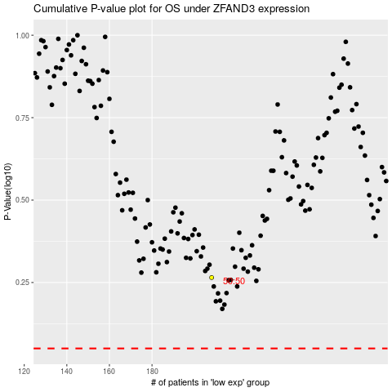

 |  |  |  |  |  | cases_OS | p_OS | rank | exp
 |  |  |  |  |  |  | cases_RFS | p_RFS | rank | exp

