ZFAND5 _multivariate
Reported by Tex Li-Hsing Chi. tex@gate.sinica.edu.tw 2019-08-14

Table 2. The clinicopathological features of HNSCC cohort and ZFAND5 expression. (Chi square test)
Cutoff at -0.219 (50.0%)
 |  | ZFAND5 expression |  | ZFAND5 expression |  | (Optimised)
 | Features | Low | (%) | High | (%) | Case no | P-value | Remark | Matthews
Gender | Female | 158 | 38.1 | 148 | 35.7 | 415 | 0.2774 | 0 | 0
2 | Male | 49 | 11.8 | 60 | 14.5
Age at diagnosis | <=65y | 132 | 31.8 | 142 | 34.2 | 415 | 0.3874 | 0 | 0
4 | >65y | 75 | 18.1 | 66 | 15.9
Clinical T Status | T1+T2 | 64 | 15.4 | 85 | 20.5 | 415 | 0.0445 | 1 | 0
6 | T3+T4 | 143 | 34.5 | 123 | 29.6
Clinical N Status | N0 | 107 | 25.8 | 109 | 26.3 | 415 | 0.9624 | 0 | 0
8 | N1-3 | 100 | 24.1 | 99 | 23.9
Clinical M Status | M0 | 204 | 49.2 | 208 | 50.1 | 415 | 0.1232 | 0 | 0
10 | M1 | 3 | 0.7 | 0 | 0
Clinical Stage | Stage I+II | 44 | 10.6 | 58 | 14 | 415 | 0.1459 | 0 | 0
12 | Stage III+IV | 163 | 39.3 | 150 | 36.1
Surgical Margin status | Negative | 159 | 38.3 | 159 | 38.3 | 415 | 1 | 0 | 0
14 | Positive | 48 | 11.6 | 49 | 11.8
Tobacco Exposure | Low | 86 | 20.7 | 75 | 18.1 | 415 | 0.2687 | 0 | 0
16 | High | 121 | 29.2 | 133 | 32

Table 3. Univariate/Multivariate Cox's proportional hazards regression analyses on OS time of ZFAND5 gene expression in HNSCC

 |  | Univariate |  |  |  | Multivariate
 | Features | HR | CI95%(L) | CI95%(H) | P-value | HR | CI95%(L) | CI95%(H) | P-value
1 | Female | 1 |  |  |  | 1
Gender | Male | 1.157 | 0.843 | 1.587 | 0.367 | 1.195 | 0.855 | 1.671 | 0.298
11 | <=65y | 1 |  |  |  | 1
Age at diagnosis | >65y | 1.329 | 0.99 | 1.784 | 0.058 | 1.391 | 1.023 | 1.891 | 0.035
12 | T1+T2 | 1 |  |  |  | 1
Clinical T Status | T3+T4 | 1.409 | 1.028 | 1.931 | 0.033 | 2.151 | 1.136 | 4.075 | 0.019
13 | N0 | 1 |  |  |  | 1
Clinical N Status | N1-3 | 1.185 | 0.89 | 1.577 | 0.246 | 1.258 | 0.881 | 1.798 | 0.207
14 | M0 | 1 |  |  |  | 1
Clinical M Status | M1 | 4.097 | 1.009 | 16.644 | 0.049 | 8.567 | 1.846 | 39.759 | 0.006
15 | Stage I+II | 1 |  |  |  | 1
Clinical Stage | Stage III+IV | 1.245 | 0.882 | 1.759 | 0.213 | 0.508 | 0.237 | 1.091 | 0.082
16 | Negative | 1 |  |  |  | 1
Surgical Margin status | Positive | 1.591 | 1.155 | 2.191 | 0.004 | 1.671 | 1.21 | 2.308 | 0.002
17 | Low | 1 |  |  |  | 1
Tobacco Exposure | High | 1.364 | 1.008 | 1.844 | 0.044 | 1.468 | 1.065 | 2.024 | 0.019
18 | Low | 1 |  |  |  | 1
RNAseq(z-score) | High | 0.845 | 0.633 | 1.126 | 0.25 | 0.873 | 0.651 | 1.17 | 0.363

Table 4. Univariate/Multivariate Cox's proportional hazards regression analyses on RFS time of ZFAND5 gene expression in HNSCC

 |  | Univariate |  |  |  | Multivariate
 | Features | HR | CI95%(L) | CI95%(H) | P-value | HR | CI95%(L) | CI95%(H) | P-value
1 | Female | 1 |  |  |  | 1
Gender | Male | 1.157 | 0.843 | 1.587 | 0.367 | 1.195 | 0.855 | 1.671 | 0.298
11 | <=65y | 1 |  |  |  | 1
Age at diagnosis | >65y | 1.329 | 0.99 | 1.784 | 0.058 | 1.391 | 1.023 | 1.891 | 0.035
12 | T1+T2 | 1 |  |  |  | 1
Clinical T Status | T3+T4 | 1.409 | 1.028 | 1.931 | 0.033 | 2.151 | 1.136 | 4.075 | 0.019
13 | N0 | 1 |  |  |  | 1
Clinical N Status | N1-3 | 1.185 | 0.89 | 1.577 | 0.246 | 1.258 | 0.881 | 1.798 | 0.207
14 | M0 | 1 |  |  |  | 1
Clinical M Status | M1 | 4.097 | 1.009 | 16.644 | 0.049 | 8.567 | 1.846 | 39.759 | 0.006
15 | Stage I+II | 1 |  |  |  | 1
Clinical Stage | Stage III+IV | 1.245 | 0.882 | 1.759 | 0.213 | 0.508 | 0.237 | 1.091 | 0.082
16 | Negative | 1 |  |  |  | 1
Surgical Margin status | Positive | 1.591 | 1.155 | 2.191 | 0.004 | 1.671 | 1.21 | 2.308 | 0.002
17 | Low | 1 |  |  |  | 1
Tobacco Exposure | High | 1.364 | 1.008 | 1.844 | 0.044 | 1.468 | 1.065 | 2.024 | 0.019
18 | Low | 1 |  |  |  | 1
RNAseq(z-score) | High | 0.845 | 0.633 | 1.126 | 0.25 | 0.873 | 0.651 | 1.17 | 0.363

Kaplan-Meier survival estimate: Cutoff at -0.219 (50.0%)



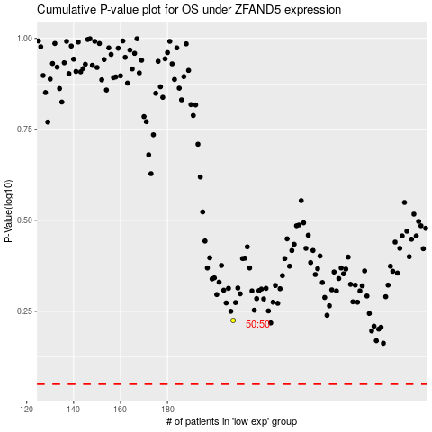

 |  |  |  |  |  | cases_OS | p_OS | rank | exp
 |  |  |  |  |  |  | cases_RFS | p_RFS | rank | exp

