ZFAND6 _multivariate
Reported by Tex Li-Hsing Chi. tex@gate.sinica.edu.tw 2019-08-14

Table 2. The clinicopathological features of HNSCC cohort and ZFAND6 expression. (Chi square test)
Cutoff at -0.207 (50.0%)
 |  | ZFAND6 expression |  | ZFAND6 expression |  | (Optimised)
 | Features | Low | (%) | High | (%) | Case no | P-value | Remark | Matthews
Gender | Female | 155 | 37.3 | 151 | 36.4 | 415 | 0.6768 | 0 | 0
2 | Male | 52 | 12.5 | 57 | 13.7
Age at diagnosis | <=65y | 127 | 30.6 | 147 | 35.4 | 415 | 0.0573 | 0 | 0
4 | >65y | 80 | 19.3 | 61 | 14.7
Clinical T Status | T1+T2 | 83 | 20 | 66 | 15.9 | 415 | 0.0941 | 0 | 0
6 | T3+T4 | 124 | 29.9 | 142 | 34.2
Clinical N Status | N0 | 106 | 25.5 | 110 | 26.5 | 415 | 0.8075 | 0 | 0
8 | N1-3 | 101 | 24.3 | 98 | 23.6
Clinical M Status | M0 | 205 | 49.4 | 207 | 49.9 | 415 | 0.6232 | 0 | 0
10 | M1 | 2 | 0.5 | 1 | 0.2
Clinical Stage | Stage I+II | 60 | 14.5 | 42 | 10.1 | 415 | 0.0493 | 1 | 0
12 | Stage III+IV | 147 | 35.4 | 166 | 40
Surgical Margin status | Negative | 167 | 40.2 | 151 | 36.4 | 415 | 0.0632 | 0 | 0
14 | Positive | 40 | 9.6 | 57 | 13.7
Tobacco Exposure | Low | 85 | 20.5 | 76 | 18.3 | 415 | 0.3655 | 0 | 0
16 | High | 122 | 29.4 | 132 | 31.8

Table 3. Univariate/Multivariate Cox's proportional hazards regression analyses on OS time of ZFAND6 gene expression in HNSCC

 |  | Univariate |  |  |  | Multivariate
 | Features | HR | CI95%(L) | CI95%(H) | P-value | HR | CI95%(L) | CI95%(H) | P-value
1 | Female | 1 |  |  |  | 1
Gender | Male | 1.157 | 0.843 | 1.587 | 0.367 | 1.176 | 0.841 | 1.645 | 0.343
11 | <=65y | 1 |  |  |  | 1
Age at diagnosis | >65y | 1.329 | 0.99 | 1.784 | 0.058 | 1.438 | 1.054 | 1.962 | 0.022
12 | T1+T2 | 1 |  |  |  | 1
Clinical T Status | T3+T4 | 1.409 | 1.028 | 1.931 | 0.033 | 2.211 | 1.169 | 4.182 | 0.015
13 | N0 | 1 |  |  |  | 1
Clinical N Status | N1-3 | 1.185 | 0.89 | 1.577 | 0.246 | 1.295 | 0.903 | 1.858 | 0.159
14 | M0 | 1 |  |  |  | 1
Clinical M Status | M1 | 4.097 | 1.009 | 16.644 | 0.049 | 9.422 | 2.055 | 43.201 | 0.004
15 | Stage I+II | 1 |  |  |  | 1
Clinical Stage | Stage III+IV | 1.245 | 0.882 | 1.759 | 0.213 | 0.483 | 0.224 | 1.039 | 0.062
16 | Negative | 1 |  |  |  | 1
Surgical Margin status | Positive | 1.591 | 1.155 | 2.191 | 0.004 | 1.605 | 1.156 | 2.228 | 0.005
17 | Low | 1 |  |  |  | 1
Tobacco Exposure | High | 1.364 | 1.008 | 1.844 | 0.044 | 1.432 | 1.039 | 1.975 | 0.028
18 | Low | 1 |  |  |  | 1
RNAseq(z-score) | High | 1.276 | 0.958 | 1.701 | 0.096 | 1.239 | 0.919 | 1.671 | 0.16

Table 4. Univariate/Multivariate Cox's proportional hazards regression analyses on RFS time of ZFAND6 gene expression in HNSCC

 |  | Univariate |  |  |  | Multivariate
 | Features | HR | CI95%(L) | CI95%(H) | P-value | HR | CI95%(L) | CI95%(H) | P-value
1 | Female | 1 |  |  |  | 1
Gender | Male | 1.157 | 0.843 | 1.587 | 0.367 | 1.176 | 0.841 | 1.645 | 0.343
11 | <=65y | 1 |  |  |  | 1
Age at diagnosis | >65y | 1.329 | 0.99 | 1.784 | 0.058 | 1.438 | 1.054 | 1.962 | 0.022
12 | T1+T2 | 1 |  |  |  | 1
Clinical T Status | T3+T4 | 1.409 | 1.028 | 1.931 | 0.033 | 2.211 | 1.169 | 4.182 | 0.015
13 | N0 | 1 |  |  |  | 1
Clinical N Status | N1-3 | 1.185 | 0.89 | 1.577 | 0.246 | 1.295 | 0.903 | 1.858 | 0.159
14 | M0 | 1 |  |  |  | 1
Clinical M Status | M1 | 4.097 | 1.009 | 16.644 | 0.049 | 9.422 | 2.055 | 43.201 | 0.004
15 | Stage I+II | 1 |  |  |  | 1
Clinical Stage | Stage III+IV | 1.245 | 0.882 | 1.759 | 0.213 | 0.483 | 0.224 | 1.039 | 0.062
16 | Negative | 1 |  |  |  | 1
Surgical Margin status | Positive | 1.591 | 1.155 | 2.191 | 0.004 | 1.605 | 1.156 | 2.228 | 0.005
17 | Low | 1 |  |  |  | 1
Tobacco Exposure | High | 1.364 | 1.008 | 1.844 | 0.044 | 1.432 | 1.039 | 1.975 | 0.028
18 | Low | 1 |  |  |  | 1
RNAseq(z-score) | High | 1.276 | 0.958 | 1.701 | 0.096 | 1.239 | 0.919 | 1.671 | 0.16

Kaplan-Meier survival estimate: Cutoff at -0.207 (50.0%)



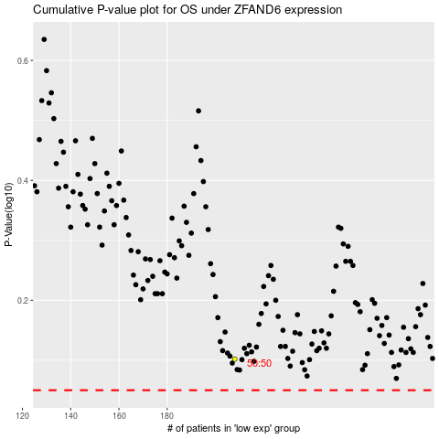

 |  |  |  |  |  | cases_OS | p_OS | rank | exp
 |  |  |  |  |  |  | cases_RFS | p_RFS | rank | exp

