ZFAT _multivariate
Reported by Tex Li-Hsing Chi. tex@gate.sinica.edu.tw 2019-08-14

Table 2. The clinicopathological features of HNSCC cohort and ZFAT expression. (Chi square test)
Cutoff at -0.236 (43.7%)
 |  | ZFAT expression |  | ZFAT expression |  | (Optimised)
 | Features | Low | (%) | High | (%) | Case no | P-value | Remark | Matthews
Gender | Female | 129 | 31.1 | 177 | 42.7 | 415 | 0.373 | 0 | 0
2 | Male | 52 | 12.5 | 57 | 13.7
Age at diagnosis | <=65y | 113 | 27.2 | 161 | 38.8 | 415 | 0.2096 | 0 | 0
4 | >65y | 68 | 16.4 | 73 | 17.6
Clinical T Status | T1+T2 | 53 | 12.8 | 96 | 23.1 | 415 | 0.0178 | 1 | 0
6 | T3+T4 | 128 | 30.8 | 138 | 33.3
Clinical N Status | N0 | 85 | 20.5 | 131 | 31.6 | 415 | 0.0845 | 0 | 0
8 | N1-3 | 96 | 23.1 | 103 | 24.8
Clinical M Status | M0 | 178 | 42.9 | 234 | 56.4 | 415 | 0.0822 | 0 | 0
10 | M1 | 3 | 0.7 | 0 | 0
Clinical Stage | Stage I+II | 37 | 8.9 | 65 | 15.7 | 415 | 0.1082 | 0 | 0
12 | Stage III+IV | 144 | 34.7 | 169 | 40.7
Surgical Margin status | Negative | 135 | 32.5 | 183 | 44.1 | 415 | 0.4141 | 0 | 0
14 | Positive | 46 | 11.1 | 51 | 12.3
Tobacco Exposure | Low | 73 | 17.6 | 88 | 21.2 | 415 | 0.6119 | 0 | 0
16 | High | 108 | 26 | 146 | 35.2

Table 3. Univariate/Multivariate Cox's proportional hazards regression analyses on OS time of ZFAT gene expression in HNSCC

 |  | Univariate |  |  |  | Multivariate
 | Features | HR | CI95%(L) | CI95%(H) | P-value | HR | CI95%(L) | CI95%(H) | P-value
1 | Female | 1 |  |  |  | 1
Gender | Male | 1.157 | 0.843 | 1.587 | 0.367 | 1.188 | 0.85 | 1.662 | 0.314
11 | <=65y | 1 |  |  |  | 1
Age at diagnosis | >65y | 1.329 | 0.99 | 1.784 | 0.058 | 1.375 | 1.011 | 1.87 | 0.043
12 | T1+T2 | 1 |  |  |  | 1
Clinical T Status | T3+T4 | 1.409 | 1.028 | 1.931 | 0.033 | 2.101 | 1.104 | 3.996 | 0.024
13 | N0 | 1 |  |  |  | 1
Clinical N Status | N1-3 | 1.185 | 0.89 | 1.577 | 0.246 | 1.214 | 0.849 | 1.735 | 0.288
14 | M0 | 1 |  |  |  | 1
Clinical M Status | M1 | 4.097 | 1.009 | 16.644 | 0.049 | 8.285 | 1.779 | 38.583 | 0.007
15 | Stage I+II | 1 |  |  |  | 1
Clinical Stage | Stage III+IV | 1.245 | 0.882 | 1.759 | 0.213 | 0.531 | 0.246 | 1.147 | 0.107
16 | Negative | 1 |  |  |  | 1
Surgical Margin status | Positive | 1.591 | 1.155 | 2.191 | 0.004 | 1.647 | 1.191 | 2.277 | 0.003
17 | Low | 1 |  |  |  | 1
Tobacco Exposure | High | 1.364 | 1.008 | 1.844 | 0.044 | 1.45 | 1.052 | 1.999 | 0.023
18 | Low | 1 |  |  |  | 1
RNAseq(z-score) | High | 0.749 | 0.562 | 0.998 | 0.048 | 0.848 | 0.631 | 1.139 | 0.273

Table 4. Univariate/Multivariate Cox's proportional hazards regression analyses on RFS time of ZFAT gene expression in HNSCC

 |  | Univariate |  |  |  | Multivariate
 | Features | HR | CI95%(L) | CI95%(H) | P-value | HR | CI95%(L) | CI95%(H) | P-value
1 | Female | 1 |  |  |  | 1
Gender | Male | 1.157 | 0.843 | 1.587 | 0.367 | 1.188 | 0.85 | 1.662 | 0.314
11 | <=65y | 1 |  |  |  | 1
Age at diagnosis | >65y | 1.329 | 0.99 | 1.784 | 0.058 | 1.375 | 1.011 | 1.87 | 0.043
12 | T1+T2 | 1 |  |  |  | 1
Clinical T Status | T3+T4 | 1.409 | 1.028 | 1.931 | 0.033 | 2.101 | 1.104 | 3.996 | 0.024
13 | N0 | 1 |  |  |  | 1
Clinical N Status | N1-3 | 1.185 | 0.89 | 1.577 | 0.246 | 1.214 | 0.849 | 1.735 | 0.288
14 | M0 | 1 |  |  |  | 1
Clinical M Status | M1 | 4.097 | 1.009 | 16.644 | 0.049 | 8.285 | 1.779 | 38.583 | 0.007
15 | Stage I+II | 1 |  |  |  | 1
Clinical Stage | Stage III+IV | 1.245 | 0.882 | 1.759 | 0.213 | 0.531 | 0.246 | 1.147 | 0.107
16 | Negative | 1 |  |  |  | 1
Surgical Margin status | Positive | 1.591 | 1.155 | 2.191 | 0.004 | 1.647 | 1.191 | 2.277 | 0.003
17 | Low | 1 |  |  |  | 1
Tobacco Exposure | High | 1.364 | 1.008 | 1.844 | 0.044 | 1.45 | 1.052 | 1.999 | 0.023
18 | Low | 1 |  |  |  | 1
RNAseq(z-score) | High | 0.749 | 0.562 | 0.998 | 0.048 | 0.848 | 0.631 | 1.139 | 0.273

Kaplan-Meier survival estimate: Cutoff at -0.236 (43.7%)



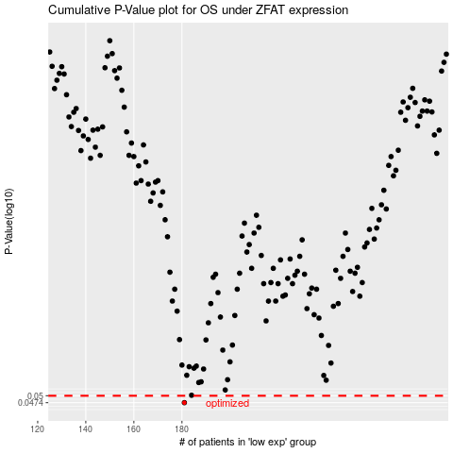

 |  |  |  |  |  | cases_OS | p_OS | rank | exp
 |  |  |  |  |  | 181 | 0.0474 | 116 | -0.23648089739
 |  |  |  |  |  |  | cases_RFS | p_RFS | rank | exp
 |  |  |  |  |  |  | 180 | 0.0474 | 113 | -0.23708626158

