ZFHX3 _multivariate
Reported by Tex Li-Hsing Chi. tex@gate.sinica.edu.tw 2019-08-14

Table 2. The clinicopathological features of HNSCC cohort and ZFHX3 expression. (Chi square test)
Cutoff at -0.159 (49.8%)
 |  | ZFHX3 expression |  | ZFHX3 expression |  | (Optimised)
 | Features | Low | (%) | High | (%) | Case no | P-value | Remark | Matthews
Gender | Female | 152 | 36.6 | 154 | 37.1 | 415 | 0.9766 | 0 | 0
2 | Male | 55 | 13.3 | 54 | 13
Age at diagnosis | <=65y | 137 | 33 | 137 | 33 | 415 | 1 | 0 | 0
4 | >65y | 70 | 16.9 | 71 | 17.1
Clinical T Status | T1+T2 | 81 | 19.5 | 68 | 16.4 | 415 | 0.206 | 0 | 0
6 | T3+T4 | 126 | 30.4 | 140 | 33.7
Clinical N Status | N0 | 106 | 25.5 | 110 | 26.5 | 415 | 0.8075 | 0 | 0
8 | N1-3 | 101 | 24.3 | 98 | 23.6
Clinical M Status | M0 | 205 | 49.4 | 207 | 49.9 | 415 | 0.6232 | 0 | 0
10 | M1 | 2 | 0.5 | 1 | 0.2
Clinical Stage | Stage I+II | 53 | 12.8 | 49 | 11.8 | 415 | 0.7113 | 0 | 0
12 | Stage III+IV | 154 | 37.1 | 159 | 38.3
Surgical Margin status | Negative | 155 | 37.3 | 163 | 39.3 | 415 | 0.4187 | 0 | 0
14 | Positive | 52 | 12.5 | 45 | 10.8
Tobacco Exposure | Low | 87 | 21 | 74 | 17.8 | 415 | 0.1911 | 0 | 0
16 | High | 120 | 28.9 | 134 | 32.3

Table 3. Univariate/Multivariate Cox's proportional hazards regression analyses on OS time of ZFHX3 gene expression in HNSCC

 |  | Univariate |  |  |  | Multivariate
 | Features | HR | CI95%(L) | CI95%(H) | P-value | HR | CI95%(L) | CI95%(H) | P-value
1 | Female | 1 |  |  |  | 1
Gender | Male | 1.157 | 0.843 | 1.587 | 0.367 | 1.205 | 0.863 | 1.684 | 0.274
11 | <=65y | 1 |  |  |  | 1
Age at diagnosis | >65y | 1.329 | 0.99 | 1.784 | 0.058 | 1.392 | 1.024 | 1.892 | 0.035
12 | T1+T2 | 1 |  |  |  | 1
Clinical T Status | T3+T4 | 1.409 | 1.028 | 1.931 | 0.033 | 2.176 | 1.149 | 4.12 | 0.017
13 | N0 | 1 |  |  |  | 1
Clinical N Status | N1-3 | 1.185 | 0.89 | 1.577 | 0.246 | 1.243 | 0.871 | 1.775 | 0.23
14 | M0 | 1 |  |  |  | 1
Clinical M Status | M1 | 4.097 | 1.009 | 16.644 | 0.049 | 9.4 | 2.051 | 43.086 | 0.004
15 | Stage I+II | 1 |  |  |  | 1
Clinical Stage | Stage III+IV | 1.245 | 0.882 | 1.759 | 0.213 | 0.509 | 0.237 | 1.094 | 0.084
16 | Negative | 1 |  |  |  | 1
Surgical Margin status | Positive | 1.591 | 1.155 | 2.191 | 0.004 | 1.682 | 1.216 | 2.326 | 0.002
17 | Low | 1 |  |  |  | 1
Tobacco Exposure | High | 1.364 | 1.008 | 1.844 | 0.044 | 1.452 | 1.054 | 2 | 0.023
18 | Low | 1 |  |  |  | 1
RNAseq(z-score) | High | 1.076 | 0.806 | 1.437 | 0.619 | 1.079 | 0.806 | 1.444 | 0.611

Table 4. Univariate/Multivariate Cox's proportional hazards regression analyses on RFS time of ZFHX3 gene expression in HNSCC

 |  | Univariate |  |  |  | Multivariate
 | Features | HR | CI95%(L) | CI95%(H) | P-value | HR | CI95%(L) | CI95%(H) | P-value
1 | Female | 1 |  |  |  | 1
Gender | Male | 1.157 | 0.843 | 1.587 | 0.367 | 1.205 | 0.863 | 1.684 | 0.274
11 | <=65y | 1 |  |  |  | 1
Age at diagnosis | >65y | 1.329 | 0.99 | 1.784 | 0.058 | 1.392 | 1.024 | 1.892 | 0.035
12 | T1+T2 | 1 |  |  |  | 1
Clinical T Status | T3+T4 | 1.409 | 1.028 | 1.931 | 0.033 | 2.176 | 1.149 | 4.12 | 0.017
13 | N0 | 1 |  |  |  | 1
Clinical N Status | N1-3 | 1.185 | 0.89 | 1.577 | 0.246 | 1.243 | 0.871 | 1.775 | 0.23
14 | M0 | 1 |  |  |  | 1
Clinical M Status | M1 | 4.097 | 1.009 | 16.644 | 0.049 | 9.4 | 2.051 | 43.086 | 0.004
15 | Stage I+II | 1 |  |  |  | 1
Clinical Stage | Stage III+IV | 1.245 | 0.882 | 1.759 | 0.213 | 0.509 | 0.237 | 1.094 | 0.084
16 | Negative | 1 |  |  |  | 1
Surgical Margin status | Positive | 1.591 | 1.155 | 2.191 | 0.004 | 1.682 | 1.216 | 2.326 | 0.002
17 | Low | 1 |  |  |  | 1
Tobacco Exposure | High | 1.364 | 1.008 | 1.844 | 0.044 | 1.452 | 1.054 | 2 | 0.023
18 | Low | 1 |  |  |  | 1
RNAseq(z-score) | High | 1.076 | 0.806 | 1.437 | 0.619 | 1.079 | 0.806 | 1.444 | 0.611

Kaplan-Meier survival estimate: Cutoff at -0.159 (49.8%)



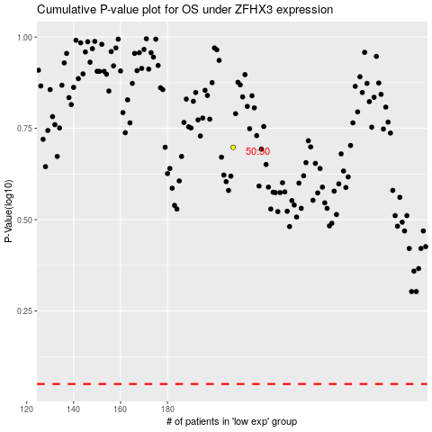

 |  |  |  |  |  | cases_OS | p_OS | rank | exp
 |  |  |  |  |  |  | cases_RFS | p_RFS | rank | exp

