ZFP1 _multivariate
Reported by Tex Li-Hsing Chi. tex@gate.sinica.edu.tw 2019-08-14

Table 2. The clinicopathological features of HNSCC cohort and ZFP1 expression. (Chi square test)
Cutoff at 0.109 (57.7%)
 |  | ZFP1 expression |  | ZFP1 expression |  | (Optimised)
 | Features | Low | (%) | High | (%) | Case no | P-value | Remark | Matthews
Gender | Female | 175 | 42.2 | 131 | 31.6 | 415 | 0.7409 | 0 | 0
2 | Male | 65 | 15.7 | 44 | 10.6
Age at diagnosis | <=65y | 156 | 37.6 | 118 | 28.4 | 415 | 0.6811 | 0 | 0
4 | >65y | 84 | 20.2 | 57 | 13.7
Clinical T Status | T1+T2 | 82 | 19.8 | 67 | 16.1 | 415 | 0.4471 | 0 | 0
6 | T3+T4 | 158 | 38.1 | 108 | 26
Clinical N Status | N0 | 131 | 31.6 | 85 | 20.5 | 415 | 0.2665 | 0 | 0
8 | N1-3 | 109 | 26.3 | 90 | 21.7
Clinical M Status | M0 | 237 | 57.1 | 175 | 42.2 | 415 | 0.2666 | 0 | 0
10 | M1 | 3 | 0.7 | 0 | 0
Clinical Stage | Stage I+II | 50 | 12 | 52 | 12.5 | 415 | 0.05 | 1 | 0
12 | Stage III+IV | 190 | 45.8 | 123 | 29.6
Surgical Margin status | Negative | 183 | 44.1 | 135 | 32.5 | 415 | 0.9066 | 0 | 0
14 | Positive | 57 | 13.7 | 40 | 9.6
Tobacco Exposure | Low | 99 | 23.9 | 62 | 14.9 | 415 | 0.262 | 0 | 0
16 | High | 141 | 34 | 113 | 27.2

Table 3. Univariate/Multivariate Cox's proportional hazards regression analyses on OS time of ZFP1 gene expression in HNSCC

 |  | Univariate |  |  |  | Multivariate
 | Features | HR | CI95%(L) | CI95%(H) | P-value | HR | CI95%(L) | CI95%(H) | P-value
1 | Female | 1 |  |  |  | 1
Gender | Male | 1.157 | 0.843 | 1.587 | 0.367 | 1.248 | 0.893 | 1.746 | 0.195
11 | <=65y | 1 |  |  |  | 1
Age at diagnosis | >65y | 1.329 | 0.99 | 1.784 | 0.058 | 1.426 | 1.049 | 1.939 | 0.024
12 | T1+T2 | 1 |  |  |  | 1
Clinical T Status | T3+T4 | 1.409 | 1.028 | 1.931 | 0.033 | 2.132 | 1.127 | 4.033 | 0.02
13 | N0 | 1 |  |  |  | 1
Clinical N Status | N1-3 | 1.185 | 0.89 | 1.577 | 0.246 | 1.143 | 0.797 | 1.639 | 0.467
14 | M0 | 1 |  |  |  | 1
Clinical M Status | M1 | 4.097 | 1.009 | 16.644 | 0.049 | 11.612 | 2.51 | 53.719 | 0.002
15 | Stage I+II | 1 |  |  |  | 1
Clinical Stage | Stage III+IV | 1.245 | 0.882 | 1.759 | 0.213 | 0.568 | 0.263 | 1.225 | 0.149
16 | Negative | 1 |  |  |  | 1
Surgical Margin status | Positive | 1.591 | 1.155 | 2.191 | 0.004 | 1.728 | 1.249 | 2.391 | 0.001
17 | Low | 1 |  |  |  | 1
Tobacco Exposure | High | 1.364 | 1.008 | 1.844 | 0.044 | 1.429 | 1.039 | 1.968 | 0.028
18 | Low | 1 |  |  |  | 1
RNAseq(z-score) | High | 1.447 | 1.083 | 1.933 | 0.013 | 1.538 | 1.14 | 2.074 | 0.005

Table 4. Univariate/Multivariate Cox's proportional hazards regression analyses on RFS time of ZFP1 gene expression in HNSCC

 |  | Univariate |  |  |  | Multivariate
 | Features | HR | CI95%(L) | CI95%(H) | P-value | HR | CI95%(L) | CI95%(H) | P-value
1 | Female | 1 |  |  |  | 1
Gender | Male | 1.157 | 0.843 | 1.587 | 0.367 | 1.248 | 0.893 | 1.746 | 0.195
11 | <=65y | 1 |  |  |  | 1
Age at diagnosis | >65y | 1.329 | 0.99 | 1.784 | 0.058 | 1.426 | 1.049 | 1.939 | 0.024
12 | T1+T2 | 1 |  |  |  | 1
Clinical T Status | T3+T4 | 1.409 | 1.028 | 1.931 | 0.033 | 2.132 | 1.127 | 4.033 | 0.02
13 | N0 | 1 |  |  |  | 1
Clinical N Status | N1-3 | 1.185 | 0.89 | 1.577 | 0.246 | 1.143 | 0.797 | 1.639 | 0.467
14 | M0 | 1 |  |  |  | 1
Clinical M Status | M1 | 4.097 | 1.009 | 16.644 | 0.049 | 11.612 | 2.51 | 53.719 | 0.002
15 | Stage I+II | 1 |  |  |  | 1
Clinical Stage | Stage III+IV | 1.245 | 0.882 | 1.759 | 0.213 | 0.568 | 0.263 | 1.225 | 0.149
16 | Negative | 1 |  |  |  | 1
Surgical Margin status | Positive | 1.591 | 1.155 | 2.191 | 0.004 | 1.728 | 1.249 | 2.391 | 0.001
17 | Low | 1 |  |  |  | 1
Tobacco Exposure | High | 1.364 | 1.008 | 1.844 | 0.044 | 1.429 | 1.039 | 1.968 | 0.028
18 | Low | 1 |  |  |  | 1
RNAseq(z-score) | High | 1.447 | 1.083 | 1.933 | 0.013 | 1.538 | 1.14 | 2.074 | 0.005

Kaplan-Meier survival estimate: Cutoff at 0.109 (57.7%)

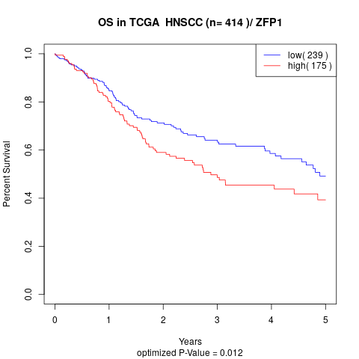

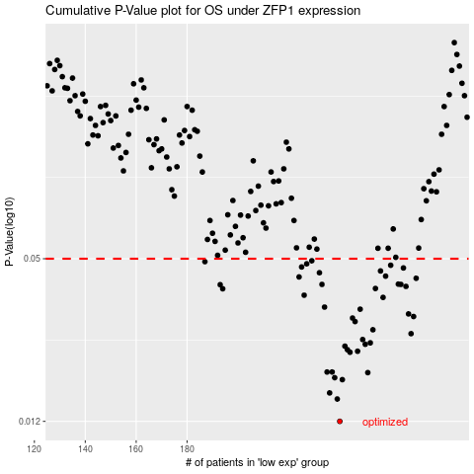

 |  |  |  |  |  | cases_OS | p_OS | rank | exp
 |  |  |  |  |  | 240 | 0.012 | 148 | 0.1093673205
 |  |  |  |  |  | 239 | 0.0146 | 37 | 0.10471607233
 |  |  |  |  |  | 236 | 0.0154 | 48 | 0.084576630838
 |  |  |  |  |  | 241 | 0.0173 | 253 | 0.11016887442
 |  |  |  |  |  | 238 | 0.0176 | 162 | 0.098808204775
 |  |  |  |  |  | 251 | 0.0184 | 181 | 0.1662904228
 |  |  |  |  |  | 237 | 0.0185 | 277 | 0.091935917753
 |  |  |  |  |  | 235 | 0.0185 | 335 | 0.081895736342
 |  |  |  |  |  | 244 | 0.022 | 58 | 0.12233588815
 |  |  |  |  |  | 247 | 0.0222 | 115 | 0.13318880053
 |  |  |  |  |  | 243 | 0.0225 | 28 | 0.1192015249
 |  |  |  |  |  | 242 | 0.0232 | 259 | 0.11550990604
 |  |  |  |  |  | 250 | 0.0236 | 347 | 0.15218019966
 |  |  |  |  |  | 252 | 0.0239 | 226 | 0.1794681609
 |  |  |  |  |  | 249 | 0.0246 | 20 | 0.15087567863
 |  |  |  |  |  | 268 | 0.0259 | 3 | 0.26481928322
 |  |  |  |  |  | 253 | 0.0268 | 217 | 0.18375056652
 |  |  |  |  |  | 246 | 0.0288 | 149 | 0.12439565819
 |  |  |  |  |  | 245 | 0.0297 | 25 | 0.12310710438
 |  |  |  |  |  | 269 | 0.0301 | 159 | 0.26839434145
 |  |  |  |  |  | 267 | 0.0308 | 341 | 0.26281539841
 |  |  |  |  |  | 248 | 0.0321 | 189 | 0.13480468215
 |  |  |  |  |  | 234 | 0.0327 | 205 | 0.072634754761
 |  |  |  |  |  | 257 | 0.0356 | 209 | 0.20777962028
 |  |  |  |  |  | 226 | 0.0363 | 123 | 0.047004189876
 |  |  |  |  |  | 194 | 0.0384 | 413 | -0.11372014546
 |  |  |  |  |  | 254 | 0.0385 | 99 | 0.18838105731
 |  |  |  |  |  | 266 | 0.0392 | 126 | 0.25446135434
 |  |  |  |  |  | 193 | 0.0398 | 391 | -0.12192409777
 |  |  |  |  |  | 264 | 0.0399 | 322 | 0.23732215153
 |  |  |  |  |  | 233 | 0.0399 | 329 | 0.071545791065
 |  |  |  |  |  | 263 | 0.04 | 342 | 0.22856094361
 |  |  |  |  |  | 270 | 0.0421 | 125 | 0.27729286738
 |  |  |  |  |  | 224 | 0.0426 | 254 | 0.039949876664
 |  |  |  |  |  | 258 | 0.0429 | 163 | 0.2105307705
 |  |  |  |  |  | 232 | 0.0442 | 147 | 0.070367410995
 |  |  |  |  |  | 256 | 0.0449 | 42 | 0.20414867682
 |  |  |  |  |  | 265 | 0.0461 | 91 | 0.24178019646
 |  |  |  |  |  | 225 | 0.0465 | 399 | 0.046047754019
 |  |  |  |  |  | 260 | 0.0472 | 377 | 0.21779904432
 |  |  |  |  |  | 227 | 0.0478 | 153 | 0.058355279196
 |  |  |  |  |  | 187 | 0.0487 | 90 | -0.15183866499
 |  |  |  |  |  | 229 | 0.0491 | 249 | 0.067146824814
 |  |  |  |  |  |  | cases_RFS | p_RFS | rank | exp
 |  |  |  |  |  |  | 239 | 0.012 | 37 | 0.10471607233
 |  |  |  |  |  |  | 238 | 0.0146 | 162 | 0.098808204775
 |  |  |  |  |  |  | 235 | 0.0154 | 335 | 0.081895736342
 |  |  |  |  |  |  | 240 | 0.0173 | 148 | 0.1093673205
 |  |  |  |  |  |  | 237 | 0.0176 | 277 | 0.091935917753
 |  |  |  |  |  |  | 250 | 0.0184 | 347 | 0.15218019966
 |  |  |  |  |  |  | 236 | 0.0185 | 48 | 0.084576630838
 |  |  |  |  |  |  | 234 | 0.0185 | 205 | 0.072634754761
 |  |  |  |  |  |  | 243 | 0.022 | 28 | 0.1192015249
 |  |  |  |  |  |  | 246 | 0.0222 | 149 | 0.12439565819
 |  |  |  |  |  |  | 242 | 0.0225 | 259 | 0.11550990604
 |  |  |  |  |  |  | 241 | 0.0232 | 253 | 0.11016887442
 |  |  |  |  |  |  | 249 | 0.0236 | 20 | 0.15087567863
 |  |  |  |  |  |  | 251 | 0.0239 | 181 | 0.1662904228
 |  |  |  |  |  |  | 248 | 0.0246 | 189 | 0.13480468215
 |  |  |  |  |  |  | 267 | 0.0259 | 341 | 0.26281539841
 |  |  |  |  |  |  | 252 | 0.0268 | 226 | 0.1794681609
 |  |  |  |  |  |  | 245 | 0.0288 | 25 | 0.12310710438
 |  |  |  |  |  |  | 244 | 0.0297 | 58 | 0.12233588815
 |  |  |  |  |  |  | 268 | 0.0301 | 3 | 0.26481928322
 |  |  |  |  |  |  | 266 | 0.0308 | 126 | 0.25446135434
 |  |  |  |  |  |  | 247 | 0.0321 | 115 | 0.13318880053
 |  |  |  |  |  |  | 233 | 0.0327 | 329 | 0.071545791065
 |  |  |  |  |  |  | 256 | 0.0356 | 42 | 0.20414867682
 |  |  |  |  |  |  | 225 | 0.0363 | 399 | 0.046047754019
 |  |  |  |  |  |  | 193 | 0.0384 | 391 | -0.12192409777
 |  |  |  |  |  |  | 253 | 0.0385 | 217 | 0.18375056652
 |  |  |  |  |  |  | 265 | 0.0392 | 91 | 0.24178019646
 |  |  |  |  |  |  | 192 | 0.0398 | 45 | -0.12446607754
 |  |  |  |  |  |  | 232 | 0.0399 | 147 | 0.070367410995
 |  |  |  |  |  |  | 263 | 0.0399 | 342 | 0.22856094361
 |  |  |  |  |  |  | 262 | 0.04 | 132 | 0.22799410767
 |  |  |  |  |  |  | 269 | 0.0421 | 159 | 0.26839434145
 |  |  |  |  |  |  | 223 | 0.0426 | 41 | 0.021060667681
 |  |  |  |  |  |  | 257 | 0.0429 | 209 | 0.20777962028
 |  |  |  |  |  |  | 231 | 0.0442 | 233 | 0.070349847065
 |  |  |  |  |  |  | 255 | 0.0449 | 160 | 0.19813702239
 |  |  |  |  |  |  | 264 | 0.0461 | 322 | 0.23732215153
 |  |  |  |  |  |  | 224 | 0.0465 | 254 | 0.039949876664
 |  |  |  |  |  |  | 259 | 0.0472 | 292 | 0.21517563178
 |  |  |  |  |  |  | 226 | 0.0478 | 123 | 0.047004189876
 |  |  |  |  |  |  | 186 | 0.0487 | 245 | -0.16988480531
 |  |  |  |  |  |  | 228 | 0.0491 | 408 | 0.062281616042

