ZFP106 _multivariate
Reported by Tex Li-Hsing Chi. tex@gate.sinica.edu.tw 2019-08-14

Table 2. The clinicopathological features of HNSCC cohort and ZFP106 expression. (Chi square test)
Cutoff at -0.198 (50.0%)
 |  | ZFP106 expression |  | ZFP106 expression |  | (Optimised)
 | Features | Low | (%) | High | (%) | Case no | P-value | Remark | Matthews
Gender | Female | 152 | 36.6 | 154 | 37.1 | 415 | 0.9766 | 0 | 0
2 | Male | 55 | 13.3 | 54 | 13
Age at diagnosis | <=65y | 129 | 31.1 | 145 | 34.9 | 415 | 0.1372 | 0 | 0
4 | >65y | 78 | 18.8 | 63 | 15.2
Clinical T Status | T1+T2 | 63 | 15.2 | 86 | 20.7 | 415 | 0.0268 | 1 | 0
6 | T3+T4 | 144 | 34.7 | 122 | 29.4
Clinical N Status | N0 | 115 | 27.7 | 101 | 24.3 | 415 | 0.184 | 1 | 0
8 | N1-3 | 92 | 22.2 | 107 | 25.8
Clinical M Status | M0 | 204 | 49.2 | 208 | 50.1 | 415 | 0.1232 | 0 | 0
10 | M1 | 3 | 0.7 | 0 | 0
Clinical Stage | Stage I+II | 43 | 10.4 | 59 | 14.2 | 415 | 0.0925 | 0 | 0
12 | Stage III+IV | 164 | 39.5 | 149 | 35.9
Surgical Margin status | Negative | 153 | 36.9 | 165 | 39.8 | 415 | 0.2036 | 0 | 0
14 | Positive | 54 | 13 | 43 | 10.4
Tobacco Exposure | Low | 87 | 21 | 74 | 17.8 | 415 | 0.1911 | 0 | 0
16 | High | 120 | 28.9 | 134 | 32.3

Table 3. Univariate/Multivariate Cox's proportional hazards regression analyses on OS time of ZFP106 gene expression in HNSCC

 |  | Univariate |  |  |  | Multivariate
 | Features | HR | CI95%(L) | CI95%(H) | P-value | HR | CI95%(L) | CI95%(H) | P-value
1 | Female | 1 |  |  |  | 1
Gender | Male | 1.157 | 0.843 | 1.587 | 0.367 | 1.207 | 0.864 | 1.687 | 0.269
11 | <=65y | 1 |  |  |  | 1
Age at diagnosis | >65y | 1.329 | 0.99 | 1.784 | 0.058 | 1.41 | 1.035 | 1.919 | 0.029
12 | T1+T2 | 1 |  |  |  | 1
Clinical T Status | T3+T4 | 1.409 | 1.028 | 1.931 | 0.033 | 2.239 | 1.182 | 4.239 | 0.013
13 | N0 | 1 |  |  |  | 1
Clinical N Status | N1-3 | 1.185 | 0.89 | 1.577 | 0.246 | 1.222 | 0.855 | 1.747 | 0.271
14 | M0 | 1 |  |  |  | 1
Clinical M Status | M1 | 4.097 | 1.009 | 16.644 | 0.049 | 10.288 | 2.214 | 47.801 | 0.003
15 | Stage I+II | 1 |  |  |  | 1
Clinical Stage | Stage III+IV | 1.245 | 0.882 | 1.759 | 0.213 | 0.508 | 0.237 | 1.091 | 0.083
16 | Negative | 1 |  |  |  | 1
Surgical Margin status | Positive | 1.591 | 1.155 | 2.191 | 0.004 | 1.709 | 1.232 | 2.37 | 0.001
17 | Low | 1 |  |  |  | 1
Tobacco Exposure | High | 1.364 | 1.008 | 1.844 | 0.044 | 1.449 | 1.052 | 1.996 | 0.023
18 | Low | 1 |  |  |  | 1
RNAseq(z-score) | High | 1.019 | 0.765 | 1.357 | 0.899 | 1.144 | 0.851 | 1.539 | 0.373

Table 4. Univariate/Multivariate Cox's proportional hazards regression analyses on RFS time of ZFP106 gene expression in HNSCC

 |  | Univariate |  |  |  | Multivariate
 | Features | HR | CI95%(L) | CI95%(H) | P-value | HR | CI95%(L) | CI95%(H) | P-value
1 | Female | 1 |  |  |  | 1
Gender | Male | 1.157 | 0.843 | 1.587 | 0.367 | 1.207 | 0.864 | 1.687 | 0.269
11 | <=65y | 1 |  |  |  | 1
Age at diagnosis | >65y | 1.329 | 0.99 | 1.784 | 0.058 | 1.41 | 1.035 | 1.919 | 0.029
12 | T1+T2 | 1 |  |  |  | 1
Clinical T Status | T3+T4 | 1.409 | 1.028 | 1.931 | 0.033 | 2.239 | 1.182 | 4.239 | 0.013
13 | N0 | 1 |  |  |  | 1
Clinical N Status | N1-3 | 1.185 | 0.89 | 1.577 | 0.246 | 1.222 | 0.855 | 1.747 | 0.271
14 | M0 | 1 |  |  |  | 1
Clinical M Status | M1 | 4.097 | 1.009 | 16.644 | 0.049 | 10.288 | 2.214 | 47.801 | 0.003
15 | Stage I+II | 1 |  |  |  | 1
Clinical Stage | Stage III+IV | 1.245 | 0.882 | 1.759 | 0.213 | 0.508 | 0.237 | 1.091 | 0.083
16 | Negative | 1 |  |  |  | 1
Surgical Margin status | Positive | 1.591 | 1.155 | 2.191 | 0.004 | 1.709 | 1.232 | 2.37 | 0.001
17 | Low | 1 |  |  |  | 1
Tobacco Exposure | High | 1.364 | 1.008 | 1.844 | 0.044 | 1.449 | 1.052 | 1.996 | 0.023
18 | Low | 1 |  |  |  | 1
RNAseq(z-score) | High | 1.019 | 0.765 | 1.357 | 0.899 | 1.144 | 0.851 | 1.539 | 0.373

Kaplan-Meier survival estimate: Cutoff at -0.198 (50.0%)



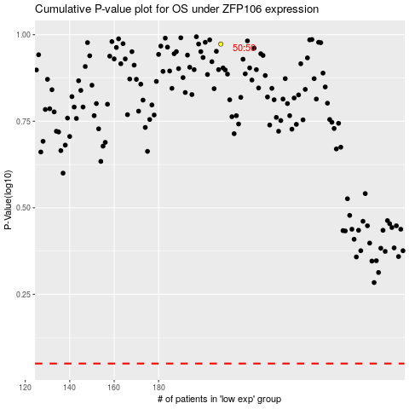

 |  |  |  |  |  | cases_OS | p_OS | rank | exp
 |  |  |  |  |  |  | cases_RFS | p_RFS | rank | exp

