ZFP41 _multivariate
Reported by Tex Li-Hsing Chi. tex@gate.sinica.edu.tw 2019-08-14

Table 2. The clinicopathological features of HNSCC cohort and ZFP41 expression. (Chi square test)
Cutoff at -0.511 (30.0%)
 |  | ZFP41 expression |  | ZFP41 expression |  | (Optimised)
 | Features | Low | (%) | High | (%) | Case no | P-value | Remark | Matthews
Gender | Female | 91 | 21.9 | 215 | 51.8 | 415 | 0.8709 | 0 | 0
2 | Male | 34 | 8.2 | 75 | 18.1
Age at diagnosis | <=65y | 84 | 20.2 | 190 | 45.8 | 415 | 0.8266 | 0 | 0
4 | >65y | 41 | 9.9 | 100 | 24.1
Clinical T Status | T1+T2 | 38 | 9.2 | 111 | 26.7 | 415 | 0.1548 | 0 | 0
6 | T3+T4 | 87 | 21 | 179 | 43.1
Clinical N Status | N0 | 54 | 13 | 162 | 39 | 415 | 0.0237 | 1 | 0
8 | N1-3 | 71 | 17.1 | 128 | 30.8
Clinical M Status | M0 | 125 | 30.1 | 287 | 69.2 | 415 | 0.5571 | 0 | 0
10 | M1 | 0 | 0 | 3 | 0.7
Clinical Stage | Stage I+II | 23 | 5.5 | 79 | 19 | 415 | 0.0727 | 0 | 0
12 | Stage III+IV | 102 | 24.6 | 211 | 50.8
Surgical Margin status | Negative | 95 | 22.9 | 223 | 53.7 | 415 | 0.8995 | 0 | 0
14 | Positive | 30 | 7.2 | 67 | 16.1
Tobacco Exposure | Low | 54 | 13 | 107 | 25.8 | 415 | 0.2296 | 0 | 0
16 | High | 71 | 17.1 | 183 | 44.1

Table 3. Univariate/Multivariate Cox's proportional hazards regression analyses on OS time of ZFP41 gene expression in HNSCC

 |  | Univariate |  |  |  | Multivariate
 | Features | HR | CI95%(L) | CI95%(H) | P-value | HR | CI95%(L) | CI95%(H) | P-value
1 | Female | 1 |  |  |  | 1
Gender | Male | 1.157 | 0.843 | 1.587 | 0.367 | 1.197 | 0.859 | 1.669 | 0.288
11 | <=65y | 1 |  |  |  | 1
Age at diagnosis | >65y | 1.329 | 0.99 | 1.784 | 0.058 | 1.433 | 1.054 | 1.949 | 0.022
12 | T1+T2 | 1 |  |  |  | 1
Clinical T Status | T3+T4 | 1.409 | 1.028 | 1.931 | 0.033 | 2.263 | 1.197 | 4.28 | 0.012
13 | N0 | 1 |  |  |  | 1
Clinical N Status | N1-3 | 1.185 | 0.89 | 1.577 | 0.246 | 1.237 | 0.868 | 1.763 | 0.239
14 | M0 | 1 |  |  |  | 1
Clinical M Status | M1 | 4.097 | 1.009 | 16.644 | 0.049 | 11.333 | 2.453 | 52.365 | 0.002
15 | Stage I+II | 1 |  |  |  | 1
Clinical Stage | Stage III+IV | 1.245 | 0.882 | 1.759 | 0.213 | 0.466 | 0.217 | 1.004 | 0.051
16 | Negative | 1 |  |  |  | 1
Surgical Margin status | Positive | 1.591 | 1.155 | 2.191 | 0.004 | 1.692 | 1.225 | 2.339 | 0.001
17 | Low | 1 |  |  |  | 1
Tobacco Exposure | High | 1.364 | 1.008 | 1.844 | 0.044 | 1.53 | 1.107 | 2.115 | 0.01
18 | Low | 1 |  |  |  | 1
RNAseq(z-score) | High | 0.717 | 0.527 | 0.976 | 0.034 | 0.656 | 0.479 | 0.899 | 0.009

Table 4. Univariate/Multivariate Cox's proportional hazards regression analyses on RFS time of ZFP41 gene expression in HNSCC

 |  | Univariate |  |  |  | Multivariate
 | Features | HR | CI95%(L) | CI95%(H) | P-value | HR | CI95%(L) | CI95%(H) | P-value
1 | Female | 1 |  |  |  | 1
Gender | Male | 1.157 | 0.843 | 1.587 | 0.367 | 1.197 | 0.859 | 1.669 | 0.288
11 | <=65y | 1 |  |  |  | 1
Age at diagnosis | >65y | 1.329 | 0.99 | 1.784 | 0.058 | 1.433 | 1.054 | 1.949 | 0.022
12 | T1+T2 | 1 |  |  |  | 1
Clinical T Status | T3+T4 | 1.409 | 1.028 | 1.931 | 0.033 | 2.263 | 1.197 | 4.28 | 0.012
13 | N0 | 1 |  |  |  | 1
Clinical N Status | N1-3 | 1.185 | 0.89 | 1.577 | 0.246 | 1.237 | 0.868 | 1.763 | 0.239
14 | M0 | 1 |  |  |  | 1
Clinical M Status | M1 | 4.097 | 1.009 | 16.644 | 0.049 | 11.333 | 2.453 | 52.365 | 0.002
15 | Stage I+II | 1 |  |  |  | 1
Clinical Stage | Stage III+IV | 1.245 | 0.882 | 1.759 | 0.213 | 0.466 | 0.217 | 1.004 | 0.051
16 | Negative | 1 |  |  |  | 1
Surgical Margin status | Positive | 1.591 | 1.155 | 2.191 | 0.004 | 1.692 | 1.225 | 2.339 | 0.001
17 | Low | 1 |  |  |  | 1
Tobacco Exposure | High | 1.364 | 1.008 | 1.844 | 0.044 | 1.53 | 1.107 | 2.115 | 0.01
18 | Low | 1 |  |  |  | 1
RNAseq(z-score) | High | 0.717 | 0.527 | 0.976 | 0.034 | 0.656 | 0.479 | 0.899 | 0.009

Kaplan-Meier survival estimate: Cutoff at -0.511 (30.0%)



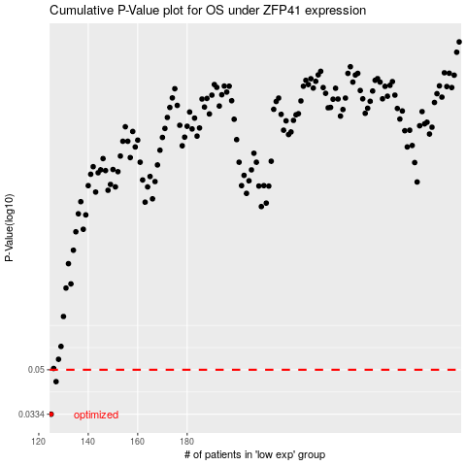

 |  |  |  |  |  | cases_OS | p_OS | rank | exp
 |  |  |  |  |  | 125 | 0.0334 | 63 | -0.5107261484
 |  |  |  |  |  | 127 | 0.0449 | 17 | -0.5010604836
 |  |  |  |  |  |  | cases_RFS | p_RFS | rank | exp
 |  |  |  |  |  |  |  | 0.0334 | 400 | -0.51456175048
 |  |  |  |  |  |  | 126 | 0.0449 | 240 | -0.50499436724

