ZFP62 _multivariate
Reported by Tex Li-Hsing Chi. tex@gate.sinica.edu.tw 2019-08-14

Table 2. The clinicopathological features of HNSCC cohort and ZFP62 expression. (Chi square test)
Cutoff at -0.321 (49.8%)
 |  | ZFP62 expression |  | ZFP62 expression |  | (Optimised)
 | Features | Low | (%) | High | (%) | Case no | P-value | Remark | Matthews
Gender | Female | 150 | 36.1 | 156 | 37.6 | 415 | 0.6344 | 0 | 0
2 | Male | 57 | 13.7 | 52 | 12.5
Age at diagnosis | <=65y | 142 | 34.2 | 132 | 31.8 | 415 | 0.3167 | 0 | 0
4 | >65y | 65 | 15.7 | 76 | 18.3
Clinical T Status | T1+T2 | 67 | 16.1 | 82 | 19.8 | 415 | 0.1628 | 0 | 0
6 | T3+T4 | 140 | 33.7 | 126 | 30.4
Clinical N Status | N0 | 105 | 25.3 | 111 | 26.7 | 415 | 0.6598 | 0 | 0
8 | N1-3 | 102 | 24.6 | 97 | 23.4
Clinical M Status | M0 | 206 | 49.6 | 206 | 49.6 | 415 | 1 | 0 | 0
10 | M1 | 1 | 0.2 | 2 | 0.5
Clinical Stage | Stage I+II | 50 | 12 | 52 | 12.5 | 415 | 0.9315 | 0 | 0
12 | Stage III+IV | 157 | 37.8 | 156 | 37.6
Surgical Margin status | Negative | 166 | 40 | 152 | 36.6 | 415 | 0.1042 | 0 | 0
14 | Positive | 41 | 9.9 | 56 | 13.5
Tobacco Exposure | Low | 84 | 20.2 | 77 | 18.6 | 415 | 0.4816 | 0 | 0
16 | High | 123 | 29.6 | 131 | 31.6

Table 3. Univariate/Multivariate Cox's proportional hazards regression analyses on OS time of ZFP62 gene expression in HNSCC

 |  | Univariate |  |  |  | Multivariate
 | Features | HR | CI95%(L) | CI95%(H) | P-value | HR | CI95%(L) | CI95%(H) | P-value
1 | Female | 1 |  |  |  | 1
Gender | Male | 1.157 | 0.843 | 1.587 | 0.367 | 1.2 | 0.858 | 1.679 | 0.286
11 | <=65y | 1 |  |  |  | 1
Age at diagnosis | >65y | 1.329 | 0.99 | 1.784 | 0.058 | 1.393 | 1.024 | 1.895 | 0.035
12 | T1+T2 | 1 |  |  |  | 1
Clinical T Status | T3+T4 | 1.409 | 1.028 | 1.931 | 0.033 | 2.195 | 1.153 | 4.179 | 0.017
13 | N0 | 1 |  |  |  | 1
Clinical N Status | N1-3 | 1.185 | 0.89 | 1.577 | 0.246 | 1.239 | 0.867 | 1.771 | 0.238
14 | M0 | 1 |  |  |  | 1
Clinical M Status | M1 | 4.097 | 1.009 | 16.644 | 0.049 | 9.387 | 2.046 | 43.074 | 0.004
15 | Stage I+II | 1 |  |  |  | 1
Clinical Stage | Stage III+IV | 1.245 | 0.882 | 1.759 | 0.213 | 0.507 | 0.234 | 1.096 | 0.084
16 | Negative | 1 |  |  |  | 1
Surgical Margin status | Positive | 1.591 | 1.155 | 2.191 | 0.004 | 1.673 | 1.21 | 2.312 | 0.002
17 | Low | 1 |  |  |  | 1
Tobacco Exposure | High | 1.364 | 1.008 | 1.844 | 0.044 | 1.452 | 1.054 | 2.002 | 0.022
18 | Low | 1 |  |  |  | 1
RNAseq(z-score) | High | 0.961 | 0.722 | 1.281 | 0.788 | 0.989 | 0.737 | 1.328 | 0.943

Table 4. Univariate/Multivariate Cox's proportional hazards regression analyses on RFS time of ZFP62 gene expression in HNSCC

 |  | Univariate |  |  |  | Multivariate
 | Features | HR | CI95%(L) | CI95%(H) | P-value | HR | CI95%(L) | CI95%(H) | P-value
1 | Female | 1 |  |  |  | 1
Gender | Male | 1.157 | 0.843 | 1.587 | 0.367 | 1.2 | 0.858 | 1.679 | 0.286
11 | <=65y | 1 |  |  |  | 1
Age at diagnosis | >65y | 1.329 | 0.99 | 1.784 | 0.058 | 1.393 | 1.024 | 1.895 | 0.035
12 | T1+T2 | 1 |  |  |  | 1
Clinical T Status | T3+T4 | 1.409 | 1.028 | 1.931 | 0.033 | 2.195 | 1.153 | 4.179 | 0.017
13 | N0 | 1 |  |  |  | 1
Clinical N Status | N1-3 | 1.185 | 0.89 | 1.577 | 0.246 | 1.239 | 0.867 | 1.771 | 0.238
14 | M0 | 1 |  |  |  | 1
Clinical M Status | M1 | 4.097 | 1.009 | 16.644 | 0.049 | 9.387 | 2.046 | 43.074 | 0.004
15 | Stage I+II | 1 |  |  |  | 1
Clinical Stage | Stage III+IV | 1.245 | 0.882 | 1.759 | 0.213 | 0.507 | 0.234 | 1.096 | 0.084
16 | Negative | 1 |  |  |  | 1
Surgical Margin status | Positive | 1.591 | 1.155 | 2.191 | 0.004 | 1.673 | 1.21 | 2.312 | 0.002
17 | Low | 1 |  |  |  | 1
Tobacco Exposure | High | 1.364 | 1.008 | 1.844 | 0.044 | 1.452 | 1.054 | 2.002 | 0.022
18 | Low | 1 |  |  |  | 1
RNAseq(z-score) | High | 0.961 | 0.722 | 1.281 | 0.788 | 0.989 | 0.737 | 1.328 | 0.943

Kaplan-Meier survival estimate: Cutoff at -0.321 (49.8%)



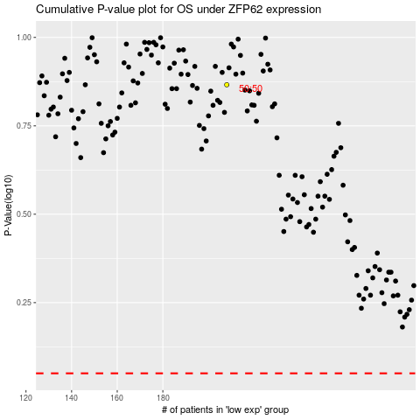

 |  |  |  |  |  | cases_OS | p_OS | rank | exp
 |  |  |  |  |  |  | cases_RFS | p_RFS | rank | exp

