ZFP64 _multivariate
Reported by Tex Li-Hsing Chi. tex@gate.sinica.edu.tw 2019-08-14

Table 2. The clinicopathological features of HNSCC cohort and ZFP64 expression. (Chi square test)
Cutoff at -0.085 (49.8%)
 |  | ZFP64 expression |  | ZFP64 expression |  | (Optimised)
 | Features | Low | (%) | High | (%) | Case no | P-value | Remark | Matthews
Gender | Female | 142 | 34.2 | 164 | 39.5 | 415 | 0.0238 | 1 | 0
2 | Male | 65 | 15.7 | 44 | 10.6
Age at diagnosis | <=65y | 129 | 31.1 | 145 | 34.9 | 415 | 0.1372 | 0 | 0
4 | >65y | 78 | 18.8 | 63 | 15.2
Clinical T Status | T1+T2 | 81 | 19.5 | 68 | 16.4 | 415 | 0.206 | 0 | 0
6 | T3+T4 | 126 | 30.4 | 140 | 33.7
Clinical N Status | N0 | 108 | 26 | 108 | 26 | 415 | 1 | 0 | 0
8 | N1-3 | 99 | 23.9 | 100 | 24.1
Clinical M Status | M0 | 205 | 49.4 | 207 | 49.9 | 415 | 0.6232 | 0 | 0
10 | M1 | 2 | 0.5 | 1 | 0.2
Clinical Stage | Stage I+II | 59 | 14.2 | 43 | 10.4 | 415 | 0.0822 | 0 | 0
12 | Stage III+IV | 148 | 35.7 | 165 | 39.8
Surgical Margin status | Negative | 155 | 37.3 | 163 | 39.3 | 415 | 0.4187 | 0 | 0
14 | Positive | 52 | 12.5 | 45 | 10.8
Tobacco Exposure | Low | 105 | 25.3 | 56 | 13.5 | 415 | 0 | 1 | 0
16 | High | 102 | 24.6 | 152 | 36.6

Table 3. Univariate/Multivariate Cox's proportional hazards regression analyses on OS time of ZFP64 gene expression in HNSCC

 |  | Univariate |  |  |  | Multivariate
 | Features | HR | CI95%(L) | CI95%(H) | P-value | HR | CI95%(L) | CI95%(H) | P-value
1 | Female | 1 |  |  |  | 1
Gender | Male | 1.157 | 0.843 | 1.587 | 0.367 | 1.188 | 0.848 | 1.663 | 0.317
11 | <=65y | 1 |  |  |  | 1
Age at diagnosis | >65y | 1.329 | 0.99 | 1.784 | 0.058 | 1.389 | 1.021 | 1.888 | 0.036
12 | T1+T2 | 1 |  |  |  | 1
Clinical T Status | T3+T4 | 1.409 | 1.028 | 1.931 | 0.033 | 2.175 | 1.148 | 4.12 | 0.017
13 | N0 | 1 |  |  |  | 1
Clinical N Status | N1-3 | 1.185 | 0.89 | 1.577 | 0.246 | 1.231 | 0.862 | 1.758 | 0.254
14 | M0 | 1 |  |  |  | 1
Clinical M Status | M1 | 4.097 | 1.009 | 16.644 | 0.049 | 9.199 | 2.002 | 42.261 | 0.004
15 | Stage I+II | 1 |  |  |  | 1
Clinical Stage | Stage III+IV | 1.245 | 0.882 | 1.759 | 0.213 | 0.52 | 0.24 | 1.124 | 0.096
16 | Negative | 1 |  |  |  | 1
Surgical Margin status | Positive | 1.591 | 1.155 | 2.191 | 0.004 | 1.661 | 1.202 | 2.297 | 0.002
17 | Low | 1 |  |  |  | 1
Tobacco Exposure | High | 1.364 | 1.008 | 1.844 | 0.044 | 1.477 | 1.066 | 2.048 | 0.019
18 | Low | 1 |  |  |  | 1
RNAseq(z-score) | High | 0.942 | 0.705 | 1.259 | 0.685 | 0.922 | 0.677 | 1.255 | 0.605

Table 4. Univariate/Multivariate Cox's proportional hazards regression analyses on RFS time of ZFP64 gene expression in HNSCC

 |  | Univariate |  |  |  | Multivariate
 | Features | HR | CI95%(L) | CI95%(H) | P-value | HR | CI95%(L) | CI95%(H) | P-value
1 | Female | 1 |  |  |  | 1
Gender | Male | 1.157 | 0.843 | 1.587 | 0.367 | 1.188 | 0.848 | 1.663 | 0.317
11 | <=65y | 1 |  |  |  | 1
Age at diagnosis | >65y | 1.329 | 0.99 | 1.784 | 0.058 | 1.389 | 1.021 | 1.888 | 0.036
12 | T1+T2 | 1 |  |  |  | 1
Clinical T Status | T3+T4 | 1.409 | 1.028 | 1.931 | 0.033 | 2.175 | 1.148 | 4.12 | 0.017
13 | N0 | 1 |  |  |  | 1
Clinical N Status | N1-3 | 1.185 | 0.89 | 1.577 | 0.246 | 1.231 | 0.862 | 1.758 | 0.254
14 | M0 | 1 |  |  |  | 1
Clinical M Status | M1 | 4.097 | 1.009 | 16.644 | 0.049 | 9.199 | 2.002 | 42.261 | 0.004
15 | Stage I+II | 1 |  |  |  | 1
Clinical Stage | Stage III+IV | 1.245 | 0.882 | 1.759 | 0.213 | 0.52 | 0.24 | 1.124 | 0.096
16 | Negative | 1 |  |  |  | 1
Surgical Margin status | Positive | 1.591 | 1.155 | 2.191 | 0.004 | 1.661 | 1.202 | 2.297 | 0.002
17 | Low | 1 |  |  |  | 1
Tobacco Exposure | High | 1.364 | 1.008 | 1.844 | 0.044 | 1.477 | 1.066 | 2.048 | 0.019
18 | Low | 1 |  |  |  | 1
RNAseq(z-score) | High | 0.942 | 0.705 | 1.259 | 0.685 | 0.922 | 0.677 | 1.255 | 0.605

Kaplan-Meier survival estimate: Cutoff at -0.085 (49.8%)

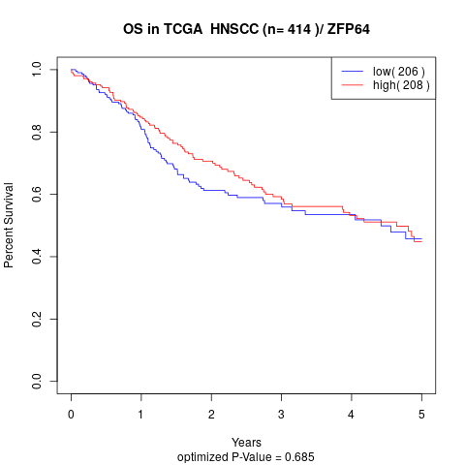

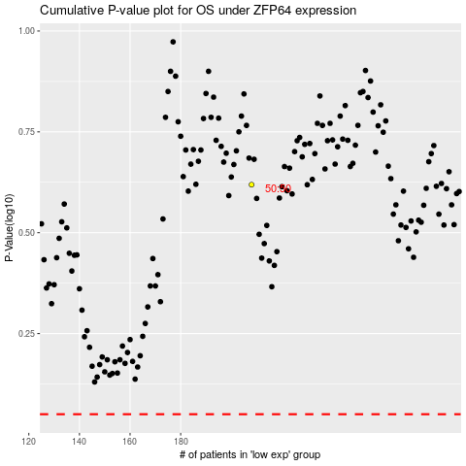

 |  |  |  |  |  | cases_OS | p_OS | rank | exp
 |  |  |  |  |  |  | cases_RFS | p_RFS | rank | exp

