ZFP92 _multivariate
Reported by Tex Li-Hsing Chi. tex@gate.sinica.edu.tw 2019-08-14

Table 2. The clinicopathological features of HNSCC cohort and ZFP92 expression. (Chi square test)
Cutoff at -0.277 (49.8%)
 |  | ZFP92 expression |  | ZFP92 expression |  | (Optimised)
 | Features | Low | (%) | High | (%) | Case no | P-value | Remark | Matthews
Gender | Female | 150 | 36.1 | 156 | 37.6 | 415 | 0.6344 | 0 | 0
2 | Male | 57 | 13.7 | 52 | 12.5
Age at diagnosis | <=65y | 142 | 34.2 | 132 | 31.8 | 415 | 0.3167 | 0 | 0
4 | >65y | 65 | 15.7 | 76 | 18.3
Clinical T Status | T1+T2 | 85 | 20.5 | 64 | 15.4 | 415 | 0.0372 | 1 | 0
6 | T3+T4 | 122 | 29.4 | 144 | 34.7
Clinical N Status | N0 | 109 | 26.3 | 107 | 25.8 | 415 | 0.8812 | 0 | 0
8 | N1-3 | 98 | 23.6 | 101 | 24.3
Clinical M Status | M0 | 206 | 49.6 | 206 | 49.6 | 415 | 1 | 0 | 0
10 | M1 | 1 | 0.2 | 2 | 0.5
Clinical Stage | Stage I+II | 54 | 13 | 48 | 11.6 | 415 | 0.5498 | 0 | 0
12 | Stage III+IV | 153 | 36.9 | 160 | 38.6
Surgical Margin status | Negative | 160 | 38.6 | 158 | 38.1 | 415 | 0.8167 | 0 | 0
14 | Positive | 47 | 11.3 | 50 | 12
Tobacco Exposure | Low | 93 | 22.4 | 68 | 16.4 | 415 | 0.0118 | 1 | 0
16 | High | 114 | 27.5 | 140 | 33.7

Table 3. Univariate/Multivariate Cox's proportional hazards regression analyses on OS time of ZFP92 gene expression in HNSCC

 |  | Univariate |  |  |  | Multivariate
 | Features | HR | CI95%(L) | CI95%(H) | P-value | HR | CI95%(L) | CI95%(H) | P-value
1 | Female | 1 |  |  |  | 1
Gender | Male | 1.157 | 0.843 | 1.587 | 0.367 | 1.203 | 0.861 | 1.681 | 0.278
11 | <=65y | 1 |  |  |  | 1
Age at diagnosis | >65y | 1.329 | 0.99 | 1.784 | 0.058 | 1.39 | 1.023 | 1.89 | 0.035
12 | T1+T2 | 1 |  |  |  | 1
Clinical T Status | T3+T4 | 1.409 | 1.028 | 1.931 | 0.033 | 2.183 | 1.151 | 4.14 | 0.017
13 | N0 | 1 |  |  |  | 1
Clinical N Status | N1-3 | 1.185 | 0.89 | 1.577 | 0.246 | 1.242 | 0.87 | 1.772 | 0.232
14 | M0 | 1 |  |  |  | 1
Clinical M Status | M1 | 4.097 | 1.009 | 16.644 | 0.049 | 9.315 | 2.029 | 42.765 | 0.004
15 | Stage I+II | 1 |  |  |  | 1
Clinical Stage | Stage III+IV | 1.245 | 0.882 | 1.759 | 0.213 | 0.507 | 0.236 | 1.089 | 0.082
16 | Negative | 1 |  |  |  | 1
Surgical Margin status | Positive | 1.591 | 1.155 | 2.191 | 0.004 | 1.672 | 1.21 | 2.311 | 0.002
17 | Low | 1 |  |  |  | 1
Tobacco Exposure | High | 1.364 | 1.008 | 1.844 | 0.044 | 1.449 | 1.051 | 1.998 | 0.024
18 | Low | 1 |  |  |  | 1
RNAseq(z-score) | High | 1.095 | 0.821 | 1.459 | 0.538 | 1.041 | 0.778 | 1.394 | 0.785

Table 4. Univariate/Multivariate Cox's proportional hazards regression analyses on RFS time of ZFP92 gene expression in HNSCC

 |  | Univariate |  |  |  | Multivariate
 | Features | HR | CI95%(L) | CI95%(H) | P-value | HR | CI95%(L) | CI95%(H) | P-value
1 | Female | 1 |  |  |  | 1
Gender | Male | 1.157 | 0.843 | 1.587 | 0.367 | 1.203 | 0.861 | 1.681 | 0.278
11 | <=65y | 1 |  |  |  | 1
Age at diagnosis | >65y | 1.329 | 0.99 | 1.784 | 0.058 | 1.39 | 1.023 | 1.89 | 0.035
12 | T1+T2 | 1 |  |  |  | 1
Clinical T Status | T3+T4 | 1.409 | 1.028 | 1.931 | 0.033 | 2.183 | 1.151 | 4.14 | 0.017
13 | N0 | 1 |  |  |  | 1
Clinical N Status | N1-3 | 1.185 | 0.89 | 1.577 | 0.246 | 1.242 | 0.87 | 1.772 | 0.232
14 | M0 | 1 |  |  |  | 1
Clinical M Status | M1 | 4.097 | 1.009 | 16.644 | 0.049 | 9.315 | 2.029 | 42.765 | 0.004
15 | Stage I+II | 1 |  |  |  | 1
Clinical Stage | Stage III+IV | 1.245 | 0.882 | 1.759 | 0.213 | 0.507 | 0.236 | 1.089 | 0.082
16 | Negative | 1 |  |  |  | 1
Surgical Margin status | Positive | 1.591 | 1.155 | 2.191 | 0.004 | 1.672 | 1.21 | 2.311 | 0.002
17 | Low | 1 |  |  |  | 1
Tobacco Exposure | High | 1.364 | 1.008 | 1.844 | 0.044 | 1.449 | 1.051 | 1.998 | 0.024
18 | Low | 1 |  |  |  | 1
RNAseq(z-score) | High | 1.095 | 0.821 | 1.459 | 0.538 | 1.041 | 0.778 | 1.394 | 0.785

Kaplan-Meier survival estimate: Cutoff at -0.277 (49.8%)



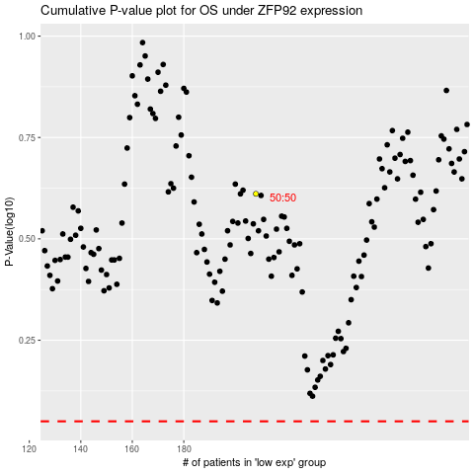

 |  |  |  |  |  | cases_OS | p_OS | rank | exp
 |  |  |  |  |  |  | cases_RFS | p_RFS | rank | exp

