ZFPM1 _multivariate
Reported by Tex Li-Hsing Chi. tex@gate.sinica.edu.tw 2019-08-14

Table 2. The clinicopathological features of HNSCC cohort and ZFPM1 expression. (Chi square test)
Cutoff at -0.126 (50.0%)
 |  | ZFPM1 expression |  | ZFPM1 expression |  | (Optimised)
 | Features | Low | (%) | High | (%) | Case no | P-value | Remark | Matthews
Gender | Female | 149 | 35.9 | 157 | 37.8 | 415 | 0.4848 | 0 | 0
2 | Male | 58 | 14 | 51 | 12.3
Age at diagnosis | <=65y | 139 | 33.5 | 135 | 32.5 | 415 | 0.7044 | 0 | 0
4 | >65y | 68 | 16.4 | 73 | 17.6
Clinical T Status | T1+T2 | 77 | 18.6 | 72 | 17.3 | 415 | 0.6556 | 0 | 0
6 | T3+T4 | 130 | 31.3 | 136 | 32.8
Clinical N Status | N0 | 107 | 25.8 | 109 | 26.3 | 415 | 0.9624 | 0 | 0
8 | N1-3 | 100 | 24.1 | 99 | 23.9
Clinical M Status | M0 | 207 | 49.9 | 205 | 49.4 | 415 | 0.2482 | 0 | 0
10 | M1 | 0 | 0 | 3 | 0.7
Clinical Stage | Stage I+II | 48 | 11.6 | 54 | 13 | 415 | 0.5878 | 0 | 0
12 | Stage III+IV | 159 | 38.3 | 154 | 37.1
Surgical Margin status | Negative | 158 | 38.1 | 160 | 38.6 | 415 | 0.9081 | 0 | 0
14 | Positive | 49 | 11.8 | 48 | 11.6
Tobacco Exposure | Low | 82 | 19.8 | 79 | 19 | 415 | 0.763 | 0 | 0
16 | High | 125 | 30.1 | 129 | 31.1

Table 3. Univariate/Multivariate Cox's proportional hazards regression analyses on OS time of ZFPM1 gene expression in HNSCC

 |  | Univariate |  |  |  | Multivariate
 | Features | HR | CI95%(L) | CI95%(H) | P-value | HR | CI95%(L) | CI95%(H) | P-value
1 | Female | 1 |  |  |  | 1
Gender | Male | 1.157 | 0.843 | 1.587 | 0.367 | 1.202 | 0.861 | 1.679 | 0.28
11 | <=65y | 1 |  |  |  | 1
Age at diagnosis | >65y | 1.329 | 0.99 | 1.784 | 0.058 | 1.392 | 1.024 | 1.893 | 0.035
12 | T1+T2 | 1 |  |  |  | 1
Clinical T Status | T3+T4 | 1.409 | 1.028 | 1.931 | 0.033 | 2.213 | 1.168 | 4.194 | 0.015
13 | N0 | 1 |  |  |  | 1
Clinical N Status | N1-3 | 1.185 | 0.89 | 1.577 | 0.246 | 1.243 | 0.871 | 1.774 | 0.231
14 | M0 | 1 |  |  |  | 1
Clinical M Status | M1 | 4.097 | 1.009 | 16.644 | 0.049 | 9.576 | 2.063 | 44.456 | 0.004
15 | Stage I+II | 1 |  |  |  | 1
Clinical Stage | Stage III+IV | 1.245 | 0.882 | 1.759 | 0.213 | 0.501 | 0.232 | 1.08 | 0.078
16 | Negative | 1 |  |  |  | 1
Surgical Margin status | Positive | 1.591 | 1.155 | 2.191 | 0.004 | 1.672 | 1.21 | 2.311 | 0.002
17 | Low | 1 |  |  |  | 1
Tobacco Exposure | High | 1.364 | 1.008 | 1.844 | 0.044 | 1.454 | 1.055 | 2.004 | 0.022
18 | Low | 1 |  |  |  | 1
RNAseq(z-score) | High | 1.029 | 0.771 | 1.374 | 0.845 | 0.974 | 0.726 | 1.305 | 0.858

Table 4. Univariate/Multivariate Cox's proportional hazards regression analyses on RFS time of ZFPM1 gene expression in HNSCC

 |  | Univariate |  |  |  | Multivariate
 | Features | HR | CI95%(L) | CI95%(H) | P-value | HR | CI95%(L) | CI95%(H) | P-value
1 | Female | 1 |  |  |  | 1
Gender | Male | 1.157 | 0.843 | 1.587 | 0.367 | 1.202 | 0.861 | 1.679 | 0.28
11 | <=65y | 1 |  |  |  | 1
Age at diagnosis | >65y | 1.329 | 0.99 | 1.784 | 0.058 | 1.392 | 1.024 | 1.893 | 0.035
12 | T1+T2 | 1 |  |  |  | 1
Clinical T Status | T3+T4 | 1.409 | 1.028 | 1.931 | 0.033 | 2.213 | 1.168 | 4.194 | 0.015
13 | N0 | 1 |  |  |  | 1
Clinical N Status | N1-3 | 1.185 | 0.89 | 1.577 | 0.246 | 1.243 | 0.871 | 1.774 | 0.231
14 | M0 | 1 |  |  |  | 1
Clinical M Status | M1 | 4.097 | 1.009 | 16.644 | 0.049 | 9.576 | 2.063 | 44.456 | 0.004
15 | Stage I+II | 1 |  |  |  | 1
Clinical Stage | Stage III+IV | 1.245 | 0.882 | 1.759 | 0.213 | 0.501 | 0.232 | 1.08 | 0.078
16 | Negative | 1 |  |  |  | 1
Surgical Margin status | Positive | 1.591 | 1.155 | 2.191 | 0.004 | 1.672 | 1.21 | 2.311 | 0.002
17 | Low | 1 |  |  |  | 1
Tobacco Exposure | High | 1.364 | 1.008 | 1.844 | 0.044 | 1.454 | 1.055 | 2.004 | 0.022
18 | Low | 1 |  |  |  | 1
RNAseq(z-score) | High | 1.029 | 0.771 | 1.374 | 0.845 | 0.974 | 0.726 | 1.305 | 0.858

Kaplan-Meier survival estimate: Cutoff at -0.126 (50.0%)



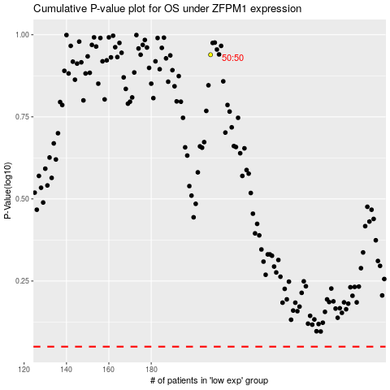

 |  |  |  |  |  | cases_OS | p_OS | rank | exp
 |  |  |  |  |  |  | cases_RFS | p_RFS | rank | exp

