ZFR _multivariate
Reported by Tex Li-Hsing Chi. tex@gate.sinica.edu.tw 2019-08-14

Table 2. The clinicopathological features of HNSCC cohort and ZFR expression. (Chi square test)
Cutoff at -0.065 (49.8%)
 |  | ZFR expression |  | ZFR expression |  | (Optimised)
 | Features | Low | (%) | High | (%) | Case no | P-value | Remark | Matthews
Gender | Female | 144 | 34.7 | 162 | 39 | 415 | 0.0697 | 0 | 0
2 | Male | 63 | 15.2 | 46 | 11.1
Age at diagnosis | <=65y | 128 | 30.8 | 146 | 35.2 | 415 | 0.0904 | 0 | 0
4 | >65y | 79 | 19 | 62 | 14.9
Clinical T Status | T1+T2 | 70 | 16.9 | 79 | 19 | 415 | 0.4343 | 0 | 0
6 | T3+T4 | 137 | 33 | 129 | 31.1
Clinical N Status | N0 | 110 | 26.5 | 106 | 25.5 | 415 | 0.7294 | 0 | 0
8 | N1-3 | 97 | 23.4 | 102 | 24.6
Clinical M Status | M0 | 204 | 49.2 | 208 | 50.1 | 415 | 0.1232 | 0 | 0
10 | M1 | 3 | 0.7 | 0 | 0
Clinical Stage | Stage I+II | 49 | 11.8 | 53 | 12.8 | 415 | 0.7535 | 0 | 0
12 | Stage III+IV | 158 | 38.1 | 155 | 37.3
Surgical Margin status | Negative | 150 | 36.1 | 168 | 40.5 | 415 | 0.0492 | 1 | 0
14 | Positive | 57 | 13.7 | 40 | 9.6
Tobacco Exposure | Low | 86 | 20.7 | 75 | 18.1 | 415 | 0.2687 | 0 | 0
16 | High | 121 | 29.2 | 133 | 32

Table 3. Univariate/Multivariate Cox's proportional hazards regression analyses on OS time of ZFR gene expression in HNSCC

 |  | Univariate |  |  |  | Multivariate
 | Features | HR | CI95%(L) | CI95%(H) | P-value | HR | CI95%(L) | CI95%(H) | P-value
1 | Female | 1 |  |  |  | 1
Gender | Male | 1.157 | 0.843 | 1.587 | 0.367 | 1.219 | 0.871 | 1.706 | 0.249
11 | <=65y | 1 |  |  |  | 1
Age at diagnosis | >65y | 1.329 | 0.99 | 1.784 | 0.058 | 1.404 | 1.032 | 1.909 | 0.031
12 | T1+T2 | 1 |  |  |  | 1
Clinical T Status | T3+T4 | 1.409 | 1.028 | 1.931 | 0.033 | 2.221 | 1.174 | 4.203 | 0.014
13 | N0 | 1 |  |  |  | 1
Clinical N Status | N1-3 | 1.185 | 0.89 | 1.577 | 0.246 | 1.239 | 0.868 | 1.767 | 0.238
14 | M0 | 1 |  |  |  | 1
Clinical M Status | M1 | 4.097 | 1.009 | 16.644 | 0.049 | 10.062 | 2.167 | 46.712 | 0.003
15 | Stage I+II | 1 |  |  |  | 1
Clinical Stage | Stage III+IV | 1.245 | 0.882 | 1.759 | 0.213 | 0.501 | 0.233 | 1.076 | 0.076
16 | Negative | 1 |  |  |  | 1
Surgical Margin status | Positive | 1.591 | 1.155 | 2.191 | 0.004 | 1.699 | 1.225 | 2.357 | 0.001
17 | Low | 1 |  |  |  | 1
Tobacco Exposure | High | 1.364 | 1.008 | 1.844 | 0.044 | 1.456 | 1.058 | 2.005 | 0.021
18 | Low | 1 |  |  |  | 1
RNAseq(z-score) | High | 0.958 | 0.719 | 1.276 | 0.769 | 1.108 | 0.824 | 1.49 | 0.496

Table 4. Univariate/Multivariate Cox's proportional hazards regression analyses on RFS time of ZFR gene expression in HNSCC

 |  | Univariate |  |  |  | Multivariate
 | Features | HR | CI95%(L) | CI95%(H) | P-value | HR | CI95%(L) | CI95%(H) | P-value
1 | Female | 1 |  |  |  | 1
Gender | Male | 1.157 | 0.843 | 1.587 | 0.367 | 1.219 | 0.871 | 1.706 | 0.249
11 | <=65y | 1 |  |  |  | 1
Age at diagnosis | >65y | 1.329 | 0.99 | 1.784 | 0.058 | 1.404 | 1.032 | 1.909 | 0.031
12 | T1+T2 | 1 |  |  |  | 1
Clinical T Status | T3+T4 | 1.409 | 1.028 | 1.931 | 0.033 | 2.221 | 1.174 | 4.203 | 0.014
13 | N0 | 1 |  |  |  | 1
Clinical N Status | N1-3 | 1.185 | 0.89 | 1.577 | 0.246 | 1.239 | 0.868 | 1.767 | 0.238
14 | M0 | 1 |  |  |  | 1
Clinical M Status | M1 | 4.097 | 1.009 | 16.644 | 0.049 | 10.062 | 2.167 | 46.712 | 0.003
15 | Stage I+II | 1 |  |  |  | 1
Clinical Stage | Stage III+IV | 1.245 | 0.882 | 1.759 | 0.213 | 0.501 | 0.233 | 1.076 | 0.076
16 | Negative | 1 |  |  |  | 1
Surgical Margin status | Positive | 1.591 | 1.155 | 2.191 | 0.004 | 1.699 | 1.225 | 2.357 | 0.001
17 | Low | 1 |  |  |  | 1
Tobacco Exposure | High | 1.364 | 1.008 | 1.844 | 0.044 | 1.456 | 1.058 | 2.005 | 0.021
18 | Low | 1 |  |  |  | 1
RNAseq(z-score) | High | 0.958 | 0.719 | 1.276 | 0.769 | 1.108 | 0.824 | 1.49 | 0.496

Kaplan-Meier survival estimate: Cutoff at -0.065 (49.8%)



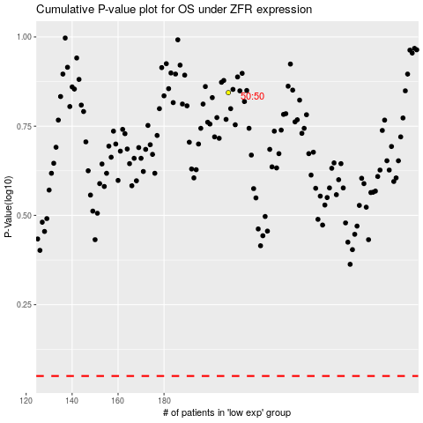

 |  |  |  |  |  | cases_OS | p_OS | rank | exp
 |  |  |  |  |  |  | cases_RFS | p_RFS | rank | exp

