ZFX _multivariate
Reported by Tex Li-Hsing Chi. tex@gate.sinica.edu.tw 2019-08-14

Table 2. The clinicopathological features of HNSCC cohort and ZFX expression. (Chi square test)
Cutoff at -0.196 (49.8%)
 |  | ZFX expression |  | ZFX expression |  | (Optimised)
 | Features | Low | (%) | High | (%) | Case no | P-value | Remark | Matthews
Gender | Female | 177 | 42.7 | 129 | 31.1 | 415 | 0 | 1 | 0
2 | Male | 30 | 7.2 | 79 | 19
Age at diagnosis | <=65y | 146 | 35.2 | 128 | 30.8 | 415 | 0.0672 | 0 | 0
4 | >65y | 61 | 14.7 | 80 | 19.3
Clinical T Status | T1+T2 | 60 | 14.5 | 89 | 21.4 | 415 | 0.0047 | 1 | 0
6 | T3+T4 | 147 | 35.4 | 119 | 28.7
Clinical N Status | N0 | 100 | 24.1 | 116 | 28 | 415 | 0.1548 | 0 | 0
8 | N1-3 | 107 | 25.8 | 92 | 22.2
Clinical M Status | M0 | 204 | 49.2 | 208 | 50.1 | 415 | 0.1232 | 0 | 0
10 | M1 | 3 | 0.7 | 0 | 0
Clinical Stage | Stage I+II | 37 | 8.9 | 65 | 15.7 | 415 | 0.0023 | 1 | 0
12 | Stage III+IV | 170 | 41 | 143 | 34.5
Surgical Margin status | Negative | 157 | 37.8 | 161 | 38.8 | 415 | 0.729 | 0 | 0
14 | Positive | 50 | 12 | 47 | 11.3
Tobacco Exposure | Low | 76 | 18.3 | 85 | 20.5 | 415 | 0.4207 | 0 | 0
16 | High | 131 | 31.6 | 123 | 29.6

Table 3. Univariate/Multivariate Cox's proportional hazards regression analyses on OS time of ZFX gene expression in HNSCC

 |  | Univariate |  |  |  | Multivariate
 | Features | HR | CI95%(L) | CI95%(H) | P-value | HR | CI95%(L) | CI95%(H) | P-value
1 | Female | 1 |  |  |  | 1
Gender | Male | 1.157 | 0.843 | 1.587 | 0.367 | 1.147 | 0.815 | 1.615 | 0.431
11 | <=65y | 1 |  |  |  | 1
Age at diagnosis | >65y | 1.329 | 0.99 | 1.784 | 0.058 | 1.364 | 1.002 | 1.858 | 0.049
12 | T1+T2 | 1 |  |  |  | 1
Clinical T Status | T3+T4 | 1.409 | 1.028 | 1.931 | 0.033 | 2.228 | 1.177 | 4.216 | 0.014
13 | N0 | 1 |  |  |  | 1
Clinical N Status | N1-3 | 1.185 | 0.89 | 1.577 | 0.246 | 1.22 | 0.855 | 1.743 | 0.273
14 | M0 | 1 |  |  |  | 1
Clinical M Status | M1 | 4.097 | 1.009 | 16.644 | 0.049 | 10.397 | 2.248 | 48.081 | 0.003
15 | Stage I+II | 1 |  |  |  | 1
Clinical Stage | Stage III+IV | 1.245 | 0.882 | 1.759 | 0.213 | 0.518 | 0.241 | 1.113 | 0.092
16 | Negative | 1 |  |  |  | 1
Surgical Margin status | Positive | 1.591 | 1.155 | 2.191 | 0.004 | 1.699 | 1.228 | 2.351 | 0.001
17 | Low | 1 |  |  |  | 1
Tobacco Exposure | High | 1.364 | 1.008 | 1.844 | 0.044 | 1.457 | 1.057 | 2.008 | 0.022
18 | Low | 1 |  |  |  | 1
RNAseq(z-score) | High | 1.164 | 0.871 | 1.554 | 0.304 | 1.217 | 0.897 | 1.652 | 0.207

Table 4. Univariate/Multivariate Cox's proportional hazards regression analyses on RFS time of ZFX gene expression in HNSCC

 |  | Univariate |  |  |  | Multivariate
 | Features | HR | CI95%(L) | CI95%(H) | P-value | HR | CI95%(L) | CI95%(H) | P-value
1 | Female | 1 |  |  |  | 1
Gender | Male | 1.157 | 0.843 | 1.587 | 0.367 | 1.147 | 0.815 | 1.615 | 0.431
11 | <=65y | 1 |  |  |  | 1
Age at diagnosis | >65y | 1.329 | 0.99 | 1.784 | 0.058 | 1.364 | 1.002 | 1.858 | 0.049
12 | T1+T2 | 1 |  |  |  | 1
Clinical T Status | T3+T4 | 1.409 | 1.028 | 1.931 | 0.033 | 2.228 | 1.177 | 4.216 | 0.014
13 | N0 | 1 |  |  |  | 1
Clinical N Status | N1-3 | 1.185 | 0.89 | 1.577 | 0.246 | 1.22 | 0.855 | 1.743 | 0.273
14 | M0 | 1 |  |  |  | 1
Clinical M Status | M1 | 4.097 | 1.009 | 16.644 | 0.049 | 10.397 | 2.248 | 48.081 | 0.003
15 | Stage I+II | 1 |  |  |  | 1
Clinical Stage | Stage III+IV | 1.245 | 0.882 | 1.759 | 0.213 | 0.518 | 0.241 | 1.113 | 0.092
16 | Negative | 1 |  |  |  | 1
Surgical Margin status | Positive | 1.591 | 1.155 | 2.191 | 0.004 | 1.699 | 1.228 | 2.351 | 0.001
17 | Low | 1 |  |  |  | 1
Tobacco Exposure | High | 1.364 | 1.008 | 1.844 | 0.044 | 1.457 | 1.057 | 2.008 | 0.022
18 | Low | 1 |  |  |  | 1
RNAseq(z-score) | High | 1.164 | 0.871 | 1.554 | 0.304 | 1.217 | 0.897 | 1.652 | 0.207

Kaplan-Meier survival estimate: Cutoff at -0.196 (49.8%)

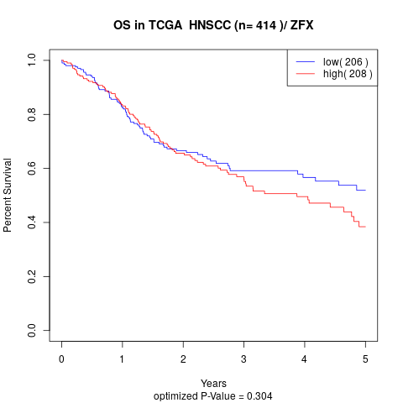

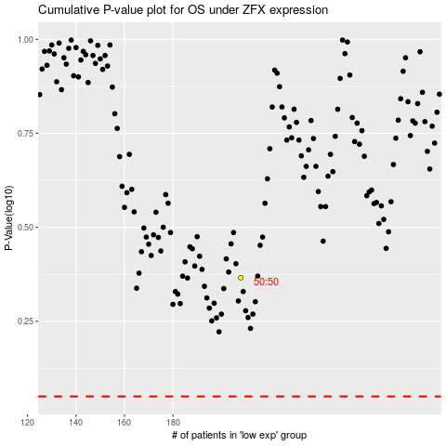

 |  |  |  |  |  | cases_OS | p_OS | rank | exp
 |  |  |  |  |  |  | cases_RFS | p_RFS | rank | exp

