ZFYVE16 _multivariate
Reported by Tex Li-Hsing Chi. tex@gate.sinica.edu.tw 2019-08-14

Table 2. The clinicopathological features of HNSCC cohort and ZFYVE16 expression. (Chi square test)
Cutoff at -0.241 (48.6%)
 |  | ZFYVE16 expression |  | ZFYVE16 expression |  | (Optimised)
 | Features | Low | (%) | High | (%) | Case no | P-value | Remark | Matthews
Gender | Female | 155 | 37.3 | 151 | 36.4 | 415 | 0.1602 | 0 | 0
2 | Male | 46 | 11.1 | 63 | 15.2
Age at diagnosis | <=65y | 133 | 32 | 141 | 34 | 415 | 1 | 0 | 0
4 | >65y | 68 | 16.4 | 73 | 17.6
Clinical T Status | T1+T2 | 63 | 15.2 | 86 | 20.7 | 415 | 0.076 | 0 | 0
6 | T3+T4 | 138 | 33.3 | 128 | 30.8
Clinical N Status | N0 | 104 | 25.1 | 112 | 27 | 415 | 0.9817 | 0 | 0
8 | N1-3 | 97 | 23.4 | 102 | 24.6
Clinical M Status | M0 | 198 | 47.7 | 214 | 51.6 | 415 | 0.1127 | 0 | 0
10 | M1 | 3 | 0.7 | 0 | 0
Clinical Stage | Stage I+II | 45 | 10.8 | 57 | 13.7 | 415 | 0.3733 | 0 | 0
12 | Stage III+IV | 156 | 37.6 | 157 | 37.8
Surgical Margin status | Negative | 152 | 36.6 | 166 | 40 | 415 | 0.6446 | 0 | 0
14 | Positive | 49 | 11.8 | 48 | 11.6
Tobacco Exposure | Low | 71 | 17.1 | 90 | 21.7 | 415 | 0.19 | 0 | 0
16 | High | 130 | 31.3 | 124 | 29.9

Table 3. Univariate/Multivariate Cox's proportional hazards regression analyses on OS time of ZFYVE16 gene expression in HNSCC

 |  | Univariate |  |  |  | Multivariate
 | Features | HR | CI95%(L) | CI95%(H) | P-value | HR | CI95%(L) | CI95%(H) | P-value
1 | Female | 1 |  |  |  | 1
Gender | Male | 1.157 | 0.843 | 1.587 | 0.367 | 1.202 | 0.86 | 1.68 | 0.281
11 | <=65y | 1 |  |  |  | 1
Age at diagnosis | >65y | 1.329 | 0.99 | 1.784 | 0.058 | 1.396 | 1.028 | 1.896 | 0.033
12 | T1+T2 | 1 |  |  |  | 1
Clinical T Status | T3+T4 | 1.409 | 1.028 | 1.931 | 0.033 | 2.106 | 1.111 | 3.992 | 0.022
13 | N0 | 1 |  |  |  | 1
Clinical N Status | N1-3 | 1.185 | 0.89 | 1.577 | 0.246 | 1.246 | 0.873 | 1.778 | 0.226
14 | M0 | 1 |  |  |  | 1
Clinical M Status | M1 | 4.097 | 1.009 | 16.644 | 0.049 | 8.141 | 1.756 | 37.75 | 0.007
15 | Stage I+II | 1 |  |  |  | 1
Clinical Stage | Stage III+IV | 1.245 | 0.882 | 1.759 | 0.213 | 0.517 | 0.241 | 1.111 | 0.091
16 | Negative | 1 |  |  |  | 1
Surgical Margin status | Positive | 1.591 | 1.155 | 2.191 | 0.004 | 1.639 | 1.186 | 2.266 | 0.003
17 | Low | 1 |  |  |  | 1
Tobacco Exposure | High | 1.364 | 1.008 | 1.844 | 0.044 | 1.425 | 1.034 | 1.964 | 0.03
18 | Low | 1 |  |  |  | 1
RNAseq(z-score) | High | 0.728 | 0.546 | 0.971 | 0.031 | 0.808 | 0.602 | 1.083 | 0.153

Table 4. Univariate/Multivariate Cox's proportional hazards regression analyses on RFS time of ZFYVE16 gene expression in HNSCC

 |  | Univariate |  |  |  | Multivariate
 | Features | HR | CI95%(L) | CI95%(H) | P-value | HR | CI95%(L) | CI95%(H) | P-value
1 | Female | 1 |  |  |  | 1
Gender | Male | 1.157 | 0.843 | 1.587 | 0.367 | 1.202 | 0.86 | 1.68 | 0.281
11 | <=65y | 1 |  |  |  | 1
Age at diagnosis | >65y | 1.329 | 0.99 | 1.784 | 0.058 | 1.396 | 1.028 | 1.896 | 0.033
12 | T1+T2 | 1 |  |  |  | 1
Clinical T Status | T3+T4 | 1.409 | 1.028 | 1.931 | 0.033 | 2.106 | 1.111 | 3.992 | 0.022
13 | N0 | 1 |  |  |  | 1
Clinical N Status | N1-3 | 1.185 | 0.89 | 1.577 | 0.246 | 1.246 | 0.873 | 1.778 | 0.226
14 | M0 | 1 |  |  |  | 1
Clinical M Status | M1 | 4.097 | 1.009 | 16.644 | 0.049 | 8.141 | 1.756 | 37.75 | 0.007
15 | Stage I+II | 1 |  |  |  | 1
Clinical Stage | Stage III+IV | 1.245 | 0.882 | 1.759 | 0.213 | 0.517 | 0.241 | 1.111 | 0.091
16 | Negative | 1 |  |  |  | 1
Surgical Margin status | Positive | 1.591 | 1.155 | 2.191 | 0.004 | 1.639 | 1.186 | 2.266 | 0.003
17 | Low | 1 |  |  |  | 1
Tobacco Exposure | High | 1.364 | 1.008 | 1.844 | 0.044 | 1.425 | 1.034 | 1.964 | 0.03
18 | Low | 1 |  |  |  | 1
RNAseq(z-score) | High | 0.728 | 0.546 | 0.971 | 0.031 | 0.808 | 0.602 | 1.083 | 0.153

Kaplan-Meier survival estimate: Cutoff at -0.241 (48.6%)



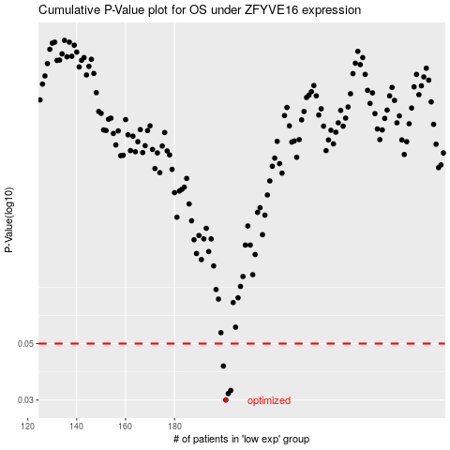

 |  |  |  |  |  | cases_OS | p_OS | rank | exp
 |  |  |  |  |  | 201 | 0.03 | 81 | -0.24110718837
 |  |  |  |  |  | 202 | 0.0318 | 277 | -0.2394378864
 |  |  |  |  |  | 203 | 0.0327 | 271 | -0.23878016603
 |  |  |  |  |  | 200 | 0.0408 | 38 | -0.24129736742
 |  |  |  |  |  |  | cases_RFS | p_RFS | rank | exp
 |  |  |  |  |  |  | 200 | 0.03 | 38 | -0.24129736742
 |  |  |  |  |  |  | 201 | 0.0318 | 81 | -0.24110718837
 |  |  |  |  |  |  | 202 | 0.0327 | 277 | -0.2394378864
 |  |  |  |  |  |  | 199 | 0.0408 | 223 | -0.24569712775

