ZFYVE19 _multivariate
Reported by Tex Li-Hsing Chi. tex@gate.sinica.edu.tw 2019-08-14

Table 2. The clinicopathological features of HNSCC cohort and ZFYVE19 expression. (Chi square test)
Cutoff at -0.298 (49.8%)
 |  | ZFYVE19 expression |  | ZFYVE19 expression |  | (Optimised)
 | Features | Low | (%) | High | (%) | Case no | P-value | Remark | Matthews
Gender | Female | 151 | 36.4 | 155 | 37.3 | 415 | 0.8007 | 0 | 0
2 | Male | 56 | 13.5 | 53 | 12.8
Age at diagnosis | <=65y | 131 | 31.6 | 143 | 34.5 | 415 | 0.2839 | 0 | 0
4 | >65y | 76 | 18.3 | 65 | 15.7
Clinical T Status | T1+T2 | 74 | 17.8 | 75 | 18.1 | 415 | 1 | 0 | 0
6 | T3+T4 | 133 | 32 | 133 | 32
Clinical N Status | N0 | 105 | 25.3 | 111 | 26.7 | 415 | 0.6598 | 0 | 0
8 | N1-3 | 102 | 24.6 | 97 | 23.4
Clinical M Status | M0 | 205 | 49.4 | 207 | 49.9 | 415 | 0.6232 | 0 | 0
10 | M1 | 2 | 0.5 | 1 | 0.2
Clinical Stage | Stage I+II | 52 | 12.5 | 50 | 12 | 415 | 0.8871 | 0 | 0
12 | Stage III+IV | 155 | 37.3 | 158 | 38.1
Surgical Margin status | Negative | 167 | 40.2 | 151 | 36.4 | 415 | 0.0632 | 0 | 0
14 | Positive | 40 | 9.6 | 57 | 13.7
Tobacco Exposure | Low | 74 | 17.8 | 87 | 21 | 415 | 0.227 | 0 | 0
16 | High | 133 | 32 | 121 | 29.2

Table 3. Univariate/Multivariate Cox's proportional hazards regression analyses on OS time of ZFYVE19 gene expression in HNSCC

 |  | Univariate |  |  |  | Multivariate
 | Features | HR | CI95%(L) | CI95%(H) | P-value | HR | CI95%(L) | CI95%(H) | P-value
1 | Female | 1 |  |  |  | 1
Gender | Male | 1.157 | 0.843 | 1.587 | 0.367 | 1.213 | 0.868 | 1.696 | 0.258
11 | <=65y | 1 |  |  |  | 1
Age at diagnosis | >65y | 1.329 | 0.99 | 1.784 | 0.058 | 1.379 | 1.014 | 1.877 | 0.041
12 | T1+T2 | 1 |  |  |  | 1
Clinical T Status | T3+T4 | 1.409 | 1.028 | 1.931 | 0.033 | 2.194 | 1.161 | 4.149 | 0.016
13 | N0 | 1 |  |  |  | 1
Clinical N Status | N1-3 | 1.185 | 0.89 | 1.577 | 0.246 | 1.234 | 0.864 | 1.761 | 0.247
14 | M0 | 1 |  |  |  | 1
Clinical M Status | M1 | 4.097 | 1.009 | 16.644 | 0.049 | 9.297 | 2.028 | 42.631 | 0.004
15 | Stage I+II | 1 |  |  |  | 1
Clinical Stage | Stage III+IV | 1.245 | 0.882 | 1.759 | 0.213 | 0.508 | 0.236 | 1.09 | 0.082
16 | Negative | 1 |  |  |  | 1
Surgical Margin status | Positive | 1.591 | 1.155 | 2.191 | 0.004 | 1.693 | 1.223 | 2.345 | 0.002
17 | Low | 1 |  |  |  | 1
Tobacco Exposure | High | 1.364 | 1.008 | 1.844 | 0.044 | 1.452 | 1.053 | 2.001 | 0.023
18 | Low | 1 |  |  |  | 1
RNAseq(z-score) | High | 0.913 | 0.685 | 1.216 | 0.533 | 0.902 | 0.675 | 1.207 | 0.488

Table 4. Univariate/Multivariate Cox's proportional hazards regression analyses on RFS time of ZFYVE19 gene expression in HNSCC

 |  | Univariate |  |  |  | Multivariate
 | Features | HR | CI95%(L) | CI95%(H) | P-value | HR | CI95%(L) | CI95%(H) | P-value
1 | Female | 1 |  |  |  | 1
Gender | Male | 1.157 | 0.843 | 1.587 | 0.367 | 1.213 | 0.868 | 1.696 | 0.258
11 | <=65y | 1 |  |  |  | 1
Age at diagnosis | >65y | 1.329 | 0.99 | 1.784 | 0.058 | 1.379 | 1.014 | 1.877 | 0.041
12 | T1+T2 | 1 |  |  |  | 1
Clinical T Status | T3+T4 | 1.409 | 1.028 | 1.931 | 0.033 | 2.194 | 1.161 | 4.149 | 0.016
13 | N0 | 1 |  |  |  | 1
Clinical N Status | N1-3 | 1.185 | 0.89 | 1.577 | 0.246 | 1.234 | 0.864 | 1.761 | 0.247
14 | M0 | 1 |  |  |  | 1
Clinical M Status | M1 | 4.097 | 1.009 | 16.644 | 0.049 | 9.297 | 2.028 | 42.631 | 0.004
15 | Stage I+II | 1 |  |  |  | 1
Clinical Stage | Stage III+IV | 1.245 | 0.882 | 1.759 | 0.213 | 0.508 | 0.236 | 1.09 | 0.082
16 | Negative | 1 |  |  |  | 1
Surgical Margin status | Positive | 1.591 | 1.155 | 2.191 | 0.004 | 1.693 | 1.223 | 2.345 | 0.002
17 | Low | 1 |  |  |  | 1
Tobacco Exposure | High | 1.364 | 1.008 | 1.844 | 0.044 | 1.452 | 1.053 | 2.001 | 0.023
18 | Low | 1 |  |  |  | 1
RNAseq(z-score) | High | 0.913 | 0.685 | 1.216 | 0.533 | 0.902 | 0.675 | 1.207 | 0.488

Kaplan-Meier survival estimate: Cutoff at -0.298 (49.8%)



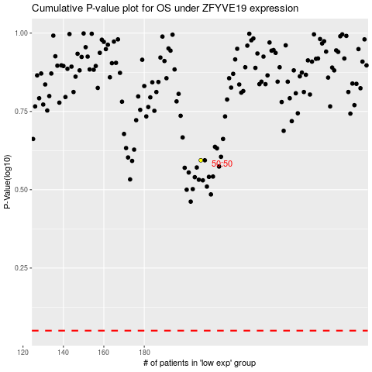

 |  |  |  |  |  | cases_OS | p_OS | rank | exp
 |  |  |  |  |  |  | cases_RFS | p_RFS | rank | exp

