ZFYVE20 _multivariate
Reported by Tex Li-Hsing Chi. tex@gate.sinica.edu.tw 2019-08-14

Table 2. The clinicopathological features of HNSCC cohort and ZFYVE20 expression. (Chi square test)
Cutoff at -0.284 (49.8%)
 |  | ZFYVE20 expression |  | ZFYVE20 expression |  | (Optimised)
 | Features | Low | (%) | High | (%) | Case no | P-value | Remark | Matthews
Gender | Female | 162 | 39 | 144 | 34.7 | 415 | 0.0479 | 1 | 0
2 | Male | 45 | 10.8 | 64 | 15.4
Age at diagnosis | <=65y | 138 | 33.3 | 136 | 32.8 | 415 | 0.8634 | 0 | 0
4 | >65y | 69 | 16.6 | 72 | 17.3
Clinical T Status | T1+T2 | 63 | 15.2 | 86 | 20.7 | 415 | 0.0268 | 1 | 0
6 | T3+T4 | 144 | 34.7 | 122 | 29.4
Clinical N Status | N0 | 113 | 27.2 | 103 | 24.8 | 415 | 0.3495 | 1 | 0
8 | N1-3 | 94 | 22.7 | 105 | 25.3
Clinical M Status | M0 | 205 | 49.4 | 207 | 49.9 | 415 | 0.6232 | 0 | 0
10 | M1 | 2 | 0.5 | 1 | 0.2
Clinical Stage | Stage I+II | 49 | 11.8 | 53 | 12.8 | 415 | 0.7535 | 0 | 0
12 | Stage III+IV | 158 | 38.1 | 155 | 37.3
Surgical Margin status | Negative | 158 | 38.1 | 160 | 38.6 | 415 | 0.9081 | 0 | 0
14 | Positive | 49 | 11.8 | 48 | 11.6
Tobacco Exposure | Low | 74 | 17.8 | 87 | 21 | 415 | 0.227 | 0 | 0
16 | High | 133 | 32 | 121 | 29.2

Table 3. Univariate/Multivariate Cox's proportional hazards regression analyses on OS time of ZFYVE20 gene expression in HNSCC

 |  | Univariate |  |  |  | Multivariate
 | Features | HR | CI95%(L) | CI95%(H) | P-value | HR | CI95%(L) | CI95%(H) | P-value
1 | Female | 1 |  |  |  | 1
Gender | Male | 1.157 | 0.843 | 1.587 | 0.367 | 1.212 | 0.867 | 1.696 | 0.261
11 | <=65y | 1 |  |  |  | 1
Age at diagnosis | >65y | 1.329 | 0.99 | 1.784 | 0.058 | 1.386 | 1.02 | 1.884 | 0.037
12 | T1+T2 | 1 |  |  |  | 1
Clinical T Status | T3+T4 | 1.409 | 1.028 | 1.931 | 0.033 | 2.139 | 1.125 | 4.066 | 0.02
13 | N0 | 1 |  |  |  | 1
Clinical N Status | N1-3 | 1.185 | 0.89 | 1.577 | 0.246 | 1.235 | 0.866 | 1.762 | 0.244
14 | M0 | 1 |  |  |  | 1
Clinical M Status | M1 | 4.097 | 1.009 | 16.644 | 0.049 | 9.104 | 1.98 | 41.856 | 0.005
15 | Stage I+II | 1 |  |  |  | 1
Clinical Stage | Stage III+IV | 1.245 | 0.882 | 1.759 | 0.213 | 0.517 | 0.24 | 1.114 | 0.092
16 | Negative | 1 |  |  |  | 1
Surgical Margin status | Positive | 1.591 | 1.155 | 2.191 | 0.004 | 1.663 | 1.203 | 2.299 | 0.002
17 | Low | 1 |  |  |  | 1
Tobacco Exposure | High | 1.364 | 1.008 | 1.844 | 0.044 | 1.447 | 1.049 | 1.994 | 0.024
18 | Low | 1 |  |  |  | 1
RNAseq(z-score) | High | 0.837 | 0.628 | 1.116 | 0.226 | 0.906 | 0.676 | 1.214 | 0.507

Table 4. Univariate/Multivariate Cox's proportional hazards regression analyses on RFS time of ZFYVE20 gene expression in HNSCC

 |  | Univariate |  |  |  | Multivariate
 | Features | HR | CI95%(L) | CI95%(H) | P-value | HR | CI95%(L) | CI95%(H) | P-value
1 | Female | 1 |  |  |  | 1
Gender | Male | 1.157 | 0.843 | 1.587 | 0.367 | 1.212 | 0.867 | 1.696 | 0.261
11 | <=65y | 1 |  |  |  | 1
Age at diagnosis | >65y | 1.329 | 0.99 | 1.784 | 0.058 | 1.386 | 1.02 | 1.884 | 0.037
12 | T1+T2 | 1 |  |  |  | 1
Clinical T Status | T3+T4 | 1.409 | 1.028 | 1.931 | 0.033 | 2.139 | 1.125 | 4.066 | 0.02
13 | N0 | 1 |  |  |  | 1
Clinical N Status | N1-3 | 1.185 | 0.89 | 1.577 | 0.246 | 1.235 | 0.866 | 1.762 | 0.244
14 | M0 | 1 |  |  |  | 1
Clinical M Status | M1 | 4.097 | 1.009 | 16.644 | 0.049 | 9.104 | 1.98 | 41.856 | 0.005
15 | Stage I+II | 1 |  |  |  | 1
Clinical Stage | Stage III+IV | 1.245 | 0.882 | 1.759 | 0.213 | 0.517 | 0.24 | 1.114 | 0.092
16 | Negative | 1 |  |  |  | 1
Surgical Margin status | Positive | 1.591 | 1.155 | 2.191 | 0.004 | 1.663 | 1.203 | 2.299 | 0.002
17 | Low | 1 |  |  |  | 1
Tobacco Exposure | High | 1.364 | 1.008 | 1.844 | 0.044 | 1.447 | 1.049 | 1.994 | 0.024
18 | Low | 1 |  |  |  | 1
RNAseq(z-score) | High | 0.837 | 0.628 | 1.116 | 0.226 | 0.906 | 0.676 | 1.214 | 0.507

Kaplan-Meier survival estimate: Cutoff at -0.284 (49.8%)



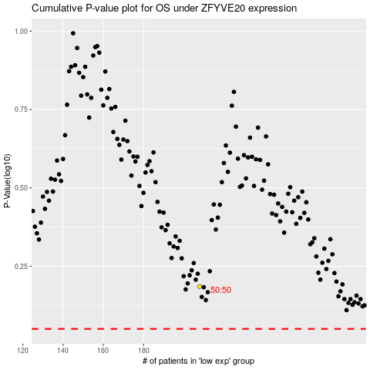

 |  |  |  |  |  | cases_OS | p_OS | rank | exp
 |  |  |  |  |  |  | cases_RFS | p_RFS | rank | exp

