ZFYVE26 _multivariate
Reported by Tex Li-Hsing Chi. tex@gate.sinica.edu.tw 2019-08-14

Table 2. The clinicopathological features of HNSCC cohort and ZFYVE26 expression. (Chi square test)
Cutoff at -0.081 (50.0%)
 |  | ZFYVE26 expression |  | ZFYVE26 expression |  | (Optimised)
 | Features | Low | (%) | High | (%) | Case no | P-value | Remark | Matthews
Gender | Female | 162 | 39 | 144 | 34.7 | 415 | 0.0479 | 1 | 0
2 | Male | 45 | 10.8 | 64 | 15.4
Age at diagnosis | <=65y | 145 | 34.9 | 129 | 31.1 | 415 | 0.1046 | 0 | 0
4 | >65y | 62 | 14.9 | 79 | 19
Clinical T Status | T1+T2 | 73 | 17.6 | 76 | 18.3 | 415 | 0.8666 | 0 | 0
6 | T3+T4 | 134 | 32.3 | 132 | 31.8
Clinical N Status | N0 | 107 | 25.8 | 109 | 26.3 | 415 | 0.9624 | 0 | 0
8 | N1-3 | 100 | 24.1 | 99 | 23.9
Clinical M Status | M0 | 206 | 49.6 | 206 | 49.6 | 415 | 1 | 0 | 0
10 | M1 | 1 | 0.2 | 2 | 0.5
Clinical Stage | Stage I+II | 50 | 12 | 52 | 12.5 | 415 | 0.9315 | 0 | 0
12 | Stage III+IV | 157 | 37.8 | 156 | 37.6
Surgical Margin status | Negative | 155 | 37.3 | 163 | 39.3 | 415 | 0.4187 | 0 | 0
14 | Positive | 52 | 12.5 | 45 | 10.8
Tobacco Exposure | Low | 67 | 16.1 | 94 | 22.7 | 415 | 0.0088 | 1 | 0
16 | High | 140 | 33.7 | 114 | 27.5

Table 3. Univariate/Multivariate Cox's proportional hazards regression analyses on OS time of ZFYVE26 gene expression in HNSCC

 |  | Univariate |  |  |  | Multivariate
 | Features | HR | CI95%(L) | CI95%(H) | P-value | HR | CI95%(L) | CI95%(H) | P-value
1 | Female | 1 |  |  |  | 1
Gender | Male | 1.157 | 0.843 | 1.587 | 0.367 | 1.203 | 0.861 | 1.679 | 0.279
11 | <=65y | 1 |  |  |  | 1
Age at diagnosis | >65y | 1.329 | 0.99 | 1.784 | 0.058 | 1.423 | 1.046 | 1.938 | 0.025
12 | T1+T2 | 1 |  |  |  | 1
Clinical T Status | T3+T4 | 1.409 | 1.028 | 1.931 | 0.033 | 2.184 | 1.155 | 4.129 | 0.016
13 | N0 | 1 |  |  |  | 1
Clinical N Status | N1-3 | 1.185 | 0.89 | 1.577 | 0.246 | 1.247 | 0.874 | 1.778 | 0.224
14 | M0 | 1 |  |  |  | 1
Clinical M Status | M1 | 4.097 | 1.009 | 16.644 | 0.049 | 9.826 | 2.14 | 45.111 | 0.003
15 | Stage I+II | 1 |  |  |  | 1
Clinical Stage | Stage III+IV | 1.245 | 0.882 | 1.759 | 0.213 | 0.508 | 0.237 | 1.09 | 0.082
16 | Negative | 1 |  |  |  | 1
Surgical Margin status | Positive | 1.591 | 1.155 | 2.191 | 0.004 | 1.642 | 1.187 | 2.271 | 0.003
17 | Low | 1 |  |  |  | 1
Tobacco Exposure | High | 1.364 | 1.008 | 1.844 | 0.044 | 1.415 | 1.025 | 1.954 | 0.035
18 | Low | 1 |  |  |  | 1
RNAseq(z-score) | High | 0.836 | 0.627 | 1.115 | 0.223 | 0.84 | 0.625 | 1.128 | 0.246

Table 4. Univariate/Multivariate Cox's proportional hazards regression analyses on RFS time of ZFYVE26 gene expression in HNSCC

 |  | Univariate |  |  |  | Multivariate
 | Features | HR | CI95%(L) | CI95%(H) | P-value | HR | CI95%(L) | CI95%(H) | P-value
1 | Female | 1 |  |  |  | 1
Gender | Male | 1.157 | 0.843 | 1.587 | 0.367 | 1.203 | 0.861 | 1.679 | 0.279
11 | <=65y | 1 |  |  |  | 1
Age at diagnosis | >65y | 1.329 | 0.99 | 1.784 | 0.058 | 1.423 | 1.046 | 1.938 | 0.025
12 | T1+T2 | 1 |  |  |  | 1
Clinical T Status | T3+T4 | 1.409 | 1.028 | 1.931 | 0.033 | 2.184 | 1.155 | 4.129 | 0.016
13 | N0 | 1 |  |  |  | 1
Clinical N Status | N1-3 | 1.185 | 0.89 | 1.577 | 0.246 | 1.247 | 0.874 | 1.778 | 0.224
14 | M0 | 1 |  |  |  | 1
Clinical M Status | M1 | 4.097 | 1.009 | 16.644 | 0.049 | 9.826 | 2.14 | 45.111 | 0.003
15 | Stage I+II | 1 |  |  |  | 1
Clinical Stage | Stage III+IV | 1.245 | 0.882 | 1.759 | 0.213 | 0.508 | 0.237 | 1.09 | 0.082
16 | Negative | 1 |  |  |  | 1
Surgical Margin status | Positive | 1.591 | 1.155 | 2.191 | 0.004 | 1.642 | 1.187 | 2.271 | 0.003
17 | Low | 1 |  |  |  | 1
Tobacco Exposure | High | 1.364 | 1.008 | 1.844 | 0.044 | 1.415 | 1.025 | 1.954 | 0.035
18 | Low | 1 |  |  |  | 1
RNAseq(z-score) | High | 0.836 | 0.627 | 1.115 | 0.223 | 0.84 | 0.625 | 1.128 | 0.246

Kaplan-Meier survival estimate: Cutoff at -0.081 (50.0%)



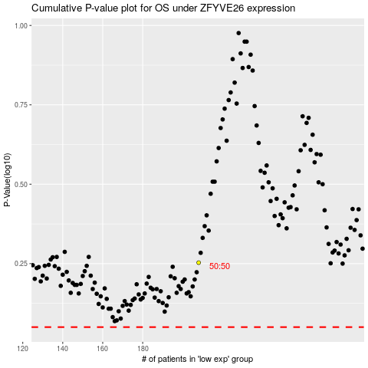

 |  |  |  |  |  | cases_OS | p_OS | rank | exp
 |  |  |  |  |  |  | cases_RFS | p_RFS | rank | exp

