ZFYVE27 _multivariate
Reported by Tex Li-Hsing Chi. tex@gate.sinica.edu.tw 2019-08-14

Table 2. The clinicopathological features of HNSCC cohort and ZFYVE27 expression. (Chi square test)
Cutoff at -0.164 (50.0%)
 |  | ZFYVE27 expression |  | ZFYVE27 expression |  | (Optimised)
 | Features | Low | (%) | High | (%) | Case no | P-value | Remark | Matthews
Gender | Female | 142 | 34.2 | 164 | 39.5 | 415 | 0.0238 | 1 | 0
2 | Male | 65 | 15.7 | 44 | 10.6
Age at diagnosis | <=65y | 136 | 32.8 | 138 | 33.3 | 415 | 0.9719 | 0 | 0
4 | >65y | 71 | 17.1 | 70 | 16.9
Clinical T Status | T1+T2 | 77 | 18.6 | 72 | 17.3 | 415 | 0.6556 | 0 | 0
6 | T3+T4 | 130 | 31.3 | 136 | 32.8
Clinical N Status | N0 | 111 | 26.7 | 105 | 25.3 | 415 | 0.5875 | 0 | 0
8 | N1-3 | 96 | 23.1 | 103 | 24.8
Clinical M Status | M0 | 207 | 49.9 | 205 | 49.4 | 415 | 0.2482 | 0 | 0
10 | M1 | 0 | 0 | 3 | 0.7
Clinical Stage | Stage I+II | 52 | 12.5 | 50 | 12 | 415 | 0.8871 | 0 | 0
12 | Stage III+IV | 155 | 37.3 | 158 | 38.1
Surgical Margin status | Negative | 166 | 40 | 152 | 36.6 | 415 | 0.1042 | 0 | 0
14 | Positive | 41 | 9.9 | 56 | 13.5
Tobacco Exposure | Low | 87 | 21 | 74 | 17.8 | 415 | 0.1911 | 0 | 0
16 | High | 120 | 28.9 | 134 | 32.3

Table 3. Univariate/Multivariate Cox's proportional hazards regression analyses on OS time of ZFYVE27 gene expression in HNSCC

 |  | Univariate |  |  |  | Multivariate
 | Features | HR | CI95%(L) | CI95%(H) | P-value | HR | CI95%(L) | CI95%(H) | P-value
1 | Female | 1 |  |  |  | 1
Gender | Male | 1.157 | 0.843 | 1.587 | 0.367 | 1.188 | 0.849 | 1.663 | 0.314
11 | <=65y | 1 |  |  |  | 1
Age at diagnosis | >65y | 1.329 | 0.99 | 1.784 | 0.058 | 1.405 | 1.032 | 1.911 | 0.031
12 | T1+T2 | 1 |  |  |  | 1
Clinical T Status | T3+T4 | 1.409 | 1.028 | 1.931 | 0.033 | 2.214 | 1.171 | 4.187 | 0.015
13 | N0 | 1 |  |  |  | 1
Clinical N Status | N1-3 | 1.185 | 0.89 | 1.577 | 0.246 | 1.249 | 0.875 | 1.783 | 0.221
14 | M0 | 1 |  |  |  | 1
Clinical M Status | M1 | 4.097 | 1.009 | 16.644 | 0.049 | 9.919 | 2.145 | 45.864 | 0.003
15 | Stage I+II | 1 |  |  |  | 1
Clinical Stage | Stage III+IV | 1.245 | 0.882 | 1.759 | 0.213 | 0.499 | 0.232 | 1.071 | 0.075
16 | Negative | 1 |  |  |  | 1
Surgical Margin status | Positive | 1.591 | 1.155 | 2.191 | 0.004 | 1.699 | 1.225 | 2.357 | 0.002
17 | Low | 1 |  |  |  | 1
Tobacco Exposure | High | 1.364 | 1.008 | 1.844 | 0.044 | 1.463 | 1.061 | 2.018 | 0.02
18 | Low | 1 |  |  |  | 1
RNAseq(z-score) | High | 1.021 | 0.767 | 1.361 | 0.885 | 0.907 | 0.675 | 1.218 | 0.517

Table 4. Univariate/Multivariate Cox's proportional hazards regression analyses on RFS time of ZFYVE27 gene expression in HNSCC

 |  | Univariate |  |  |  | Multivariate
 | Features | HR | CI95%(L) | CI95%(H) | P-value | HR | CI95%(L) | CI95%(H) | P-value
1 | Female | 1 |  |  |  | 1
Gender | Male | 1.157 | 0.843 | 1.587 | 0.367 | 1.188 | 0.849 | 1.663 | 0.314
11 | <=65y | 1 |  |  |  | 1
Age at diagnosis | >65y | 1.329 | 0.99 | 1.784 | 0.058 | 1.405 | 1.032 | 1.911 | 0.031
12 | T1+T2 | 1 |  |  |  | 1
Clinical T Status | T3+T4 | 1.409 | 1.028 | 1.931 | 0.033 | 2.214 | 1.171 | 4.187 | 0.015
13 | N0 | 1 |  |  |  | 1
Clinical N Status | N1-3 | 1.185 | 0.89 | 1.577 | 0.246 | 1.249 | 0.875 | 1.783 | 0.221
14 | M0 | 1 |  |  |  | 1
Clinical M Status | M1 | 4.097 | 1.009 | 16.644 | 0.049 | 9.919 | 2.145 | 45.864 | 0.003
15 | Stage I+II | 1 |  |  |  | 1
Clinical Stage | Stage III+IV | 1.245 | 0.882 | 1.759 | 0.213 | 0.499 | 0.232 | 1.071 | 0.075
16 | Negative | 1 |  |  |  | 1
Surgical Margin status | Positive | 1.591 | 1.155 | 2.191 | 0.004 | 1.699 | 1.225 | 2.357 | 0.002
17 | Low | 1 |  |  |  | 1
Tobacco Exposure | High | 1.364 | 1.008 | 1.844 | 0.044 | 1.463 | 1.061 | 2.018 | 0.02
18 | Low | 1 |  |  |  | 1
RNAseq(z-score) | High | 1.021 | 0.767 | 1.361 | 0.885 | 0.907 | 0.675 | 1.218 | 0.517

Kaplan-Meier survival estimate: Cutoff at -0.164 (50.0%)

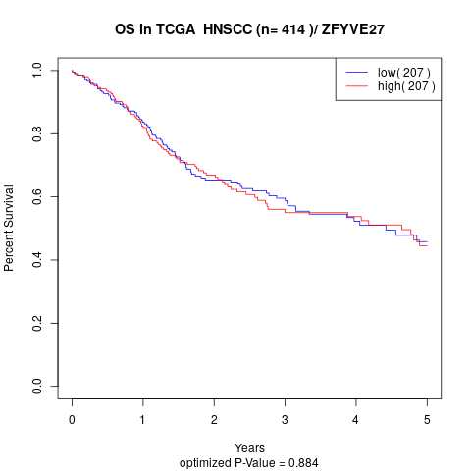

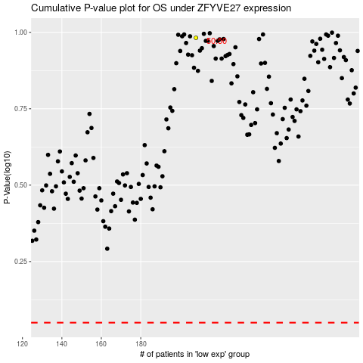

 |  |  |  |  |  | cases_OS | p_OS | rank | exp
 |  |  |  |  |  |  | cases_RFS | p_RFS | rank | exp

