ZFYVE28 _multivariate
Reported by Tex Li-Hsing Chi. tex@gate.sinica.edu.tw 2019-08-14

Table 2. The clinicopathological features of HNSCC cohort and ZFYVE28 expression. (Chi square test)
Cutoff at -0.313 (50.0%)
 |  | ZFYVE28 expression |  | ZFYVE28 expression |  | (Optimised)
 | Features | Low | (%) | High | (%) | Case no | P-value | Remark | Matthews
Gender | Female | 163 | 39.3 | 143 | 34.5 | 415 | 0.0277 | 1 | 0
2 | Male | 44 | 10.6 | 65 | 15.7
Age at diagnosis | <=65y | 140 | 33.7 | 134 | 32.3 | 415 | 0.5574 | 0 | 0
4 | >65y | 67 | 16.1 | 74 | 17.8
Clinical T Status | T1+T2 | 66 | 15.9 | 83 | 20 | 415 | 0.1095 | 0 | 0
6 | T3+T4 | 141 | 34 | 125 | 30.1
Clinical N Status | N0 | 104 | 25.1 | 112 | 27 | 415 | 0.5243 | 0 | 0
8 | N1-3 | 103 | 24.8 | 96 | 23.1
Clinical M Status | M0 | 206 | 49.6 | 206 | 49.6 | 415 | 1 | 0 | 0
10 | M1 | 1 | 0.2 | 2 | 0.5
Clinical Stage | Stage I+II | 46 | 11.1 | 56 | 13.5 | 415 | 0.3182 | 0 | 0
12 | Stage III+IV | 161 | 38.8 | 152 | 36.6
Surgical Margin status | Negative | 161 | 38.8 | 157 | 37.8 | 415 | 0.6429 | 0 | 0
14 | Positive | 46 | 11.1 | 51 | 12.3
Tobacco Exposure | Low | 72 | 17.3 | 89 | 21.4 | 415 | 0.1071 | 0 | 0
16 | High | 135 | 32.5 | 119 | 28.7

Table 3. Univariate/Multivariate Cox's proportional hazards regression analyses on OS time of ZFYVE28 gene expression in HNSCC

 |  | Univariate |  |  |  | Multivariate
 | Features | HR | CI95%(L) | CI95%(H) | P-value | HR | CI95%(L) | CI95%(H) | P-value
1 | Female | 1 |  |  |  | 1
Gender | Male | 1.157 | 0.843 | 1.587 | 0.367 | 1.231 | 0.879 | 1.724 | 0.226
11 | <=65y | 1 |  |  |  | 1
Age at diagnosis | >65y | 1.329 | 0.99 | 1.784 | 0.058 | 1.405 | 1.034 | 1.909 | 0.03
12 | T1+T2 | 1 |  |  |  | 1
Clinical T Status | T3+T4 | 1.409 | 1.028 | 1.931 | 0.033 | 2.17 | 1.148 | 4.103 | 0.017
13 | N0 | 1 |  |  |  | 1
Clinical N Status | N1-3 | 1.185 | 0.89 | 1.577 | 0.246 | 1.235 | 0.866 | 1.763 | 0.244
14 | M0 | 1 |  |  |  | 1
Clinical M Status | M1 | 4.097 | 1.009 | 16.644 | 0.049 | 10.13 | 2.204 | 46.548 | 0.003
15 | Stage I+II | 1 |  |  |  | 1
Clinical Stage | Stage III+IV | 1.245 | 0.882 | 1.759 | 0.213 | 0.506 | 0.236 | 1.086 | 0.08
16 | Negative | 1 |  |  |  | 1
Surgical Margin status | Positive | 1.591 | 1.155 | 2.191 | 0.004 | 1.712 | 1.237 | 2.368 | 0.001
17 | Low | 1 |  |  |  | 1
Tobacco Exposure | High | 1.364 | 1.008 | 1.844 | 0.044 | 1.428 | 1.035 | 1.97 | 0.03
18 | Low | 1 |  |  |  | 1
RNAseq(z-score) | High | 0.804 | 0.603 | 1.072 | 0.138 | 0.778 | 0.581 | 1.042 | 0.092

Table 4. Univariate/Multivariate Cox's proportional hazards regression analyses on RFS time of ZFYVE28 gene expression in HNSCC

 |  | Univariate |  |  |  | Multivariate
 | Features | HR | CI95%(L) | CI95%(H) | P-value | HR | CI95%(L) | CI95%(H) | P-value
1 | Female | 1 |  |  |  | 1
Gender | Male | 1.157 | 0.843 | 1.587 | 0.367 | 1.231 | 0.879 | 1.724 | 0.226
11 | <=65y | 1 |  |  |  | 1
Age at diagnosis | >65y | 1.329 | 0.99 | 1.784 | 0.058 | 1.405 | 1.034 | 1.909 | 0.03
12 | T1+T2 | 1 |  |  |  | 1
Clinical T Status | T3+T4 | 1.409 | 1.028 | 1.931 | 0.033 | 2.17 | 1.148 | 4.103 | 0.017
13 | N0 | 1 |  |  |  | 1
Clinical N Status | N1-3 | 1.185 | 0.89 | 1.577 | 0.246 | 1.235 | 0.866 | 1.763 | 0.244
14 | M0 | 1 |  |  |  | 1
Clinical M Status | M1 | 4.097 | 1.009 | 16.644 | 0.049 | 10.13 | 2.204 | 46.548 | 0.003
15 | Stage I+II | 1 |  |  |  | 1
Clinical Stage | Stage III+IV | 1.245 | 0.882 | 1.759 | 0.213 | 0.506 | 0.236 | 1.086 | 0.08
16 | Negative | 1 |  |  |  | 1
Surgical Margin status | Positive | 1.591 | 1.155 | 2.191 | 0.004 | 1.712 | 1.237 | 2.368 | 0.001
17 | Low | 1 |  |  |  | 1
Tobacco Exposure | High | 1.364 | 1.008 | 1.844 | 0.044 | 1.428 | 1.035 | 1.97 | 0.03
18 | Low | 1 |  |  |  | 1
RNAseq(z-score) | High | 0.804 | 0.603 | 1.072 | 0.138 | 0.778 | 0.581 | 1.042 | 0.092

Kaplan-Meier survival estimate: Cutoff at -0.313 (50.0%)



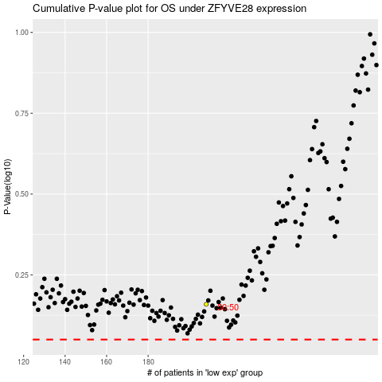

 |  |  |  |  |  | cases_OS | p_OS | rank | exp
 |  |  |  |  |  |  | cases_RFS | p_RFS | rank | exp

