ZFYVE9 _multivariate
Reported by Tex Li-Hsing Chi. tex@gate.sinica.edu.tw 2019-08-14

Table 2. The clinicopathological features of HNSCC cohort and ZFYVE9 expression. (Chi square test)
Cutoff at -0.159 (50.0%)
 |  | ZFYVE9 expression |  | ZFYVE9 expression |  | (Optimised)
 | Features | Low | (%) | High | (%) | Case no | P-value | Remark | Matthews
Gender | Female | 155 | 37.3 | 151 | 36.4 | 415 | 0.6768 | 0 | 0
2 | Male | 52 | 12.5 | 57 | 13.7
Age at diagnosis | <=65y | 129 | 31.1 | 145 | 34.9 | 415 | 0.1372 | 0 | 0
4 | >65y | 78 | 18.8 | 63 | 15.2
Clinical T Status | T1+T2 | 84 | 20.2 | 65 | 15.7 | 415 | 0.0603 | 0 | 0
6 | T3+T4 | 123 | 29.6 | 143 | 34.5
Clinical N Status | N0 | 109 | 26.3 | 107 | 25.8 | 415 | 0.8812 | 0 | 0
8 | N1-3 | 98 | 23.6 | 101 | 24.3
Clinical M Status | M0 | 206 | 49.6 | 206 | 49.6 | 415 | 1 | 0 | 0
10 | M1 | 1 | 0.2 | 2 | 0.5
Clinical Stage | Stage I+II | 56 | 13.5 | 46 | 11.1 | 415 | 0.2918 | 0 | 0
12 | Stage III+IV | 151 | 36.4 | 162 | 39
Surgical Margin status | Negative | 155 | 37.3 | 163 | 39.3 | 415 | 0.4187 | 0 | 0
14 | Positive | 52 | 12.5 | 45 | 10.8
Tobacco Exposure | Low | 92 | 22.2 | 69 | 16.6 | 415 | 0.0206 | 1 | 0
16 | High | 115 | 27.7 | 139 | 33.5

Table 3. Univariate/Multivariate Cox's proportional hazards regression analyses on OS time of ZFYVE9 gene expression in HNSCC

 |  | Univariate |  |  |  | Multivariate
 | Features | HR | CI95%(L) | CI95%(H) | P-value | HR | CI95%(L) | CI95%(H) | P-value
1 | Female | 1 |  |  |  | 1
Gender | Male | 1.157 | 0.843 | 1.587 | 0.367 | 1.199 | 0.859 | 1.675 | 0.286
11 | <=65y | 1 |  |  |  | 1
Age at diagnosis | >65y | 1.329 | 0.99 | 1.784 | 0.058 | 1.396 | 1.027 | 1.899 | 0.033
12 | T1+T2 | 1 |  |  |  | 1
Clinical T Status | T3+T4 | 1.409 | 1.028 | 1.931 | 0.033 | 2.189 | 1.157 | 4.143 | 0.016
13 | N0 | 1 |  |  |  | 1
Clinical N Status | N1-3 | 1.185 | 0.89 | 1.577 | 0.246 | 1.245 | 0.872 | 1.777 | 0.227
14 | M0 | 1 |  |  |  | 1
Clinical M Status | M1 | 4.097 | 1.009 | 16.644 | 0.049 | 9.203 | 1.999 | 42.366 | 0.004
15 | Stage I+II | 1 |  |  |  | 1
Clinical Stage | Stage III+IV | 1.245 | 0.882 | 1.759 | 0.213 | 0.505 | 0.235 | 1.084 | 0.08
16 | Negative | 1 |  |  |  | 1
Surgical Margin status | Positive | 1.591 | 1.155 | 2.191 | 0.004 | 1.681 | 1.215 | 2.325 | 0.002
17 | Low | 1 |  |  |  | 1
Tobacco Exposure | High | 1.364 | 1.008 | 1.844 | 0.044 | 1.446 | 1.048 | 1.995 | 0.025
18 | Low | 1 |  |  |  | 1
RNAseq(z-score) | High | 1.084 | 0.813 | 1.444 | 0.582 | 1.057 | 0.789 | 1.415 | 0.71

Table 4. Univariate/Multivariate Cox's proportional hazards regression analyses on RFS time of ZFYVE9 gene expression in HNSCC

 |  | Univariate |  |  |  | Multivariate
 | Features | HR | CI95%(L) | CI95%(H) | P-value | HR | CI95%(L) | CI95%(H) | P-value
1 | Female | 1 |  |  |  | 1
Gender | Male | 1.157 | 0.843 | 1.587 | 0.367 | 1.199 | 0.859 | 1.675 | 0.286
11 | <=65y | 1 |  |  |  | 1
Age at diagnosis | >65y | 1.329 | 0.99 | 1.784 | 0.058 | 1.396 | 1.027 | 1.899 | 0.033
12 | T1+T2 | 1 |  |  |  | 1
Clinical T Status | T3+T4 | 1.409 | 1.028 | 1.931 | 0.033 | 2.189 | 1.157 | 4.143 | 0.016
13 | N0 | 1 |  |  |  | 1
Clinical N Status | N1-3 | 1.185 | 0.89 | 1.577 | 0.246 | 1.245 | 0.872 | 1.777 | 0.227
14 | M0 | 1 |  |  |  | 1
Clinical M Status | M1 | 4.097 | 1.009 | 16.644 | 0.049 | 9.203 | 1.999 | 42.366 | 0.004
15 | Stage I+II | 1 |  |  |  | 1
Clinical Stage | Stage III+IV | 1.245 | 0.882 | 1.759 | 0.213 | 0.505 | 0.235 | 1.084 | 0.08
16 | Negative | 1 |  |  |  | 1
Surgical Margin status | Positive | 1.591 | 1.155 | 2.191 | 0.004 | 1.681 | 1.215 | 2.325 | 0.002
17 | Low | 1 |  |  |  | 1
Tobacco Exposure | High | 1.364 | 1.008 | 1.844 | 0.044 | 1.446 | 1.048 | 1.995 | 0.025
18 | Low | 1 |  |  |  | 1
RNAseq(z-score) | High | 1.084 | 0.813 | 1.444 | 0.582 | 1.057 | 0.789 | 1.415 | 0.71

Kaplan-Meier survival estimate: Cutoff at -0.159 (50.0%)



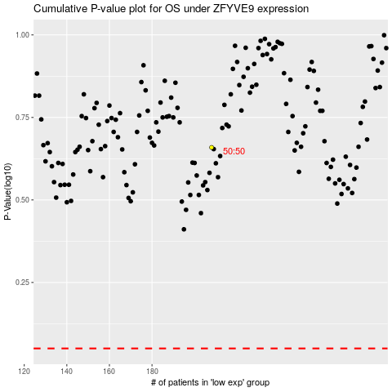

 |  |  |  |  |  | cases_OS | p_OS | rank | exp
 |  |  |  |  |  |  | cases_RFS | p_RFS | rank | exp

