ZGPAT _multivariate
Reported by Tex Li-Hsing Chi. tex@gate.sinica.edu.tw 2019-08-14

Table 2. The clinicopathological features of HNSCC cohort and ZGPAT expression. (Chi square test)
Cutoff at -0.176 (49.8%)
 |  | ZGPAT expression |  | ZGPAT expression |  | (Optimised)
 | Features | Low | (%) | High | (%) | Case no | P-value | Remark | Matthews
Gender | Female | 148 | 35.7 | 158 | 38.1 | 415 | 0.3567 | 0 | 0
2 | Male | 59 | 14.2 | 50 | 12
Age at diagnosis | <=65y | 137 | 33 | 137 | 33 | 415 | 1 | 0 | 0
4 | >65y | 70 | 16.9 | 71 | 17.1
Clinical T Status | T1+T2 | 84 | 20.2 | 65 | 15.7 | 415 | 0.0603 | 0 | 0
6 | T3+T4 | 123 | 29.6 | 143 | 34.5
Clinical N Status | N0 | 104 | 25.1 | 112 | 27 | 415 | 0.5243 | 0 | 0
8 | N1-3 | 103 | 24.8 | 96 | 23.1
Clinical M Status | M0 | 206 | 49.6 | 206 | 49.6 | 415 | 1 | 0 | 0
10 | M1 | 1 | 0.2 | 2 | 0.5
Clinical Stage | Stage I+II | 56 | 13.5 | 46 | 11.1 | 415 | 0.2918 | 0 | 0
12 | Stage III+IV | 151 | 36.4 | 162 | 39
Surgical Margin status | Negative | 159 | 38.3 | 159 | 38.3 | 415 | 1 | 0 | 0
14 | Positive | 48 | 11.6 | 49 | 11.8
Tobacco Exposure | Low | 77 | 18.6 | 84 | 20.2 | 415 | 0.5459 | 0 | 0
16 | High | 130 | 31.3 | 124 | 29.9

Table 3. Univariate/Multivariate Cox's proportional hazards regression analyses on OS time of ZGPAT gene expression in HNSCC

 |  | Univariate |  |  |  | Multivariate
 | Features | HR | CI95%(L) | CI95%(H) | P-value | HR | CI95%(L) | CI95%(H) | P-value
1 | Female | 1 |  |  |  | 1
Gender | Male | 1.157 | 0.843 | 1.587 | 0.367 | 1.211 | 0.868 | 1.688 | 0.259
11 | <=65y | 1 |  |  |  | 1
Age at diagnosis | >65y | 1.329 | 0.99 | 1.784 | 0.058 | 1.393 | 1.025 | 1.894 | 0.034
12 | T1+T2 | 1 |  |  |  | 1
Clinical T Status | T3+T4 | 1.409 | 1.028 | 1.931 | 0.033 | 2.268 | 1.199 | 4.288 | 0.012
13 | N0 | 1 |  |  |  | 1
Clinical N Status | N1-3 | 1.185 | 0.89 | 1.577 | 0.246 | 1.225 | 0.859 | 1.748 | 0.262
14 | M0 | 1 |  |  |  | 1
Clinical M Status | M1 | 4.097 | 1.009 | 16.644 | 0.049 | 9.953 | 2.169 | 45.678 | 0.003
15 | Stage I+II | 1 |  |  |  | 1
Clinical Stage | Stage III+IV | 1.245 | 0.882 | 1.759 | 0.213 | 0.506 | 0.236 | 1.086 | 0.08
16 | Negative | 1 |  |  |  | 1
Surgical Margin status | Positive | 1.591 | 1.155 | 2.191 | 0.004 | 1.693 | 1.225 | 2.341 | 0.001
17 | Low | 1 |  |  |  | 1
Tobacco Exposure | High | 1.364 | 1.008 | 1.844 | 0.044 | 1.455 | 1.056 | 2.004 | 0.022
18 | Low | 1 |  |  |  | 1
RNAseq(z-score) | High | 0.827 | 0.62 | 1.102 | 0.195 | 0.775 | 0.58 | 1.036 | 0.085

Table 4. Univariate/Multivariate Cox's proportional hazards regression analyses on RFS time of ZGPAT gene expression in HNSCC

 |  | Univariate |  |  |  | Multivariate
 | Features | HR | CI95%(L) | CI95%(H) | P-value | HR | CI95%(L) | CI95%(H) | P-value
1 | Female | 1 |  |  |  | 1
Gender | Male | 1.157 | 0.843 | 1.587 | 0.367 | 1.211 | 0.868 | 1.688 | 0.259
11 | <=65y | 1 |  |  |  | 1
Age at diagnosis | >65y | 1.329 | 0.99 | 1.784 | 0.058 | 1.393 | 1.025 | 1.894 | 0.034
12 | T1+T2 | 1 |  |  |  | 1
Clinical T Status | T3+T4 | 1.409 | 1.028 | 1.931 | 0.033 | 2.268 | 1.199 | 4.288 | 0.012
13 | N0 | 1 |  |  |  | 1
Clinical N Status | N1-3 | 1.185 | 0.89 | 1.577 | 0.246 | 1.225 | 0.859 | 1.748 | 0.262
14 | M0 | 1 |  |  |  | 1
Clinical M Status | M1 | 4.097 | 1.009 | 16.644 | 0.049 | 9.953 | 2.169 | 45.678 | 0.003
15 | Stage I+II | 1 |  |  |  | 1
Clinical Stage | Stage III+IV | 1.245 | 0.882 | 1.759 | 0.213 | 0.506 | 0.236 | 1.086 | 0.08
16 | Negative | 1 |  |  |  | 1
Surgical Margin status | Positive | 1.591 | 1.155 | 2.191 | 0.004 | 1.693 | 1.225 | 2.341 | 0.001
17 | Low | 1 |  |  |  | 1
Tobacco Exposure | High | 1.364 | 1.008 | 1.844 | 0.044 | 1.455 | 1.056 | 2.004 | 0.022
18 | Low | 1 |  |  |  | 1
RNAseq(z-score) | High | 0.827 | 0.62 | 1.102 | 0.195 | 0.775 | 0.58 | 1.036 | 0.085

Kaplan-Meier survival estimate: Cutoff at -0.176 (49.8%)



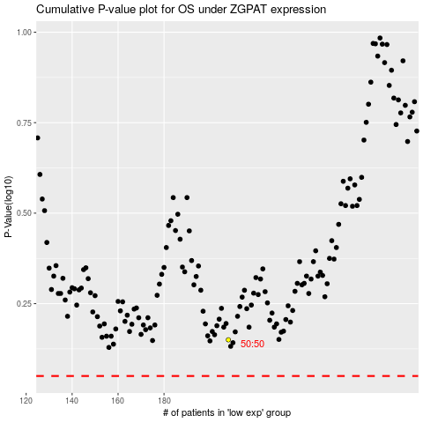

 |  |  |  |  |  | cases_OS | p_OS | rank | exp
 |  |  |  |  |  |  | cases_RFS | p_RFS | rank | exp

