ZHX1 _multivariate
Reported by Tex Li-Hsing Chi. tex@gate.sinica.edu.tw 2019-08-14

Table 2. The clinicopathological features of HNSCC cohort and ZHX1 expression. (Chi square test)
Cutoff at -0.133 (50.0%)
 |  | ZHX1 expression |  | ZHX1 expression |  | (Optimised)
 | Features | Low | (%) | High | (%) | Case no | P-value | Remark | Matthews
Gender | Female | 162 | 39 | 144 | 34.7 | 415 | 0.0479 | 1 | 0
2 | Male | 45 | 10.8 | 64 | 15.4
Age at diagnosis | <=65y | 148 | 35.7 | 126 | 30.4 | 415 | 0.0248 | 1 | 0
4 | >65y | 59 | 14.2 | 82 | 19.8
Clinical T Status | T1+T2 | 71 | 17.1 | 78 | 18.8 | 415 | 0.5638 | 0 | 0
6 | T3+T4 | 136 | 32.8 | 130 | 31.3
Clinical N Status | N0 | 103 | 24.8 | 113 | 27.2 | 415 | 0.4047 | 0 | 0
8 | N1-3 | 104 | 25.1 | 95 | 22.9
Clinical M Status | M0 | 205 | 49.4 | 207 | 49.9 | 415 | 0.6232 | 0 | 0
10 | M1 | 2 | 0.5 | 1 | 0.2
Clinical Stage | Stage I+II | 45 | 10.8 | 57 | 13.7 | 415 | 0.2202 | 0 | 0
12 | Stage III+IV | 162 | 39 | 151 | 36.4
Surgical Margin status | Negative | 156 | 37.6 | 162 | 39 | 415 | 0.5636 | 0 | 0
14 | Positive | 51 | 12.3 | 46 | 11.1
Tobacco Exposure | Low | 63 | 15.2 | 98 | 23.6 | 415 | 6e-04 | 1 | 0
16 | High | 144 | 34.7 | 110 | 26.5

Table 3. Univariate/Multivariate Cox's proportional hazards regression analyses on OS time of ZHX1 gene expression in HNSCC

 |  | Univariate |  |  |  | Multivariate
 | Features | HR | CI95%(L) | CI95%(H) | P-value | HR | CI95%(L) | CI95%(H) | P-value
1 | Female | 1 |  |  |  | 1
Gender | Male | 1.157 | 0.843 | 1.587 | 0.367 | 1.202 | 0.86 | 1.678 | 0.281
11 | <=65y | 1 |  |  |  | 1
Age at diagnosis | >65y | 1.329 | 0.99 | 1.784 | 0.058 | 1.384 | 1.017 | 1.882 | 0.039
12 | T1+T2 | 1 |  |  |  | 1
Clinical T Status | T3+T4 | 1.409 | 1.028 | 1.931 | 0.033 | 2.185 | 1.155 | 4.134 | 0.016
13 | N0 | 1 |  |  |  | 1
Clinical N Status | N1-3 | 1.185 | 0.89 | 1.577 | 0.246 | 1.24 | 0.869 | 1.769 | 0.235
14 | M0 | 1 |  |  |  | 1
Clinical M Status | M1 | 4.097 | 1.009 | 16.644 | 0.049 | 9.441 | 2.059 | 43.281 | 0.004
15 | Stage I+II | 1 |  |  |  | 1
Clinical Stage | Stage III+IV | 1.245 | 0.882 | 1.759 | 0.213 | 0.511 | 0.238 | 1.097 | 0.085
16 | Negative | 1 |  |  |  | 1
Surgical Margin status | Positive | 1.591 | 1.155 | 2.191 | 0.004 | 1.682 | 1.216 | 2.325 | 0.002
17 | Low | 1 |  |  |  | 1
Tobacco Exposure | High | 1.364 | 1.008 | 1.844 | 0.044 | 1.48 | 1.069 | 2.05 | 0.018
18 | Low | 1 |  |  |  | 1
RNAseq(z-score) | High | 1.044 | 0.784 | 1.391 | 0.767 | 1.1 | 0.82 | 1.476 | 0.524

Table 4. Univariate/Multivariate Cox's proportional hazards regression analyses on RFS time of ZHX1 gene expression in HNSCC

 |  | Univariate |  |  |  | Multivariate
 | Features | HR | CI95%(L) | CI95%(H) | P-value | HR | CI95%(L) | CI95%(H) | P-value
1 | Female | 1 |  |  |  | 1
Gender | Male | 1.157 | 0.843 | 1.587 | 0.367 | 1.202 | 0.86 | 1.678 | 0.281
11 | <=65y | 1 |  |  |  | 1
Age at diagnosis | >65y | 1.329 | 0.99 | 1.784 | 0.058 | 1.384 | 1.017 | 1.882 | 0.039
12 | T1+T2 | 1 |  |  |  | 1
Clinical T Status | T3+T4 | 1.409 | 1.028 | 1.931 | 0.033 | 2.185 | 1.155 | 4.134 | 0.016
13 | N0 | 1 |  |  |  | 1
Clinical N Status | N1-3 | 1.185 | 0.89 | 1.577 | 0.246 | 1.24 | 0.869 | 1.769 | 0.235
14 | M0 | 1 |  |  |  | 1
Clinical M Status | M1 | 4.097 | 1.009 | 16.644 | 0.049 | 9.441 | 2.059 | 43.281 | 0.004
15 | Stage I+II | 1 |  |  |  | 1
Clinical Stage | Stage III+IV | 1.245 | 0.882 | 1.759 | 0.213 | 0.511 | 0.238 | 1.097 | 0.085
16 | Negative | 1 |  |  |  | 1
Surgical Margin status | Positive | 1.591 | 1.155 | 2.191 | 0.004 | 1.682 | 1.216 | 2.325 | 0.002
17 | Low | 1 |  |  |  | 1
Tobacco Exposure | High | 1.364 | 1.008 | 1.844 | 0.044 | 1.48 | 1.069 | 2.05 | 0.018
18 | Low | 1 |  |  |  | 1
RNAseq(z-score) | High | 1.044 | 0.784 | 1.391 | 0.767 | 1.1 | 0.82 | 1.476 | 0.524

Kaplan-Meier survival estimate: Cutoff at -0.133 (50.0%)



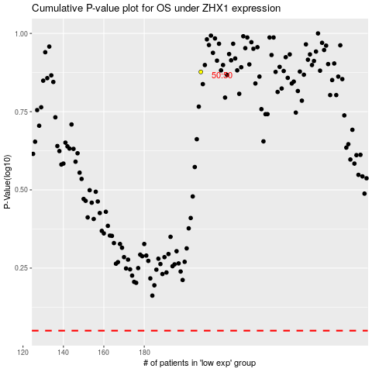

 |  |  |  |  |  | cases_OS | p_OS | rank | exp
 |  |  |  |  |  |  | cases_RFS | p_RFS | rank | exp

