ZHX3 _multivariate
Reported by Tex Li-Hsing Chi. tex@gate.sinica.edu.tw 2019-08-14

Table 2. The clinicopathological features of HNSCC cohort and ZHX3 expression. (Chi square test)
Cutoff at -0.176 (50.0%)
 |  | ZHX3 expression |  | ZHX3 expression |  | (Optimised)
 | Features | Low | (%) | High | (%) | Case no | P-value | Remark | Matthews
Gender | Female | 155 | 37.3 | 151 | 36.4 | 415 | 0.6768 | 0 | 0
2 | Male | 52 | 12.5 | 57 | 13.7
Age at diagnosis | <=65y | 132 | 31.8 | 142 | 34.2 | 415 | 0.3874 | 0 | 0
4 | >65y | 75 | 18.1 | 66 | 15.9
Clinical T Status | T1+T2 | 69 | 16.6 | 80 | 19.3 | 415 | 0.3239 | 0 | 0
6 | T3+T4 | 138 | 33.3 | 128 | 30.8
Clinical N Status | N0 | 93 | 22.4 | 123 | 29.6 | 415 | 0.0051 | 1 | 0
8 | N1-3 | 114 | 27.5 | 85 | 20.5
Clinical M Status | M0 | 205 | 49.4 | 207 | 49.9 | 415 | 0.6232 | 0 | 0
10 | M1 | 2 | 0.5 | 1 | 0.2
Clinical Stage | Stage I+II | 40 | 9.6 | 62 | 14.9 | 415 | 0.018 | 1 | 0
12 | Stage III+IV | 167 | 40.2 | 146 | 35.2
Surgical Margin status | Negative | 151 | 36.4 | 167 | 40.2 | 415 | 0.0828 | 0 | 0
14 | Positive | 56 | 13.5 | 41 | 9.9
Tobacco Exposure | Low | 75 | 18.1 | 86 | 20.7 | 415 | 0.3141 | 0 | 0
16 | High | 132 | 31.8 | 122 | 29.4

Table 3. Univariate/Multivariate Cox's proportional hazards regression analyses on OS time of ZHX3 gene expression in HNSCC

 |  | Univariate |  |  |  | Multivariate
 | Features | HR | CI95%(L) | CI95%(H) | P-value | HR | CI95%(L) | CI95%(H) | P-value
1 | Female | 1 |  |  |  | 1
Gender | Male | 1.157 | 0.843 | 1.587 | 0.367 | 1.202 | 0.86 | 1.679 | 0.282
11 | <=65y | 1 |  |  |  | 1
Age at diagnosis | >65y | 1.329 | 0.99 | 1.784 | 0.058 | 1.395 | 1.024 | 1.898 | 0.035
12 | T1+T2 | 1 |  |  |  | 1
Clinical T Status | T3+T4 | 1.409 | 1.028 | 1.931 | 0.033 | 2.203 | 1.165 | 4.165 | 0.015
13 | N0 | 1 |  |  |  | 1
Clinical N Status | N1-3 | 1.185 | 0.89 | 1.577 | 0.246 | 1.245 | 0.87 | 1.781 | 0.231
14 | M0 | 1 |  |  |  | 1
Clinical M Status | M1 | 4.097 | 1.009 | 16.644 | 0.049 | 9.412 | 2.053 | 43.146 | 0.004
15 | Stage I+II | 1 |  |  |  | 1
Clinical Stage | Stage III+IV | 1.245 | 0.882 | 1.759 | 0.213 | 0.505 | 0.235 | 1.084 | 0.08
16 | Negative | 1 |  |  |  | 1
Surgical Margin status | Positive | 1.591 | 1.155 | 2.191 | 0.004 | 1.677 | 1.21 | 2.326 | 0.002
17 | Low | 1 |  |  |  | 1
Tobacco Exposure | High | 1.364 | 1.008 | 1.844 | 0.044 | 1.454 | 1.055 | 2.005 | 0.022
18 | Low | 1 |  |  |  | 1
RNAseq(z-score) | High | 0.915 | 0.686 | 1.219 | 0.542 | 1.022 | 0.76 | 1.373 | 0.887

Table 4. Univariate/Multivariate Cox's proportional hazards regression analyses on RFS time of ZHX3 gene expression in HNSCC

 |  | Univariate |  |  |  | Multivariate
 | Features | HR | CI95%(L) | CI95%(H) | P-value | HR | CI95%(L) | CI95%(H) | P-value
1 | Female | 1 |  |  |  | 1
Gender | Male | 1.157 | 0.843 | 1.587 | 0.367 | 1.202 | 0.86 | 1.679 | 0.282
11 | <=65y | 1 |  |  |  | 1
Age at diagnosis | >65y | 1.329 | 0.99 | 1.784 | 0.058 | 1.395 | 1.024 | 1.898 | 0.035
12 | T1+T2 | 1 |  |  |  | 1
Clinical T Status | T3+T4 | 1.409 | 1.028 | 1.931 | 0.033 | 2.203 | 1.165 | 4.165 | 0.015
13 | N0 | 1 |  |  |  | 1
Clinical N Status | N1-3 | 1.185 | 0.89 | 1.577 | 0.246 | 1.245 | 0.87 | 1.781 | 0.231
14 | M0 | 1 |  |  |  | 1
Clinical M Status | M1 | 4.097 | 1.009 | 16.644 | 0.049 | 9.412 | 2.053 | 43.146 | 0.004
15 | Stage I+II | 1 |  |  |  | 1
Clinical Stage | Stage III+IV | 1.245 | 0.882 | 1.759 | 0.213 | 0.505 | 0.235 | 1.084 | 0.08
16 | Negative | 1 |  |  |  | 1
Surgical Margin status | Positive | 1.591 | 1.155 | 2.191 | 0.004 | 1.677 | 1.21 | 2.326 | 0.002
17 | Low | 1 |  |  |  | 1
Tobacco Exposure | High | 1.364 | 1.008 | 1.844 | 0.044 | 1.454 | 1.055 | 2.005 | 0.022
18 | Low | 1 |  |  |  | 1
RNAseq(z-score) | High | 0.915 | 0.686 | 1.219 | 0.542 | 1.022 | 0.76 | 1.373 | 0.887

Kaplan-Meier survival estimate: Cutoff at -0.176 (50.0%)



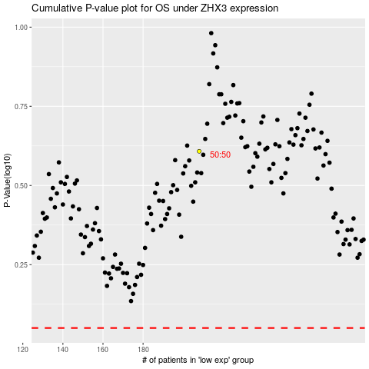

 |  |  |  |  |  | cases_OS | p_OS | rank | exp
 |  |  |  |  |  |  | cases_RFS | p_RFS | rank | exp

