ZIC1 _multivariate
Reported by Tex Li-Hsing Chi. tex@gate.sinica.edu.tw 2019-08-14

Table 2. The clinicopathological features of HNSCC cohort and ZIC1 expression. (Chi square test)
Cutoff at -0.184 (50.0%)
 |  | ZIC1 expression |  | ZIC1 expression |  | (Optimised)
 | Features | Low | (%) | High | (%) | Case no | P-value | Remark | Matthews
Gender | Female | 154 | 37.1 | 152 | 36.6 | 415 | 0.8463 | 0 | 0
2 | Male | 53 | 12.8 | 56 | 13.5
Age at diagnosis | <=65y | 140 | 33.7 | 134 | 32.3 | 415 | 0.5574 | 0 | 0
4 | >65y | 67 | 16.1 | 74 | 17.8
Clinical T Status | T1+T2 | 78 | 18.8 | 71 | 17.1 | 415 | 0.5152 | 0 | 0
6 | T3+T4 | 129 | 31.1 | 137 | 33
Clinical N Status | N0 | 109 | 26.3 | 107 | 25.8 | 415 | 0.8812 | 0 | 0
8 | N1-3 | 98 | 23.6 | 101 | 24.3
Clinical M Status | M0 | 204 | 49.2 | 208 | 50.1 | 415 | 0.1232 | 0 | 0
10 | M1 | 3 | 0.7 | 0 | 0
Clinical Stage | Stage I+II | 57 | 13.7 | 45 | 10.8 | 415 | 0.1998 | 0 | 0
12 | Stage III+IV | 150 | 36.1 | 163 | 39.3
Surgical Margin status | Negative | 158 | 38.1 | 160 | 38.6 | 415 | 0.9081 | 0 | 0
14 | Positive | 49 | 11.8 | 48 | 11.6
Tobacco Exposure | Low | 87 | 21 | 74 | 17.8 | 415 | 0.1911 | 0 | 0
16 | High | 120 | 28.9 | 134 | 32.3

Table 3. Univariate/Multivariate Cox's proportional hazards regression analyses on OS time of ZIC1 gene expression in HNSCC

 |  | Univariate |  |  |  | Multivariate
 | Features | HR | CI95%(L) | CI95%(H) | P-value | HR | CI95%(L) | CI95%(H) | P-value
1 | Female | 1 |  |  |  | 1
Gender | Male | 1.157 | 0.843 | 1.587 | 0.367 | 1.217 | 0.871 | 1.701 | 0.251
11 | <=65y | 1 |  |  |  | 1
Age at diagnosis | >65y | 1.329 | 0.99 | 1.784 | 0.058 | 1.401 | 1.031 | 1.905 | 0.031
12 | T1+T2 | 1 |  |  |  | 1
Clinical T Status | T3+T4 | 1.409 | 1.028 | 1.931 | 0.033 | 2.189 | 1.157 | 4.142 | 0.016
13 | N0 | 1 |  |  |  | 1
Clinical N Status | N1-3 | 1.185 | 0.89 | 1.577 | 0.246 | 1.207 | 0.844 | 1.727 | 0.303
14 | M0 | 1 |  |  |  | 1
Clinical M Status | M1 | 4.097 | 1.009 | 16.644 | 0.049 | 8.607 | 1.867 | 39.683 | 0.006
15 | Stage I+II | 1 |  |  |  | 1
Clinical Stage | Stage III+IV | 1.245 | 0.882 | 1.759 | 0.213 | 0.523 | 0.243 | 1.126 | 0.098
16 | Negative | 1 |  |  |  | 1
Surgical Margin status | Positive | 1.591 | 1.155 | 2.191 | 0.004 | 1.696 | 1.226 | 2.347 | 0.001
17 | Low | 1 |  |  |  | 1
Tobacco Exposure | High | 1.364 | 1.008 | 1.844 | 0.044 | 1.466 | 1.063 | 2.02 | 0.02
18 | Low | 1 |  |  |  | 1
RNAseq(z-score) | High | 0.852 | 0.639 | 1.136 | 0.276 | 0.821 | 0.613 | 1.101 | 0.188

Table 4. Univariate/Multivariate Cox's proportional hazards regression analyses on RFS time of ZIC1 gene expression in HNSCC

 |  | Univariate |  |  |  | Multivariate
 | Features | HR | CI95%(L) | CI95%(H) | P-value | HR | CI95%(L) | CI95%(H) | P-value
1 | Female | 1 |  |  |  | 1
Gender | Male | 1.157 | 0.843 | 1.587 | 0.367 | 1.217 | 0.871 | 1.701 | 0.251
11 | <=65y | 1 |  |  |  | 1
Age at diagnosis | >65y | 1.329 | 0.99 | 1.784 | 0.058 | 1.401 | 1.031 | 1.905 | 0.031
12 | T1+T2 | 1 |  |  |  | 1
Clinical T Status | T3+T4 | 1.409 | 1.028 | 1.931 | 0.033 | 2.189 | 1.157 | 4.142 | 0.016
13 | N0 | 1 |  |  |  | 1
Clinical N Status | N1-3 | 1.185 | 0.89 | 1.577 | 0.246 | 1.207 | 0.844 | 1.727 | 0.303
14 | M0 | 1 |  |  |  | 1
Clinical M Status | M1 | 4.097 | 1.009 | 16.644 | 0.049 | 8.607 | 1.867 | 39.683 | 0.006
15 | Stage I+II | 1 |  |  |  | 1
Clinical Stage | Stage III+IV | 1.245 | 0.882 | 1.759 | 0.213 | 0.523 | 0.243 | 1.126 | 0.098
16 | Negative | 1 |  |  |  | 1
Surgical Margin status | Positive | 1.591 | 1.155 | 2.191 | 0.004 | 1.696 | 1.226 | 2.347 | 0.001
17 | Low | 1 |  |  |  | 1
Tobacco Exposure | High | 1.364 | 1.008 | 1.844 | 0.044 | 1.466 | 1.063 | 2.02 | 0.02
18 | Low | 1 |  |  |  | 1
RNAseq(z-score) | High | 0.852 | 0.639 | 1.136 | 0.276 | 0.821 | 0.613 | 1.101 | 0.188

Kaplan-Meier survival estimate: Cutoff at -0.184 (50.0%)



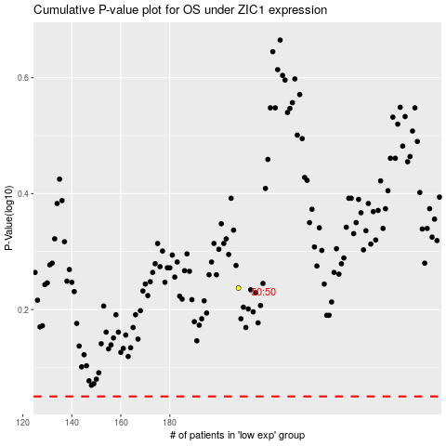

 |  |  |  |  |  | cases_OS | p_OS | rank | exp
 |  |  |  |  |  |  | cases_RFS | p_RFS | rank | exp

