ZIC5 _multivariate
Reported by Tex Li-Hsing Chi. tex@gate.sinica.edu.tw 2019-08-14

Table 2. The clinicopathological features of HNSCC cohort and ZIC5 expression. (Chi square test)
Cutoff at -0.223 (50.0%)
 |  | ZIC5 expression |  | ZIC5 expression |  | (Optimised)
 | Features | Low | (%) | High | (%) | Case no | P-value | Remark | Matthews
Gender | Female | 153 | 36.9 | 153 | 36.9 | 415 | 1 | 0 | 0
2 | Male | 54 | 13 | 55 | 13.3
Age at diagnosis | <=65y | 143 | 34.5 | 131 | 31.6 | 415 | 0.2269 | 0 | 0
4 | >65y | 64 | 15.4 | 77 | 18.6
Clinical T Status | T1+T2 | 86 | 20.7 | 63 | 15.2 | 415 | 0.0221 | 1 | 0
6 | T3+T4 | 121 | 29.2 | 145 | 34.9
Clinical N Status | N0 | 108 | 26 | 108 | 26 | 415 | 1 | 0 | 0
8 | N1-3 | 99 | 23.9 | 100 | 24.1
Clinical M Status | M0 | 206 | 49.6 | 206 | 49.6 | 415 | 1 | 0 | 0
10 | M1 | 1 | 0.2 | 2 | 0.5
Clinical Stage | Stage I+II | 61 | 14.7 | 41 | 9.9 | 415 | 0.0282 | 1 | 0
12 | Stage III+IV | 146 | 35.2 | 167 | 40.2
Surgical Margin status | Negative | 163 | 39.3 | 155 | 37.3 | 415 | 0.3537 | 0 | 0
14 | Positive | 44 | 10.6 | 53 | 12.8
Tobacco Exposure | Low | 93 | 22.4 | 68 | 16.4 | 415 | 0.0118 | 1 | 0
16 | High | 114 | 27.5 | 140 | 33.7

Table 3. Univariate/Multivariate Cox's proportional hazards regression analyses on OS time of ZIC5 gene expression in HNSCC

 |  | Univariate |  |  |  | Multivariate
 | Features | HR | CI95%(L) | CI95%(H) | P-value | HR | CI95%(L) | CI95%(H) | P-value
1 | Female | 1 |  |  |  | 1
Gender | Male | 1.157 | 0.843 | 1.587 | 0.367 | 1.192 | 0.854 | 1.664 | 0.302
11 | <=65y | 1 |  |  |  | 1
Age at diagnosis | >65y | 1.329 | 0.99 | 1.784 | 0.058 | 1.403 | 1.031 | 1.907 | 0.031
12 | T1+T2 | 1 |  |  |  | 1
Clinical T Status | T3+T4 | 1.409 | 1.028 | 1.931 | 0.033 | 2.228 | 1.177 | 4.216 | 0.014
13 | N0 | 1 |  |  |  | 1
Clinical N Status | N1-3 | 1.185 | 0.89 | 1.577 | 0.246 | 1.243 | 0.871 | 1.774 | 0.23
14 | M0 | 1 |  |  |  | 1
Clinical M Status | M1 | 4.097 | 1.009 | 16.644 | 0.049 | 9.661 | 2.106 | 44.329 | 0.004
15 | Stage I+II | 1 |  |  |  | 1
Clinical Stage | Stage III+IV | 1.245 | 0.882 | 1.759 | 0.213 | 0.51 | 0.238 | 1.094 | 0.084
16 | Negative | 1 |  |  |  | 1
Surgical Margin status | Positive | 1.591 | 1.155 | 2.191 | 0.004 | 1.707 | 1.233 | 2.364 | 0.001
17 | Low | 1 |  |  |  | 1
Tobacco Exposure | High | 1.364 | 1.008 | 1.844 | 0.044 | 1.48 | 1.073 | 2.042 | 0.017
18 | Low | 1 |  |  |  | 1
RNAseq(z-score) | High | 0.944 | 0.709 | 1.257 | 0.695 | 0.836 | 0.624 | 1.12 | 0.229

Table 4. Univariate/Multivariate Cox's proportional hazards regression analyses on RFS time of ZIC5 gene expression in HNSCC

 |  | Univariate |  |  |  | Multivariate
 | Features | HR | CI95%(L) | CI95%(H) | P-value | HR | CI95%(L) | CI95%(H) | P-value
1 | Female | 1 |  |  |  | 1
Gender | Male | 1.157 | 0.843 | 1.587 | 0.367 | 1.192 | 0.854 | 1.664 | 0.302
11 | <=65y | 1 |  |  |  | 1
Age at diagnosis | >65y | 1.329 | 0.99 | 1.784 | 0.058 | 1.403 | 1.031 | 1.907 | 0.031
12 | T1+T2 | 1 |  |  |  | 1
Clinical T Status | T3+T4 | 1.409 | 1.028 | 1.931 | 0.033 | 2.228 | 1.177 | 4.216 | 0.014
13 | N0 | 1 |  |  |  | 1
Clinical N Status | N1-3 | 1.185 | 0.89 | 1.577 | 0.246 | 1.243 | 0.871 | 1.774 | 0.23
14 | M0 | 1 |  |  |  | 1
Clinical M Status | M1 | 4.097 | 1.009 | 16.644 | 0.049 | 9.661 | 2.106 | 44.329 | 0.004
15 | Stage I+II | 1 |  |  |  | 1
Clinical Stage | Stage III+IV | 1.245 | 0.882 | 1.759 | 0.213 | 0.51 | 0.238 | 1.094 | 0.084
16 | Negative | 1 |  |  |  | 1
Surgical Margin status | Positive | 1.591 | 1.155 | 2.191 | 0.004 | 1.707 | 1.233 | 2.364 | 0.001
17 | Low | 1 |  |  |  | 1
Tobacco Exposure | High | 1.364 | 1.008 | 1.844 | 0.044 | 1.48 | 1.073 | 2.042 | 0.017
18 | Low | 1 |  |  |  | 1
RNAseq(z-score) | High | 0.944 | 0.709 | 1.257 | 0.695 | 0.836 | 0.624 | 1.12 | 0.229

Kaplan-Meier survival estimate: Cutoff at -0.223 (50.0%)

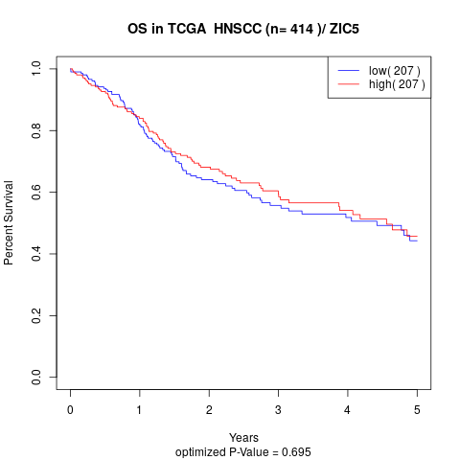

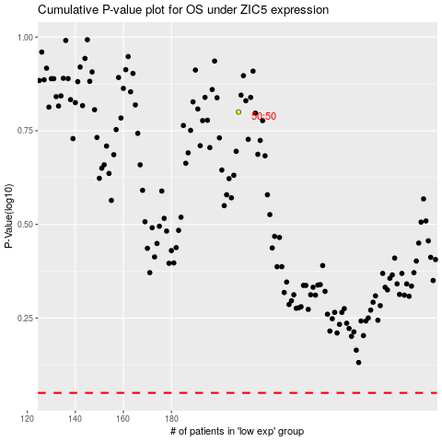

 |  |  |  |  |  | cases_OS | p_OS | rank | exp
 |  |  |  |  |  |  | cases_RFS | p_RFS | rank | exp

