ZKSCAN1 _multivariate
Reported by Tex Li-Hsing Chi. tex@gate.sinica.edu.tw 2019-08-14

Table 2. The clinicopathological features of HNSCC cohort and ZKSCAN1 expression. (Chi square test)
Cutoff at -0.213 (49.8%)
 |  | ZKSCAN1 expression |  | ZKSCAN1 expression |  | (Optimised)
 | Features | Low | (%) | High | (%) | Case no | P-value | Remark | Matthews
Gender | Female | 157 | 37.8 | 149 | 35.9 | 415 | 0.3881 | 0 | 0
2 | Male | 50 | 12 | 59 | 14.2
Age at diagnosis | <=65y | 139 | 33.5 | 135 | 32.5 | 415 | 0.7044 | 0 | 0
4 | >65y | 68 | 16.4 | 73 | 17.6
Clinical T Status | T1+T2 | 80 | 19.3 | 69 | 16.6 | 415 | 0.2891 | 0 | 0
6 | T3+T4 | 127 | 30.6 | 139 | 33.5
Clinical N Status | N0 | 95 | 22.9 | 121 | 29.2 | 415 | 0.0162 | 1 | 0
8 | N1-3 | 112 | 27 | 87 | 21
Clinical M Status | M0 | 205 | 49.4 | 207 | 49.9 | 415 | 0.6232 | 0 | 0
10 | M1 | 2 | 0.5 | 1 | 0.2
Clinical Stage | Stage I+II | 48 | 11.6 | 54 | 13 | 415 | 0.5878 | 0 | 0
12 | Stage III+IV | 159 | 38.3 | 154 | 37.1
Surgical Margin status | Negative | 154 | 37.1 | 164 | 39.5 | 415 | 0.2984 | 0 | 0
14 | Positive | 53 | 12.8 | 44 | 10.6
Tobacco Exposure | Low | 82 | 19.8 | 79 | 19 | 415 | 0.763 | 0 | 0
16 | High | 125 | 30.1 | 129 | 31.1

Table 3. Univariate/Multivariate Cox's proportional hazards regression analyses on OS time of ZKSCAN1 gene expression in HNSCC

 |  | Univariate |  |  |  | Multivariate
 | Features | HR | CI95%(L) | CI95%(H) | P-value | HR | CI95%(L) | CI95%(H) | P-value
1 | Female | 1 |  |  |  | 1
Gender | Male | 1.157 | 0.843 | 1.587 | 0.367 | 1.212 | 0.867 | 1.694 | 0.261
11 | <=65y | 1 |  |  |  | 1
Age at diagnosis | >65y | 1.329 | 0.99 | 1.784 | 0.058 | 1.391 | 1.023 | 1.89 | 0.035
12 | T1+T2 | 1 |  |  |  | 1
Clinical T Status | T3+T4 | 1.409 | 1.028 | 1.931 | 0.033 | 2.238 | 1.182 | 4.237 | 0.013
13 | N0 | 1 |  |  |  | 1
Clinical N Status | N1-3 | 1.185 | 0.89 | 1.577 | 0.246 | 1.226 | 0.858 | 1.751 | 0.263
14 | M0 | 1 |  |  |  | 1
Clinical M Status | M1 | 4.097 | 1.009 | 16.644 | 0.049 | 9.293 | 2.026 | 42.62 | 0.004
15 | Stage I+II | 1 |  |  |  | 1
Clinical Stage | Stage III+IV | 1.245 | 0.882 | 1.759 | 0.213 | 0.499 | 0.232 | 1.072 | 0.075
16 | Negative | 1 |  |  |  | 1
Surgical Margin status | Positive | 1.591 | 1.155 | 2.191 | 0.004 | 1.661 | 1.202 | 2.296 | 0.002
17 | Low | 1 |  |  |  | 1
Tobacco Exposure | High | 1.364 | 1.008 | 1.844 | 0.044 | 1.46 | 1.06 | 2.013 | 0.021
18 | Low | 1 |  |  |  | 1
RNAseq(z-score) | High | 0.895 | 0.671 | 1.194 | 0.45 | 0.895 | 0.668 | 1.199 | 0.457

Table 4. Univariate/Multivariate Cox's proportional hazards regression analyses on RFS time of ZKSCAN1 gene expression in HNSCC

 |  | Univariate |  |  |  | Multivariate
 | Features | HR | CI95%(L) | CI95%(H) | P-value | HR | CI95%(L) | CI95%(H) | P-value
1 | Female | 1 |  |  |  | 1
Gender | Male | 1.157 | 0.843 | 1.587 | 0.367 | 1.212 | 0.867 | 1.694 | 0.261
11 | <=65y | 1 |  |  |  | 1
Age at diagnosis | >65y | 1.329 | 0.99 | 1.784 | 0.058 | 1.391 | 1.023 | 1.89 | 0.035
12 | T1+T2 | 1 |  |  |  | 1
Clinical T Status | T3+T4 | 1.409 | 1.028 | 1.931 | 0.033 | 2.238 | 1.182 | 4.237 | 0.013
13 | N0 | 1 |  |  |  | 1
Clinical N Status | N1-3 | 1.185 | 0.89 | 1.577 | 0.246 | 1.226 | 0.858 | 1.751 | 0.263
14 | M0 | 1 |  |  |  | 1
Clinical M Status | M1 | 4.097 | 1.009 | 16.644 | 0.049 | 9.293 | 2.026 | 42.62 | 0.004
15 | Stage I+II | 1 |  |  |  | 1
Clinical Stage | Stage III+IV | 1.245 | 0.882 | 1.759 | 0.213 | 0.499 | 0.232 | 1.072 | 0.075
16 | Negative | 1 |  |  |  | 1
Surgical Margin status | Positive | 1.591 | 1.155 | 2.191 | 0.004 | 1.661 | 1.202 | 2.296 | 0.002
17 | Low | 1 |  |  |  | 1
Tobacco Exposure | High | 1.364 | 1.008 | 1.844 | 0.044 | 1.46 | 1.06 | 2.013 | 0.021
18 | Low | 1 |  |  |  | 1
RNAseq(z-score) | High | 0.895 | 0.671 | 1.194 | 0.45 | 0.895 | 0.668 | 1.199 | 0.457

Kaplan-Meier survival estimate: Cutoff at -0.213 (49.8%)



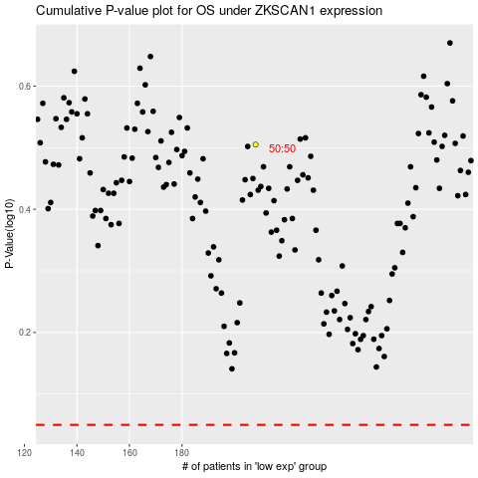

 |  |  |  |  |  | cases_OS | p_OS | rank | exp
 |  |  |  |  |  |  | cases_RFS | p_RFS | rank | exp

