ZKSCAN2 _multivariate
Reported by Tex Li-Hsing Chi. tex@gate.sinica.edu.tw 2019-08-14

Table 2. The clinicopathological features of HNSCC cohort and ZKSCAN2 expression. (Chi square test)
Cutoff at -0.165 (49.8%)
 |  | ZKSCAN2 expression |  | ZKSCAN2 expression |  | (Optimised)
 | Features | Low | (%) | High | (%) | Case no | P-value | Remark | Matthews
Gender | Female | 152 | 36.6 | 154 | 37.1 | 415 | 0.9766 | 0 | 0
2 | Male | 55 | 13.3 | 54 | 13
Age at diagnosis | <=65y | 140 | 33.7 | 134 | 32.3 | 415 | 0.5574 | 0 | 0
4 | >65y | 67 | 16.1 | 74 | 17.8
Clinical T Status | T1+T2 | 72 | 17.3 | 77 | 18.6 | 415 | 0.7095 | 0 | 0
6 | T3+T4 | 135 | 32.5 | 131 | 31.6
Clinical N Status | N0 | 104 | 25.1 | 112 | 27 | 415 | 0.5243 | 0 | 0
8 | N1-3 | 103 | 24.8 | 96 | 23.1
Clinical M Status | M0 | 206 | 49.6 | 206 | 49.6 | 415 | 1 | 0 | 0
10 | M1 | 1 | 0.2 | 2 | 0.5
Clinical Stage | Stage I+II | 51 | 12.3 | 51 | 12.3 | 415 | 1 | 0 | 0
12 | Stage III+IV | 156 | 37.6 | 157 | 37.8
Surgical Margin status | Negative | 158 | 38.1 | 160 | 38.6 | 415 | 0.9081 | 0 | 0
14 | Positive | 49 | 11.8 | 48 | 11.6
Tobacco Exposure | Low | 76 | 18.3 | 85 | 20.5 | 415 | 0.4207 | 0 | 0
16 | High | 131 | 31.6 | 123 | 29.6

Table 3. Univariate/Multivariate Cox's proportional hazards regression analyses on OS time of ZKSCAN2 gene expression in HNSCC

 |  | Univariate |  |  |  | Multivariate
 | Features | HR | CI95%(L) | CI95%(H) | P-value | HR | CI95%(L) | CI95%(H) | P-value
1 | Female | 1 |  |  |  | 1
Gender | Male | 1.157 | 0.843 | 1.587 | 0.367 | 1.207 | 0.863 | 1.687 | 0.271
11 | <=65y | 1 |  |  |  | 1
Age at diagnosis | >65y | 1.329 | 0.99 | 1.784 | 0.058 | 1.375 | 1.009 | 1.873 | 0.044
12 | T1+T2 | 1 |  |  |  | 1
Clinical T Status | T3+T4 | 1.409 | 1.028 | 1.931 | 0.033 | 2.208 | 1.167 | 4.177 | 0.015
13 | N0 | 1 |  |  |  | 1
Clinical N Status | N1-3 | 1.185 | 0.89 | 1.577 | 0.246 | 1.235 | 0.865 | 1.763 | 0.245
14 | M0 | 1 |  |  |  | 1
Clinical M Status | M1 | 4.097 | 1.009 | 16.644 | 0.049 | 9.36 | 2.042 | 42.908 | 0.004
15 | Stage I+II | 1 |  |  |  | 1
Clinical Stage | Stage III+IV | 1.245 | 0.882 | 1.759 | 0.213 | 0.504 | 0.235 | 1.083 | 0.079
16 | Negative | 1 |  |  |  | 1
Surgical Margin status | Positive | 1.591 | 1.155 | 2.191 | 0.004 | 1.687 | 1.219 | 2.334 | 0.002
17 | Low | 1 |  |  |  | 1
Tobacco Exposure | High | 1.364 | 1.008 | 1.844 | 0.044 | 1.459 | 1.059 | 2.011 | 0.021
18 | Low | 1 |  |  |  | 1
RNAseq(z-score) | High | 1.078 | 0.81 | 1.435 | 0.607 | 1.099 | 0.822 | 1.469 | 0.524

Table 4. Univariate/Multivariate Cox's proportional hazards regression analyses on RFS time of ZKSCAN2 gene expression in HNSCC

 |  | Univariate |  |  |  | Multivariate
 | Features | HR | CI95%(L) | CI95%(H) | P-value | HR | CI95%(L) | CI95%(H) | P-value
1 | Female | 1 |  |  |  | 1
Gender | Male | 1.157 | 0.843 | 1.587 | 0.367 | 1.207 | 0.863 | 1.687 | 0.271
11 | <=65y | 1 |  |  |  | 1
Age at diagnosis | >65y | 1.329 | 0.99 | 1.784 | 0.058 | 1.375 | 1.009 | 1.873 | 0.044
12 | T1+T2 | 1 |  |  |  | 1
Clinical T Status | T3+T4 | 1.409 | 1.028 | 1.931 | 0.033 | 2.208 | 1.167 | 4.177 | 0.015
13 | N0 | 1 |  |  |  | 1
Clinical N Status | N1-3 | 1.185 | 0.89 | 1.577 | 0.246 | 1.235 | 0.865 | 1.763 | 0.245
14 | M0 | 1 |  |  |  | 1
Clinical M Status | M1 | 4.097 | 1.009 | 16.644 | 0.049 | 9.36 | 2.042 | 42.908 | 0.004
15 | Stage I+II | 1 |  |  |  | 1
Clinical Stage | Stage III+IV | 1.245 | 0.882 | 1.759 | 0.213 | 0.504 | 0.235 | 1.083 | 0.079
16 | Negative | 1 |  |  |  | 1
Surgical Margin status | Positive | 1.591 | 1.155 | 2.191 | 0.004 | 1.687 | 1.219 | 2.334 | 0.002
17 | Low | 1 |  |  |  | 1
Tobacco Exposure | High | 1.364 | 1.008 | 1.844 | 0.044 | 1.459 | 1.059 | 2.011 | 0.021
18 | Low | 1 |  |  |  | 1
RNAseq(z-score) | High | 1.078 | 0.81 | 1.435 | 0.607 | 1.099 | 0.822 | 1.469 | 0.524

Kaplan-Meier survival estimate: Cutoff at -0.165 (49.8%)



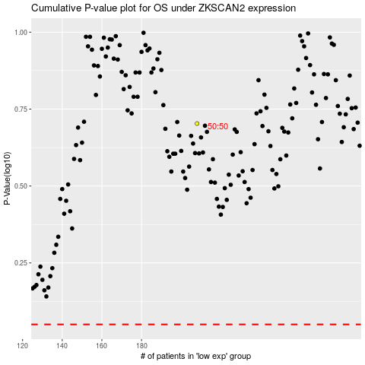

 |  |  |  |  |  | cases_OS | p_OS | rank | exp
 |  |  |  |  |  |  | cases_RFS | p_RFS | rank | exp

