ZKSCAN5 _multivariate
Reported by Tex Li-Hsing Chi. tex@gate.sinica.edu.tw 2019-08-14

Table 2. The clinicopathological features of HNSCC cohort and ZKSCAN5 expression. (Chi square test)
Cutoff at -0.164 (49.8%)
 |  | ZKSCAN5 expression |  | ZKSCAN5 expression |  | (Optimised)
 | Features | Low | (%) | High | (%) | Case no | P-value | Remark | Matthews
Gender | Female | 151 | 36.4 | 155 | 37.3 | 415 | 0.8007 | 0 | 0
2 | Male | 56 | 13.5 | 53 | 12.8
Age at diagnosis | <=65y | 134 | 32.3 | 140 | 33.7 | 415 | 0.6529 | 0 | 0
4 | >65y | 73 | 17.6 | 68 | 16.4
Clinical T Status | T1+T2 | 75 | 18.1 | 74 | 17.8 | 415 | 0.9707 | 0 | 0
6 | T3+T4 | 132 | 31.8 | 134 | 32.3
Clinical N Status | N0 | 102 | 24.6 | 114 | 27.5 | 415 | 0.3031 | 0 | 0
8 | N1-3 | 105 | 25.3 | 94 | 22.7
Clinical M Status | M0 | 205 | 49.4 | 207 | 49.9 | 415 | 0.6232 | 0 | 0
10 | M1 | 2 | 0.5 | 1 | 0.2
Clinical Stage | Stage I+II | 48 | 11.6 | 54 | 13 | 415 | 0.5878 | 0 | 0
12 | Stage III+IV | 159 | 38.3 | 154 | 37.1
Surgical Margin status | Negative | 154 | 37.1 | 164 | 39.5 | 415 | 0.2984 | 0 | 0
14 | Positive | 53 | 12.8 | 44 | 10.6
Tobacco Exposure | Low | 84 | 20.2 | 77 | 18.6 | 415 | 0.4816 | 0 | 0
16 | High | 123 | 29.6 | 131 | 31.6

Table 3. Univariate/Multivariate Cox's proportional hazards regression analyses on OS time of ZKSCAN5 gene expression in HNSCC

 |  | Univariate |  |  |  | Multivariate
 | Features | HR | CI95%(L) | CI95%(H) | P-value | HR | CI95%(L) | CI95%(H) | P-value
1 | Female | 1 |  |  |  | 1
Gender | Male | 1.157 | 0.843 | 1.587 | 0.367 | 1.196 | 0.856 | 1.672 | 0.294
11 | <=65y | 1 |  |  |  | 1
Age at diagnosis | >65y | 1.329 | 0.99 | 1.784 | 0.058 | 1.406 | 1.033 | 1.913 | 0.03
12 | T1+T2 | 1 |  |  |  | 1
Clinical T Status | T3+T4 | 1.409 | 1.028 | 1.931 | 0.033 | 2.178 | 1.152 | 4.121 | 0.017
13 | N0 | 1 |  |  |  | 1
Clinical N Status | N1-3 | 1.185 | 0.89 | 1.577 | 0.246 | 1.248 | 0.875 | 1.781 | 0.222
14 | M0 | 1 |  |  |  | 1
Clinical M Status | M1 | 4.097 | 1.009 | 16.644 | 0.049 | 9.619 | 2.097 | 44.116 | 0.004
15 | Stage I+II | 1 |  |  |  | 1
Clinical Stage | Stage III+IV | 1.245 | 0.882 | 1.759 | 0.213 | 0.514 | 0.239 | 1.105 | 0.088
16 | Negative | 1 |  |  |  | 1
Surgical Margin status | Positive | 1.591 | 1.155 | 2.191 | 0.004 | 1.675 | 1.213 | 2.314 | 0.002
17 | Low | 1 |  |  |  | 1
Tobacco Exposure | High | 1.364 | 1.008 | 1.844 | 0.044 | 1.441 | 1.046 | 1.986 | 0.026
18 | Low | 1 |  |  |  | 1
RNAseq(z-score) | High | 1.088 | 0.816 | 1.45 | 0.565 | 1.131 | 0.845 | 1.514 | 0.406

Table 4. Univariate/Multivariate Cox's proportional hazards regression analyses on RFS time of ZKSCAN5 gene expression in HNSCC

 |  | Univariate |  |  |  | Multivariate
 | Features | HR | CI95%(L) | CI95%(H) | P-value | HR | CI95%(L) | CI95%(H) | P-value
1 | Female | 1 |  |  |  | 1
Gender | Male | 1.157 | 0.843 | 1.587 | 0.367 | 1.196 | 0.856 | 1.672 | 0.294
11 | <=65y | 1 |  |  |  | 1
Age at diagnosis | >65y | 1.329 | 0.99 | 1.784 | 0.058 | 1.406 | 1.033 | 1.913 | 0.03
12 | T1+T2 | 1 |  |  |  | 1
Clinical T Status | T3+T4 | 1.409 | 1.028 | 1.931 | 0.033 | 2.178 | 1.152 | 4.121 | 0.017
13 | N0 | 1 |  |  |  | 1
Clinical N Status | N1-3 | 1.185 | 0.89 | 1.577 | 0.246 | 1.248 | 0.875 | 1.781 | 0.222
14 | M0 | 1 |  |  |  | 1
Clinical M Status | M1 | 4.097 | 1.009 | 16.644 | 0.049 | 9.619 | 2.097 | 44.116 | 0.004
15 | Stage I+II | 1 |  |  |  | 1
Clinical Stage | Stage III+IV | 1.245 | 0.882 | 1.759 | 0.213 | 0.514 | 0.239 | 1.105 | 0.088
16 | Negative | 1 |  |  |  | 1
Surgical Margin status | Positive | 1.591 | 1.155 | 2.191 | 0.004 | 1.675 | 1.213 | 2.314 | 0.002
17 | Low | 1 |  |  |  | 1
Tobacco Exposure | High | 1.364 | 1.008 | 1.844 | 0.044 | 1.441 | 1.046 | 1.986 | 0.026
18 | Low | 1 |  |  |  | 1
RNAseq(z-score) | High | 1.088 | 0.816 | 1.45 | 0.565 | 1.131 | 0.845 | 1.514 | 0.406

Kaplan-Meier survival estimate: Cutoff at -0.164 (49.8%)



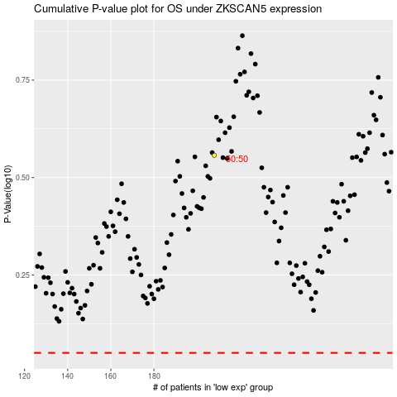

 |  |  |  |  |  | cases_OS | p_OS | rank | exp
 |  |  |  |  |  |  | cases_RFS | p_RFS | rank | exp

