ZMIZ1 _multivariate
Reported by Tex Li-Hsing Chi. tex@gate.sinica.edu.tw 2019-08-14

Table 2. The clinicopathological features of HNSCC cohort and ZMIZ1 expression. (Chi square test)
Cutoff at -0.156 (49.8%)
 |  | ZMIZ1 expression |  | ZMIZ1 expression |  | (Optimised)
 | Features | Low | (%) | High | (%) | Case no | P-value | Remark | Matthews
Gender | Female | 155 | 37.3 | 151 | 36.4 | 415 | 0.6768 | 0 | 0
2 | Male | 52 | 12.5 | 57 | 13.7
Age at diagnosis | <=65y | 140 | 33.7 | 134 | 32.3 | 415 | 0.5574 | 0 | 0
4 | >65y | 67 | 16.1 | 74 | 17.8
Clinical T Status | T1+T2 | 81 | 19.5 | 68 | 16.4 | 415 | 0.206 | 0 | 0
6 | T3+T4 | 126 | 30.4 | 140 | 33.7
Clinical N Status | N0 | 110 | 26.5 | 106 | 25.5 | 415 | 0.7294 | 0 | 0
8 | N1-3 | 97 | 23.4 | 102 | 24.6
Clinical M Status | M0 | 204 | 49.2 | 208 | 50.1 | 415 | 0.1232 | 0 | 0
10 | M1 | 3 | 0.7 | 0 | 0
Clinical Stage | Stage I+II | 55 | 13.3 | 47 | 11.3 | 415 | 0.4087 | 0 | 0
12 | Stage III+IV | 152 | 36.6 | 161 | 38.8
Surgical Margin status | Negative | 148 | 35.7 | 170 | 41 | 415 | 0.015 | 1 | 0
14 | Positive | 59 | 14.2 | 38 | 9.2
Tobacco Exposure | Low | 82 | 19.8 | 79 | 19 | 415 | 0.763 | 0 | 0
16 | High | 125 | 30.1 | 129 | 31.1

Table 3. Univariate/Multivariate Cox's proportional hazards regression analyses on OS time of ZMIZ1 gene expression in HNSCC

 |  | Univariate |  |  |  | Multivariate
 | Features | HR | CI95%(L) | CI95%(H) | P-value | HR | CI95%(L) | CI95%(H) | P-value
1 | Female | 1 |  |  |  | 1
Gender | Male | 1.157 | 0.843 | 1.587 | 0.367 | 1.201 | 0.86 | 1.678 | 0.283
11 | <=65y | 1 |  |  |  | 1
Age at diagnosis | >65y | 1.329 | 0.99 | 1.784 | 0.058 | 1.391 | 1.023 | 1.891 | 0.035
12 | T1+T2 | 1 |  |  |  | 1
Clinical T Status | T3+T4 | 1.409 | 1.028 | 1.931 | 0.033 | 2.202 | 1.165 | 4.163 | 0.015
13 | N0 | 1 |  |  |  | 1
Clinical N Status | N1-3 | 1.185 | 0.89 | 1.577 | 0.246 | 1.241 | 0.87 | 1.771 | 0.234
14 | M0 | 1 |  |  |  | 1
Clinical M Status | M1 | 4.097 | 1.009 | 16.644 | 0.049 | 9.474 | 2.05 | 43.77 | 0.004
15 | Stage I+II | 1 |  |  |  | 1
Clinical Stage | Stage III+IV | 1.245 | 0.882 | 1.759 | 0.213 | 0.504 | 0.235 | 1.082 | 0.079
16 | Negative | 1 |  |  |  | 1
Surgical Margin status | Positive | 1.591 | 1.155 | 2.191 | 0.004 | 1.675 | 1.208 | 2.323 | 0.002
17 | Low | 1 |  |  |  | 1
Tobacco Exposure | High | 1.364 | 1.008 | 1.844 | 0.044 | 1.453 | 1.055 | 2.002 | 0.022
18 | Low | 1 |  |  |  | 1
RNAseq(z-score) | High | 0.967 | 0.724 | 1.29 | 0.818 | 1.014 | 0.755 | 1.362 | 0.928

Table 4. Univariate/Multivariate Cox's proportional hazards regression analyses on RFS time of ZMIZ1 gene expression in HNSCC

 |  | Univariate |  |  |  | Multivariate
 | Features | HR | CI95%(L) | CI95%(H) | P-value | HR | CI95%(L) | CI95%(H) | P-value
1 | Female | 1 |  |  |  | 1
Gender | Male | 1.157 | 0.843 | 1.587 | 0.367 | 1.201 | 0.86 | 1.678 | 0.283
11 | <=65y | 1 |  |  |  | 1
Age at diagnosis | >65y | 1.329 | 0.99 | 1.784 | 0.058 | 1.391 | 1.023 | 1.891 | 0.035
12 | T1+T2 | 1 |  |  |  | 1
Clinical T Status | T3+T4 | 1.409 | 1.028 | 1.931 | 0.033 | 2.202 | 1.165 | 4.163 | 0.015
13 | N0 | 1 |  |  |  | 1
Clinical N Status | N1-3 | 1.185 | 0.89 | 1.577 | 0.246 | 1.241 | 0.87 | 1.771 | 0.234
14 | M0 | 1 |  |  |  | 1
Clinical M Status | M1 | 4.097 | 1.009 | 16.644 | 0.049 | 9.474 | 2.05 | 43.77 | 0.004
15 | Stage I+II | 1 |  |  |  | 1
Clinical Stage | Stage III+IV | 1.245 | 0.882 | 1.759 | 0.213 | 0.504 | 0.235 | 1.082 | 0.079
16 | Negative | 1 |  |  |  | 1
Surgical Margin status | Positive | 1.591 | 1.155 | 2.191 | 0.004 | 1.675 | 1.208 | 2.323 | 0.002
17 | Low | 1 |  |  |  | 1
Tobacco Exposure | High | 1.364 | 1.008 | 1.844 | 0.044 | 1.453 | 1.055 | 2.002 | 0.022
18 | Low | 1 |  |  |  | 1
RNAseq(z-score) | High | 0.967 | 0.724 | 1.29 | 0.818 | 1.014 | 0.755 | 1.362 | 0.928

Kaplan-Meier survival estimate: Cutoff at -0.156 (49.8%)



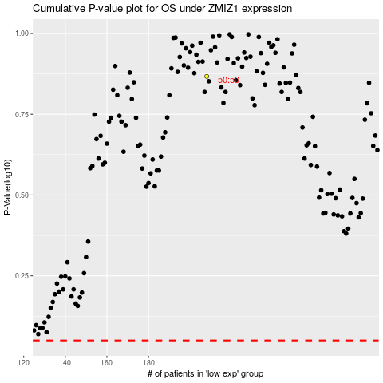

 |  |  |  |  |  | cases_OS | p_OS | rank | exp
 |  |  |  |  |  |  | cases_RFS | p_RFS | rank | exp

