ZMPSTE24 _multivariate
Reported by Tex Li-Hsing Chi. tex@gate.sinica.edu.tw 2019-08-14

Table 2. The clinicopathological features of HNSCC cohort and ZMPSTE24 expression. (Chi square test)
Cutoff at -0.048 (50.0%)
 |  | ZMPSTE24 expression |  | ZMPSTE24 expression |  | (Optimised)
 | Features | Low | (%) | High | (%) | Case no | P-value | Remark | Matthews
Gender | Female | 158 | 38.1 | 148 | 35.7 | 415 | 0.2774 | 0 | 0
2 | Male | 49 | 11.8 | 60 | 14.5
Age at diagnosis | <=65y | 141 | 34 | 133 | 32 | 415 | 0.4272 | 0 | 0
4 | >65y | 66 | 15.9 | 75 | 18.1
Clinical T Status | T1+T2 | 71 | 17.1 | 78 | 18.8 | 415 | 0.5638 | 0 | 0
6 | T3+T4 | 136 | 32.8 | 130 | 31.3
Clinical N Status | N0 | 103 | 24.8 | 113 | 27.2 | 415 | 0.4047 | 0 | 0
8 | N1-3 | 104 | 25.1 | 95 | 22.9
Clinical M Status | M0 | 205 | 49.4 | 207 | 49.9 | 415 | 0.6232 | 0 | 0
10 | M1 | 2 | 0.5 | 1 | 0.2
Clinical Stage | Stage I+II | 41 | 9.9 | 61 | 14.7 | 415 | 0.0325 | 1 | 0
12 | Stage III+IV | 166 | 40 | 147 | 35.4
Surgical Margin status | Negative | 156 | 37.6 | 162 | 39 | 415 | 0.5636 | 0 | 0
14 | Positive | 51 | 12.3 | 46 | 11.1
Tobacco Exposure | Low | 73 | 17.6 | 88 | 21.2 | 415 | 0.1587 | 0 | 0
16 | High | 134 | 32.3 | 120 | 28.9

Table 3. Univariate/Multivariate Cox's proportional hazards regression analyses on OS time of ZMPSTE24 gene expression in HNSCC

 |  | Univariate |  |  |  | Multivariate
 | Features | HR | CI95%(L) | CI95%(H) | P-value | HR | CI95%(L) | CI95%(H) | P-value
1 | Female | 1 |  |  |  | 1
Gender | Male | 1.157 | 0.843 | 1.587 | 0.367 | 1.191 | 0.852 | 1.664 | 0.307
11 | <=65y | 1 |  |  |  | 1
Age at diagnosis | >65y | 1.329 | 0.99 | 1.784 | 0.058 | 1.395 | 1.026 | 1.897 | 0.034
12 | T1+T2 | 1 |  |  |  | 1
Clinical T Status | T3+T4 | 1.409 | 1.028 | 1.931 | 0.033 | 2.171 | 1.147 | 4.112 | 0.017
13 | N0 | 1 |  |  |  | 1
Clinical N Status | N1-3 | 1.185 | 0.89 | 1.577 | 0.246 | 1.245 | 0.873 | 1.776 | 0.227
14 | M0 | 1 |  |  |  | 1
Clinical M Status | M1 | 4.097 | 1.009 | 16.644 | 0.049 | 9.289 | 2.026 | 42.594 | 0.004
15 | Stage I+II | 1 |  |  |  | 1
Clinical Stage | Stage III+IV | 1.245 | 0.882 | 1.759 | 0.213 | 0.518 | 0.24 | 1.116 | 0.093
16 | Negative | 1 |  |  |  | 1
Surgical Margin status | Positive | 1.591 | 1.155 | 2.191 | 0.004 | 1.67 | 1.209 | 2.308 | 0.002
17 | Low | 1 |  |  |  | 1
Tobacco Exposure | High | 1.364 | 1.008 | 1.844 | 0.044 | 1.453 | 1.055 | 2.002 | 0.022
18 | Low | 1 |  |  |  | 1
RNAseq(z-score) | High | 1.107 | 0.831 | 1.474 | 0.486 | 1.098 | 0.82 | 1.469 | 0.53

Table 4. Univariate/Multivariate Cox's proportional hazards regression analyses on RFS time of ZMPSTE24 gene expression in HNSCC

 |  | Univariate |  |  |  | Multivariate
 | Features | HR | CI95%(L) | CI95%(H) | P-value | HR | CI95%(L) | CI95%(H) | P-value
1 | Female | 1 |  |  |  | 1
Gender | Male | 1.157 | 0.843 | 1.587 | 0.367 | 1.191 | 0.852 | 1.664 | 0.307
11 | <=65y | 1 |  |  |  | 1
Age at diagnosis | >65y | 1.329 | 0.99 | 1.784 | 0.058 | 1.395 | 1.026 | 1.897 | 0.034
12 | T1+T2 | 1 |  |  |  | 1
Clinical T Status | T3+T4 | 1.409 | 1.028 | 1.931 | 0.033 | 2.171 | 1.147 | 4.112 | 0.017
13 | N0 | 1 |  |  |  | 1
Clinical N Status | N1-3 | 1.185 | 0.89 | 1.577 | 0.246 | 1.245 | 0.873 | 1.776 | 0.227
14 | M0 | 1 |  |  |  | 1
Clinical M Status | M1 | 4.097 | 1.009 | 16.644 | 0.049 | 9.289 | 2.026 | 42.594 | 0.004
15 | Stage I+II | 1 |  |  |  | 1
Clinical Stage | Stage III+IV | 1.245 | 0.882 | 1.759 | 0.213 | 0.518 | 0.24 | 1.116 | 0.093
16 | Negative | 1 |  |  |  | 1
Surgical Margin status | Positive | 1.591 | 1.155 | 2.191 | 0.004 | 1.67 | 1.209 | 2.308 | 0.002
17 | Low | 1 |  |  |  | 1
Tobacco Exposure | High | 1.364 | 1.008 | 1.844 | 0.044 | 1.453 | 1.055 | 2.002 | 0.022
18 | Low | 1 |  |  |  | 1
RNAseq(z-score) | High | 1.107 | 0.831 | 1.474 | 0.486 | 1.098 | 0.82 | 1.469 | 0.53

Kaplan-Meier survival estimate: Cutoff at -0.048 (50.0%)



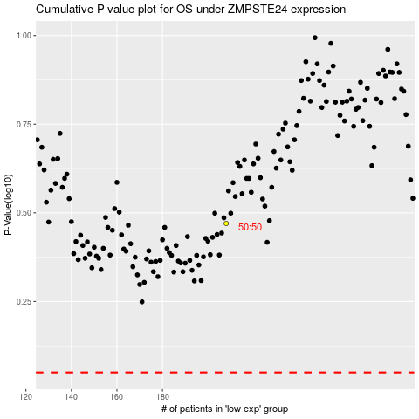

 |  |  |  |  |  | cases_OS | p_OS | rank | exp
 |  |  |  |  |  |  | cases_RFS | p_RFS | rank | exp

